Home
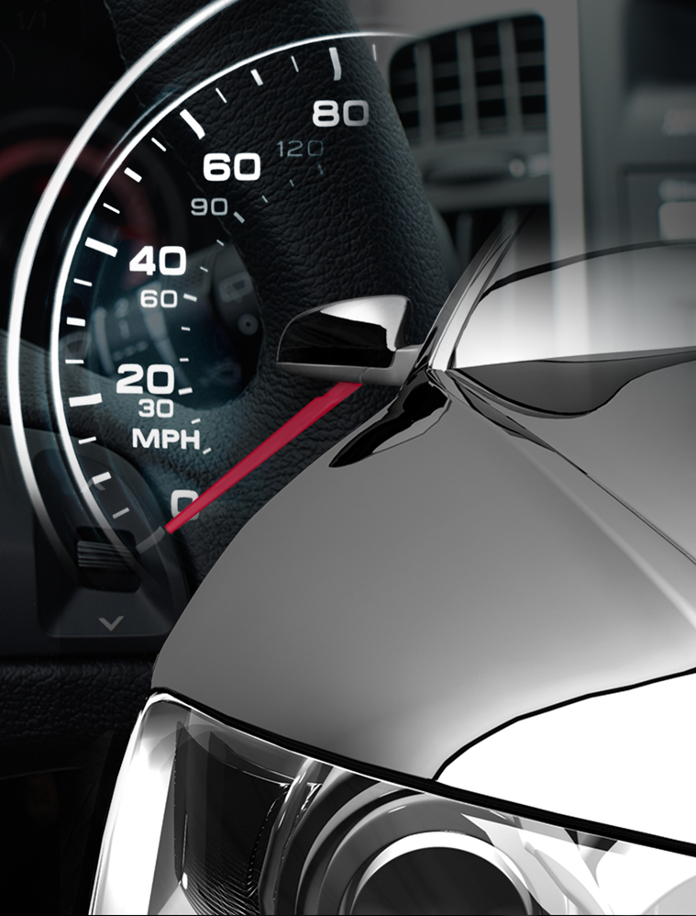

Vehicle Quality Survey
2018 Questionnaire

Introduction
Getting Started

IQS | APEAL
Exterior | Exterior
Driving Experience | Interior
Features/Controls/Displays (FCD) | Storage and Space
Audio/Communication/Entertainment/Navigation (ACEN) | Audio/Communication/Entertainment/Navigation (ACEN)
Seats | Seats
Heating, Ventilation, and Air Conditioning (HVAC) | Heating, Ventilation, and Air Conditioning (HVAC)
Interior | Driving Dynamics
Engine/Transmission | Engine/Transmission
Follow-Ups | Visibility and Safety
Severity Scale | Fuel Economy
OSAT | OSAT

Other Things
Your New Vehicle
Other Vehicle Considered
Your Previous Vehicle
About You
Conclusion

Authentication Page
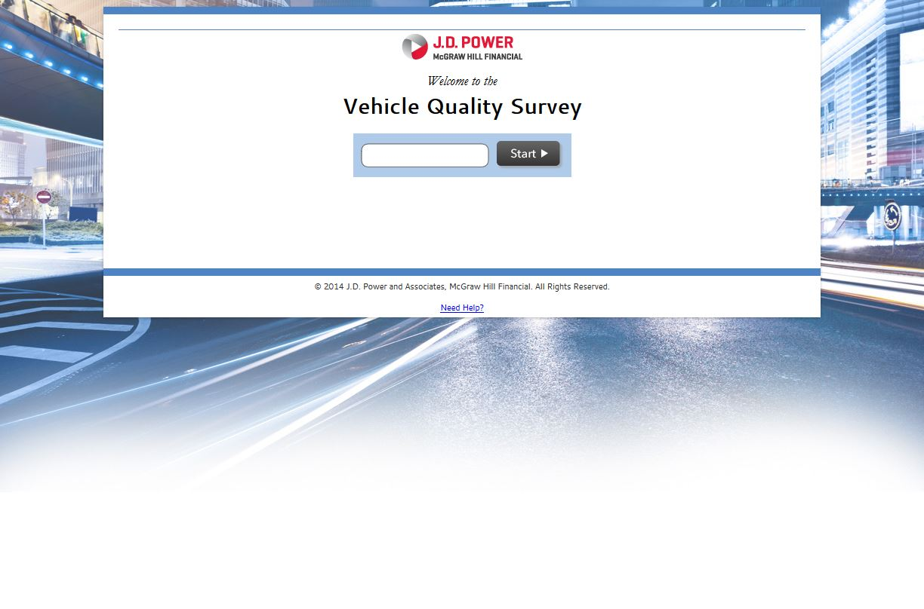
Vehicle Quality Survey
Authentication Page

