Sheet1
Figure 3.2 Global plastics use declined by more than 10 Mt in 2020, affecting almost all regions
Regional plastics use in 2020 compared to 2019 and the pre-COVID 2020 projection
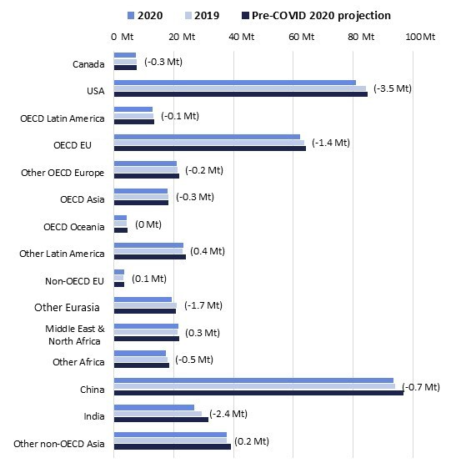

Note: The change in plastics use between 2019 and 2020 is indicated in brackets.
Source: OECD Global Plastics Outlook Database, Dellink et al. (2021[3]).

Region | 2020 | 2019 | pre-COVID 2020 projection | Absolute 2020 versus 2019
Canada | 7.25 | 7.54 | 7.64 | -0.29
USA | 80.79 | 84.31 | 84.95 | -3.52
OECD Latin America | 12.99 | 13.12 | 13.37 | -0.13
OECD EU | 62.24 | 63.67 | 64.14 | -1.43
Other OECD Europe | 21.15 | 21.37 | 21.91 | -0.22
OECD Asia | 17.86 | 18.21 | 18.31 | -0.35
OECD Oceania | 4.43 | 4.38 | 4.52 | 0.05
Other Latin America | 23.25 | 22.86 | 23.99 | 0.39
Non-OECD EU | 3.40 | 3.32 | 3.40 | 0.08
Other Eurasia | 19.21 | 20.95 | 20.72 | -1.74
Middle East & North Africa | 21.49 | 21.17 | 21.89 | 0.32
Other Africa | 17.36 | 17.85 | 18.41 | -0.49
China | 93.35 | 94.01 | 96.74 | -0.66
India | 26.90 | 29.33 | 31.49 | -2.43
Other non-OECD Asia | 37.87 | 37.64 | 39.16 | 0.23
World total | 449.53 | 459.75 | 470.66 | -10.21

