Equipment List
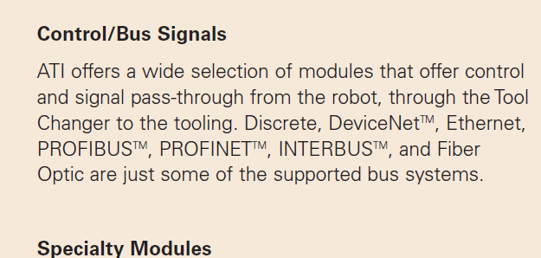
ID | Sensor | Model Number | Count | Description | Connection Type | cable head | Cable model
1 | Keyence Laser Scanner | LJ+AC0-V7000 | 2 | Line laser for scanning parts |  | RS 232 | ethernet
2 | ATI Toolchanger | QC+AC0-150 | 2 | Toolchanger for swapping flange+AC0-mounted tools
2.1 | ATI Sensor Interface Plate System | SIP | 2 | ATI Toolchanger package for sensing lock +ACY- unlock | PNP prox Switch | Prox to 24v hard wire | 24 V | DI
3 | Sunrise Instruments Load Cell | M4347D | 2 | Load Cell for sensing force |  |  | ethernet
3.1 | Sunrise Instruments Control Box | M8128 | 2 | Control box for load cell |  |  | ethernet
4 | NITRA Pneumatic Solenoid Valve | AVS+AC0-5322+AC0-24D | 4 | +ACI-1 for spindle air cooling |  | 11 mm DIN | 24v | DO
5 | NITRA Fluid Solenoid Valve | DVP+AC0-2CC1C+AC0-24D | 2 | 1 for spindle coolant line |  | 9.4 mm DIN | 24v | DO
6 | Hydraulic Valve | RPE3+AC0-063Z11+AC0-02400E1 | 2 | +ACI-1 for hydraulic clamp set A |  | 9.4 mm DIN | 24v | DO
7 | Gems Pressure Switch | 3600W40CPGG02E0 | 4 | +ACI-2 for hydraulic clamp set A |  | 9.4 mm DIN | 24v | Di
8 | Vevor Hydraulic Pump | ZZCXU0031361544148216 | 1 | Hydraulic power for sheet clamping frame |  | N/A | Foot powered?

Block Diagram
 |  |  |  |  |  |  | Workstation |  |  | PLC |  | KCR2 Controller

 |  |  |  |  |  |  | Switch

c

 |  | Distrubuted IO |  |  |  |  |  |  |  | Distrubuted IO

Outputs | Pneumatic Valve |  | Fluid Valve | Hydraulic Valve | Load Cells | keynce controller |  | Outputs | Pneumatic Valve |  | Fluid Valve | Hydraulic Valve | Load Cells | keynce controller

Inputs |  | Pressure Switch |  |  |  |  |  | Inputs
 |  |  |  |  |  |  |  |  |  | Pressure Switch
 | Cell 1 |  |  |  |  |  |  |  | Cell 2

