Circos Plot
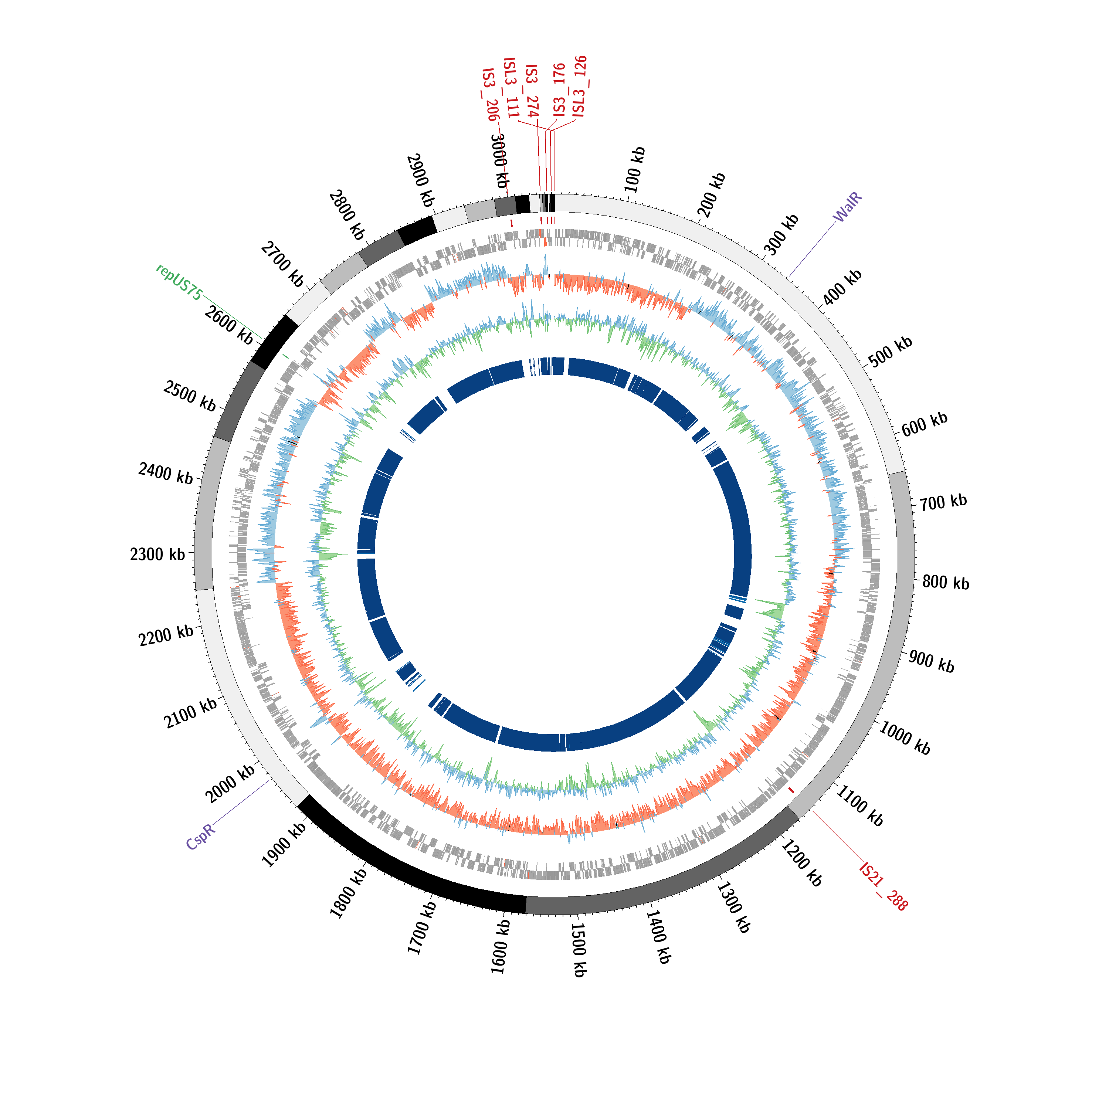
tools used: mummer2circos v1.4.2 & Circos v0.69-8

