Part2-BRDFmodel
...
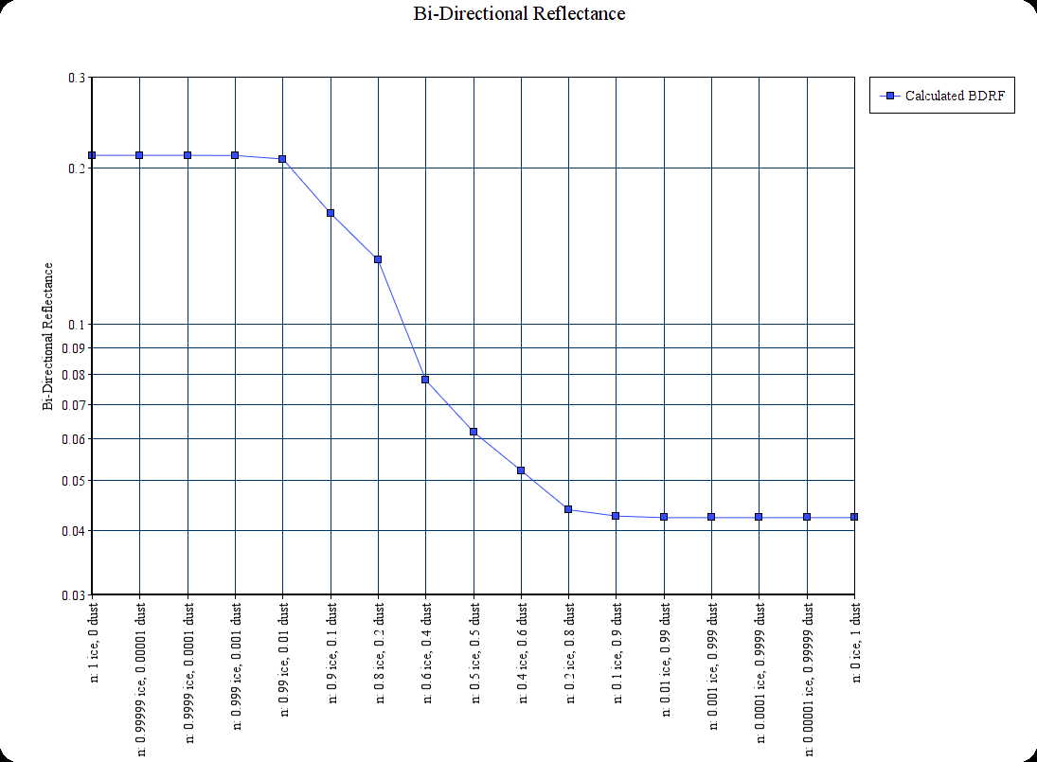
 | n: 0 ice, 1 dust
Amix762 | Q(Dust) | W(Dust) | A(Dust)
0.04230 | 2.50000 | 0.80000 | 0.04230
0.04230 | 2.50000 | 0.80000 | 0.04230 | Model Crater N | BDRF
0.04230 | 2.50000 | 0.80000 | 0.04230 | 0.00130 | 0.2116365793
0.04230 | 2.50000 | 0.80000 | 0.04230 | 0.00169 | 0.2115330967
0.04230 | 2.50000 | 0.80000 | 0.04230 | 0.00202 | 0.21143850598
0.04230 | 2.50000 | 0.80000 | 0.04230 | 0.00233 | 0.21134481412
0.04230 | 2.50000 | 0.80000 | 0.04230 | 0.00281 | 0.21119211963
0.04230 | 2.50000 | 0.80000 | 0.04230 | 0.00289 | 0.21116589014
0.04230 | 2.50000 | 0.80000 | 0.04230 | 0.00570 | 0.2113623011
0.04230 | 2.50000 | 0.80000 | 0.04230
0.04230 | 2.50000 | 0.80000 | 0.04230
0.04230 | 2.50000 | 0.80000 | 0.04230
0.04230 | 2.50000 | 0.80000 | 0.04230
0.04230 | 2.50000 | 0.80000 | 0.04230
0.04230 | 2.50000 | 0.80000 | 0.04230
0.04230 | 2.50000 | 0.80000 | 0.04230
0.04230 | 2.50000 | 0.80000 | 0.04230
0.04230 | 2.50000 | 0.80000 | 0.04230
0.04230 | 2.50000 | 0.80000 | 0.04230
0.04230 | 2.50000 | 0.80000 | 0.04230
0.04230 | 2.50000 | 0.80000 | 0.04230
0.04230 | 2.50000 | 0.80000 | 0.04230
0.04230 | 2.50000 | 0.80000 | 0.04230
0.04230 | 2.50000 | 0.80000 | 0.04230
0.04230 | 2.50000 | 0.80000 | 0.04230
0.04230 | 2.50000 | 0.80000 | 0.04230
0.04230 | 2.50000 | 0.80000 | 0.04230
0.04230 | 2.50000 | 0.80000 | 0.04230
0.04230 | 2.50000 | 0.80000 | 0.04230
0.04230 | 2.50000 | 0.80000 | 0.04230
0.04230 | 2.50000 | 0.80000 | 0.04230
0.04230 | 2.50000 | 0.80000 | 0.04230
0.04230 | 2.50000 | 0.80000 | 0.04230
0.04230 | 2.50000 | 0.80000 | 0.04230
0.04230 | 2.50000 | 0.80000 | 0.04230
0.04230 | 2.50000 | 0.80000 | 0.04230
0.04230 | 2.50000 | 0.80000 | 0.04230
0.04230 | 2.50000 | 0.80000 | 0.04230
0.04230 | 2.50000 | 0.80000 | 0.04230
0.04230 | 2.50000 | 0.80000 | 0.04230
0.04230 | 2.50000 | 0.80000 | 0.04230
0.19966 |  |  | 0.19966
-0.80034 |  |  | -0.80034
...

