Vehicle List
Toyota PEVS Memory Game — Vehicle Catalogue
Client-editable template. Update existing rows or add new vehicles below; the game randomly selects eight completed vehicles per session.
Fields marked * are required. Use the Field Guide tab before submitting the completed sheet.
Vehicle ID* | Display Name* | Full Name* | Powertrain Type* | Badge / Highlight* | Image Filename* | Accent Text* | Client Notes | Status
bz4x | bZ4X | Toyota bZ4X | Battery EV (BEV) | 100% Electric | bz4x.jpg | Beyond Zero |  | Ready
rav4 | RAV4 Hybrid | Toyota RAV4 HEV | Hybrid EV (HEV) | e-Four AWD | rav4.jpg | Electrified SUV |  | Ready
camry | Camry Hybrid | Toyota Camry HEV | Hybrid EV (HEV) | Executive HEV | camry.jpg | Luxury Sedan |  | Ready
corolla_cross | Corolla Cross | Toyota Corolla Cross HEV | Hybrid EV (HEV) | Urban Crossover | corolla_cross.jpg | Smart Mobility |  | Ready
prius | Prius Hybrid | Toyota Prius HEV | Hybrid EV (HEV) | Aero Efficiency | prius.jpg | Hybrid Pioneer |  | Ready
yaris_cross | Yaris Cross | Toyota Yaris Cross HEV | Hybrid EV (HEV) | Compact HEV | yaris_cross.jpg | Urban Agility |  | Ready
zenix | Innova Zenix | Toyota Innova Zenix HEV | Hybrid EV (HEV) | 7-Seater Premium | zenix.jpg | Family EV Tech |  | Ready
ravx | RAV-X Concept | Toyota RAV-X EV Concept | Concept EV (PHEV) | Rally EV Concept | ravx.jpg | Future Off-Road |  | Ready
 |  |  |  |  |  |  |  | Needs Review
 |  |  |  |  |  |  |  | Needs Review
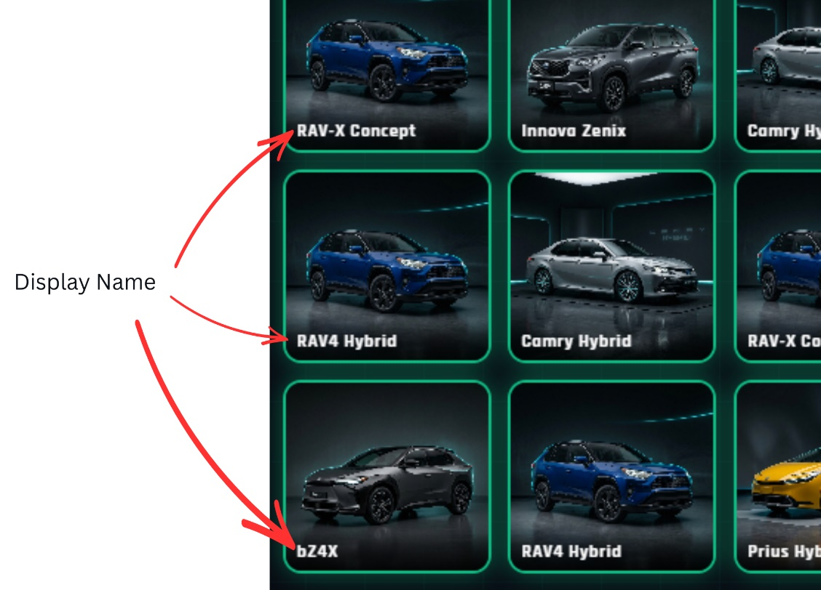
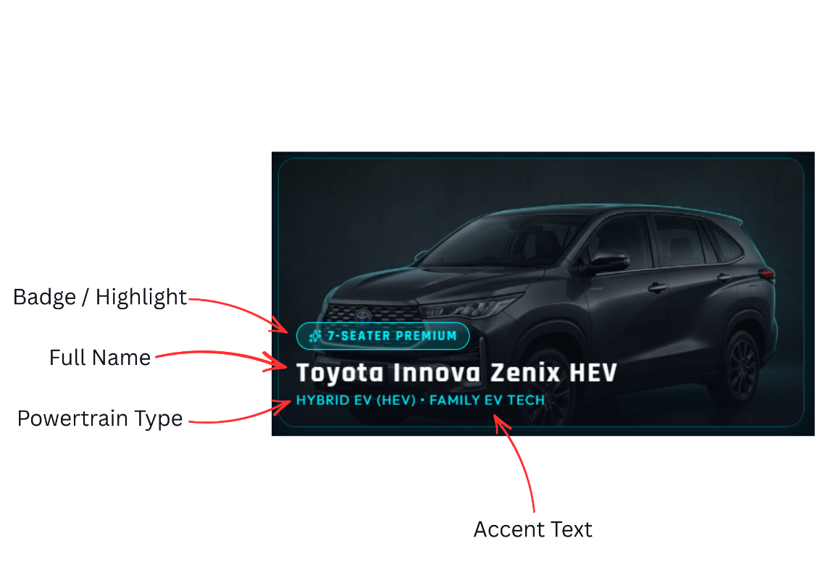
 |  |  |  |  |  |  |  | Needs Review
 |  |  |  |  |  |  |  | Needs Review
 |  |  |  |  |  |  |  | Needs Review
 |  |  |  |  |  |  |  | Needs Review
 |  |  |  |  |  |  |  | Needs Review
 |  |  |  |  |  |  |  | Needs Review
 |  |  |  |  |  |  |  | Needs Review
 |  |  |  |  |  |  |  | Needs Review
 |  |  |  |  |  |  |  | Needs Review
 |  |  |  |  |  |  |  | Needs Review
 |  |  |  |  |  |  |  | Needs Review
 |  |  |  |  |  |  |  | Needs Review
 |  |  |  |  |  |  |  | Needs Review
 |  |  |  |  |  |  |  | Needs Review

Tip: Keep each Vehicle ID unique. Use lowercase letters, numbers, and underscores only (for example: corolla_cross).

