Vehicle List
Toyota PEVS Memory Game — Vehicle Catalogue
Client-editable template. Update existing rows or add new vehicles below; the game randomly selects eight completed vehicles per session.
Fields marked * are required. Use the Field Guide tab before submitting the completed sheet.
Vehicle ID* | Display Name* | Full Name* | Powertrain Type* | Badge / Highlight* | Image Filename* | Accent Text* | Client Notes | Status
bZ4X | bZ4X | Toyota bZ4X BEV | Battery EV (BEV) | 570* km range | New Kind of Power | BZ4X-3.jpg | Beyond Zero |  | Ready
Hilux | Hilux BEV | Toyota Hilux BEV | Battery EV (BEV) | 315* km range | HILUX BEV.jpg | Beyond Zero |  | Ready
Zenix | Zenix HEV | Toyota Innova Zenix HEV | Hybrid EV (HEV) | 21.3 km/Lge | Electrified Family Vehicle | INNOVA_MAGH10L-BPXHBM-3.jpg | Beyond Zero |  | Ready
Corolla Cross | Corolla Cross HEV | Toyota Corolla Cross HEV | Hybrid EV (HEV) | 24.1 km/Lge | Cross Power with Style | corolLa cross-3.jpg | Beyond Zero |  | Ready
Alphard | Alphard HEV | Toyota Alphard HEV | Hybrid EV (HEV) | Uncompromised Luxury. Electrified | Alphard_2023-6.jpg | Beyond Zero |  | Ready
ATIV | ATIV HEV | Toyota ATIV HEV | Hybrid EV (HEV) | 26.3 km/Lge | For the Elevative You | Vios Ativ Hybrid_3.jpg | Beyond Zero |  | Ready
Land Cruiser | Land Cruiser HEV | Toyota Land Cruiser HEV | Hybrid EV (HEV) | Legendary Breed of Hybrid | LC300.jpeg | Beyond Zero |  | Ready
Yaris Cross | Yaris Cross HEV | Toyota Yaris Cross HEV | Hybrid EV (HEV) | 27.8 km/Lge | Electrify Your Passions | Yaris Cross Printshoot-03 (1).jpg | Beyond Zero |  | Ready
 |  |  |  |  |  |  |  | Needs Review
 |  |  |  |  |  |  |  | Needs Review
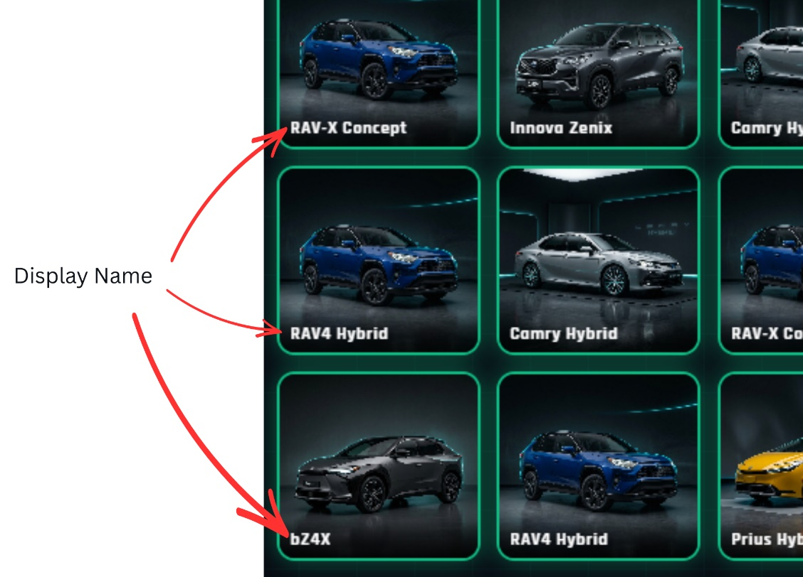
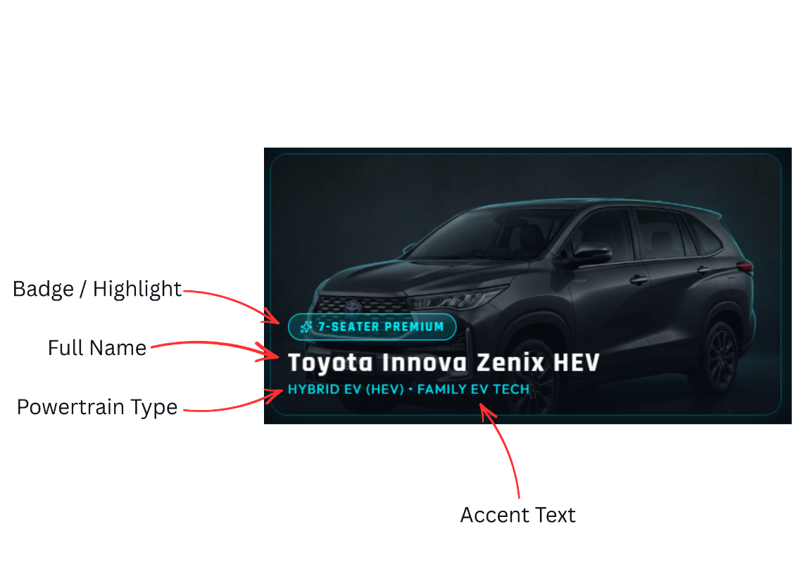
 |  |  |  |  |  |  |  | Needs Review
 |  |  |  |  |  |  |  | Needs Review
 |  |  |  |  |  |  |  | Needs Review
 |  |  |  |  |  |  |  | Needs Review
 |  |  |  |  |  |  |  | Needs Review
 |  |  |  |  |  |  |  | Needs Review
 |  |  |  |  |  |  |  | Needs Review
 |  |  |  |  |  |  |  | Needs Review
 |  |  |  |  |  |  |  | Needs Review
 |  |  |  |  |  |  |  | Needs Review
 |  |  |  |  |  |  |  | Needs Review
 |  |  |  |  |  |  |  | Needs Review
 |  |  |  |  |  |  |  | Needs Review
 |  |  |  |  |  |  |  | Needs Review

Tip: Keep each Vehicle ID unique. Use lowercase letters, numbers, and underscores only (for example: corolla_cross).

