upload_file
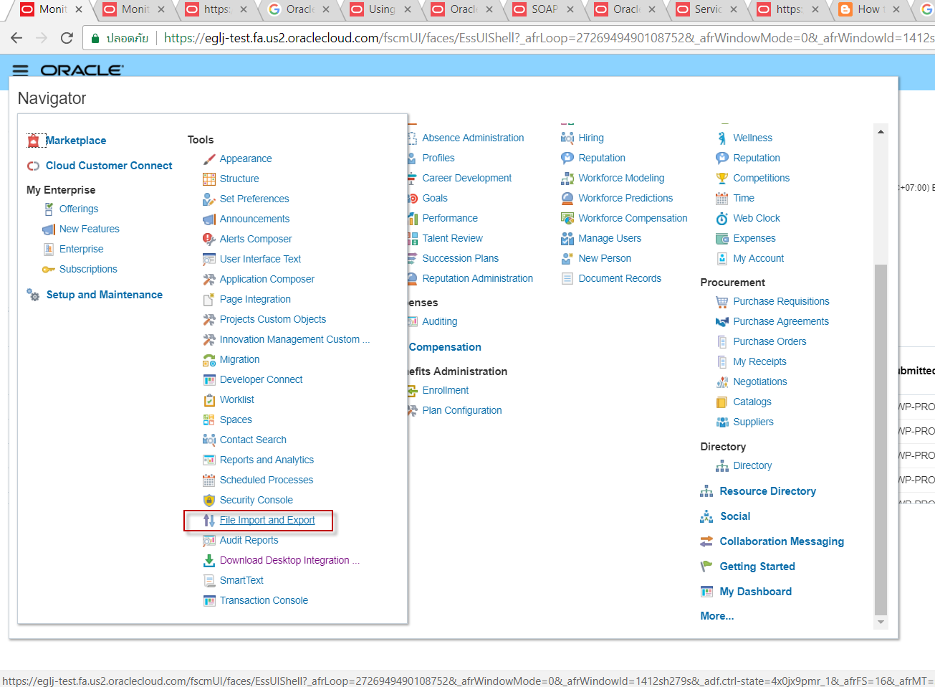
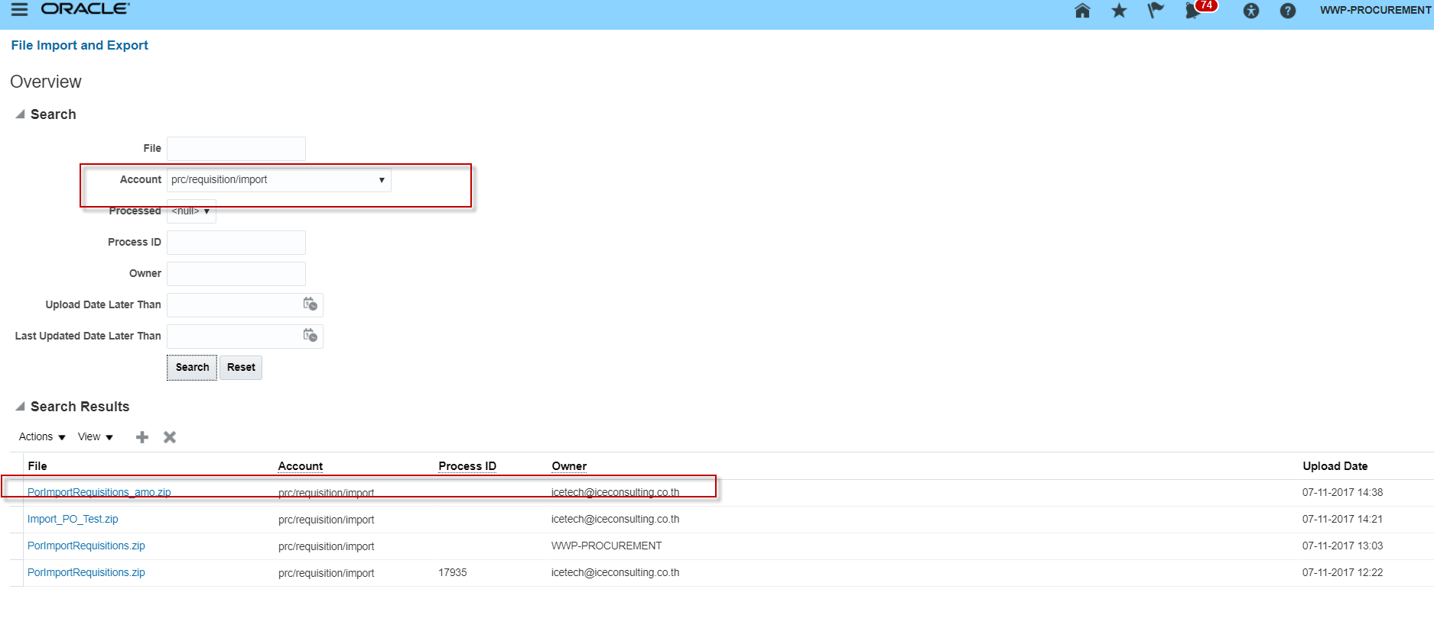
STEP 1 | UPLOAD FILE

 | WSDL : https:// eglj-test.fa.us2.oraclecloud.com:443/fndAppCoreServices/FndManageImportExportFilesService?WSDL

ทดสอบ Webservice

1 | แปลงชื่อ file เป็น context เนื่องจากเป็น 1 ใน Parameter ที่ต้องใส่

 | http://www.motobit.com/util/base64-decoder-encoder.asp
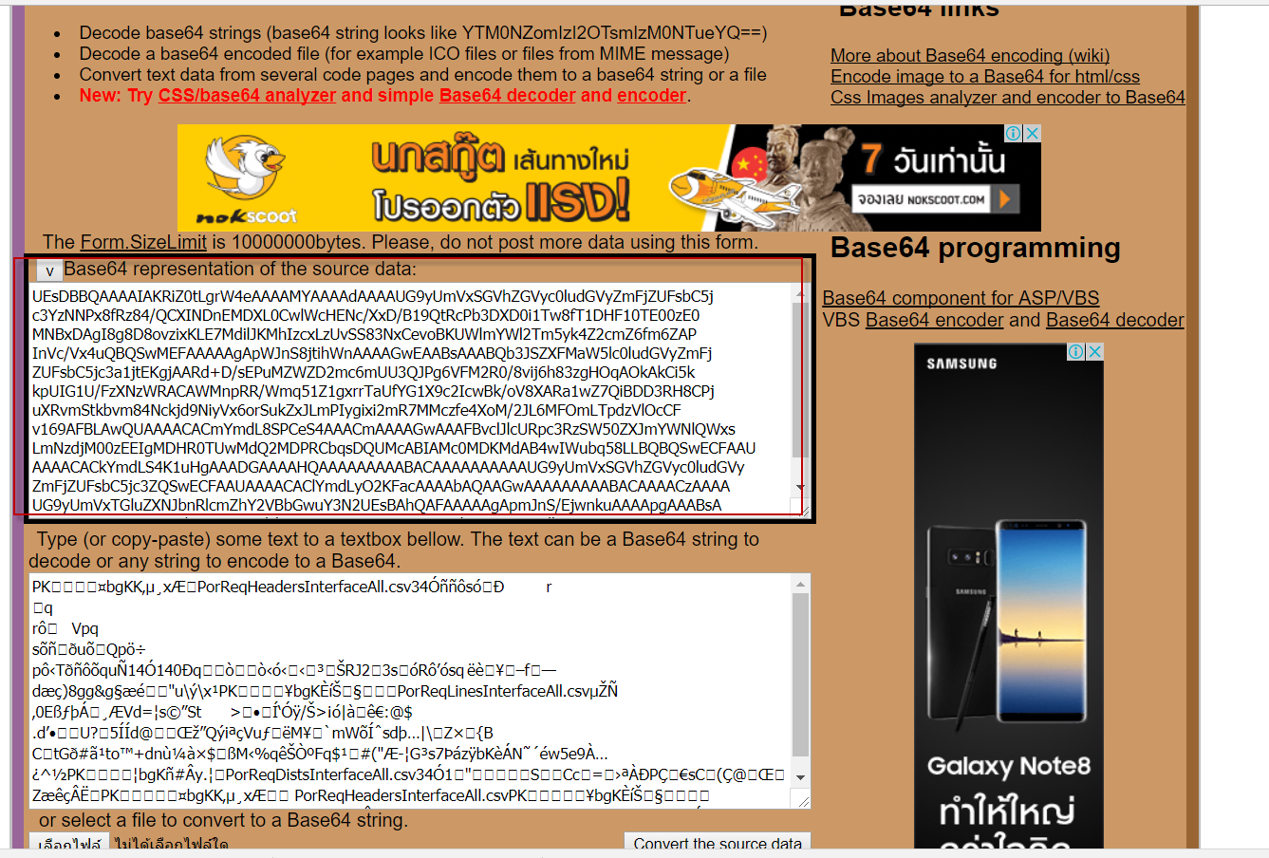

2 | นำ Context ที่แปลงมาได้มาแปะที่ Webservice

 | <soapenv:Envelope xmlns:soapenv="http://schemas.xmlsoap.org/soap/envelope/" xmlns:typ="http://xmlns.oracle.com/oracle/apps/fnd/applcore/webservices/types/" xmlns:web="http://xmlns.oracle.com/oracle/apps/fnd/applcore/webservices/">
 | <soapenv:Header/>
 | <soapenv:Body>
 | <typ:uploadFiletoUCM>
 | <typ:document>
 | <!--Optional:-->
 | <web:fileName>PorImportRequisitions_amo.zip</web:fileName>
 | <!--Optional:-->
 | <web:contentType>application/zip</web:contentType>
 | <!--Optional:-->
 | <web:content>UEsDBBQAAAAIAKRiZ0tLgrW4eAAAAMYAAAAdAAAAUG9yUmVxSGVhZGVyc0ludGVyZmFjZUFsbC5j
 | c3YzNNPx8fRz84/QCXINDnEMDXL0CwlWcHENc/XxD/B19QtRcPb3DXD0i1Tw8fT1DHF10TE00zE0
 | MNBxDAgI8g8D8ovzixKLE7MdilJKMhIzcxLzUvSS83NxCevoBKUWlmYWl2Tm5yk4Z2cmZ6fm6ZAP
 | InVc/Vx4uQBQSwMEFAAAAAgApWJnS8jtihWnAAAAGwEAABsAAABQb3JSZXFMaW5lc0ludGVyZmFj
 | ZUFsbC5jc3a1jtEKgjAARd+D/sEPuMZWZD2mc6mUU3QJPg6VFM2R0/8vij6h83zgHOqAOkAkCi5k
 | kpUIG1U/FzXNzWRACAWMnpRR/Wmq51Z1gxrrTaUfYG1X9c2IcwBk/oV8XARa1wZ7QiBDD3RH8CPj
 | uXRvmStkbvm84Nckjd9NiyVx6orSukZxJLmPIygixi2mR7MMczfe4XoM/2JL6MFOmLTpdzVlOcCF
 | v169AFBLAwQUAAAACACmYmdL8SPCeS4AAACmAAAAGwAAAFBvclJlcURpc3RzSW50ZXJmYWNlQWxs
 | LmNzdjM00zEEIgMDHR0TUwMdQ2MDPRCbqsDQUMcABIAMc0MDKMdAB4wIWubq58LLBQBQSwECFAAU
 | AAAACACkYmdLS4K1uHgAAADGAAAAHQAAAAAAAAABACAAAAAAAAAAUG9yUmVxSGVhZGVyc0ludGVy
 | ZmFjZUFsbC5jc3ZQSwECFAAUAAAACAClYmdLyO2KFacAAAAbAQAAGwAAAAAAAAABACAAAACzAAAA
 | UG9yUmVxTGluZXNJbnRlcmZhY2VBbGwuY3N2UEsBAhQAFAAAAAgApmJnS/EjwnkuAAAApgAAABsA
 | AAAAAAAAAQAgAAAAkwEAAFBvclJlcURpc3RzSW50ZXJmYWNlQWxsLmNzdlBLBQYAAAAAAwADAN0A
 | AAD6AQAAAAA=
 | </web:content>
 | <!--Optional:-->
 | <web:documentAccount>prc$/requisition$/import$</web:documentAccount>
 | <!--Optional:-->
 | <web:documentTitle>amo_test_load</web:documentTitle>
 | </typ:document>
 | </typ:uploadFiletoUCM>
 | </soapenv:Body>
 | </soapenv:Envelope>

3 | ทดสอบ Run

 | จะได้ File ID ออกมา

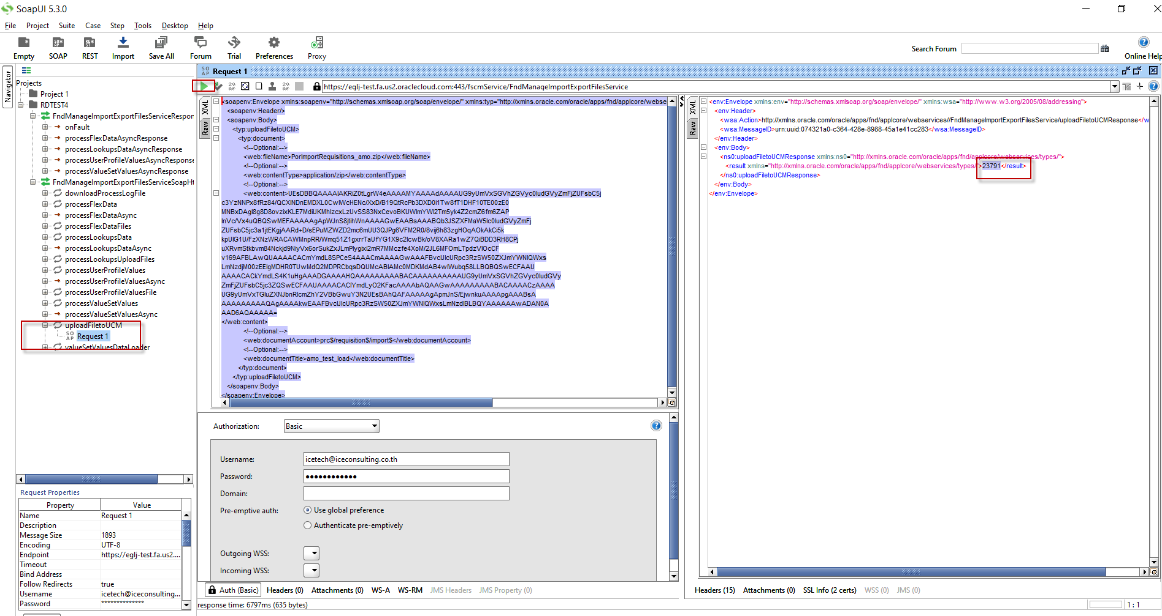

4 | ตรวจดูใน Cloud

