PO
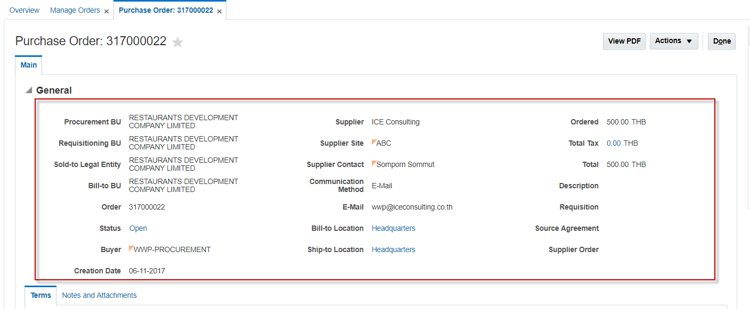
PO HEADER

ATTRIBUTE CATEGORY
ALL ATTRIBUTE
CREATION DATE
LAST UPDATE DATE

PO LINE

attribute_category
all attribute
last update date
creation date

attribute_category
all attribute
last update date
creation date

