P6-3 CIDR
Note: Formulas are provided in cells c3:e3 to calculate the required values.
 | Network/prefix | Subnet mask* | Host bits | Number of hosts
1 | 172.16.1.0/24 | 255.255.255.0 | 8 | 254
2 | 10.1.100.128/26
3 | 10.1.96.0/19
4 | 192.168.1.0/24
5 | 172.31.0.0/16
6 | 10.255.255.252/30
7 | 172.28.240.0/20
8 | 10.44.108.0/22
9 | 192.168.100.24/21
10 | 172.23.64.0/18
11 | 192.168.5.128/25

 | Ref: for removing prefix from column B string: | https://www.automateexcel.com/formulas/extract-text-before-after-character/

 | Ref: for subnet masks: | https://www.calculator.net/ip-subnet-calculator.html

 | Lookup subnet mask based on prefix
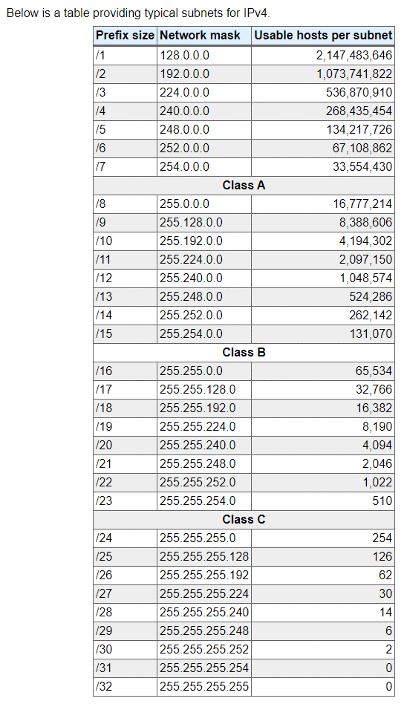
 |  |  |  | Subnet Masks come from the Lookup Table below
 |  |  |  | Prefix size | Network mask | Usable hosts per subnet
 |  |  |  | /1 | 128.0.0.0 | 2,147,483,646
 |  |  |  | /2 | 192.0.0.0 | 1,073,741,822
 |  |  |  | /3 | 224.0.0.0 | 536,870,910
 |  |  |  | /4 | 240.0.0.0 | 268,435,454
 |  |  |  | /5 | 248.0.0.0 | 134,217,726
 |  |  |  | /6 | 252.0.0.0 | 67,108,862
 |  |  |  | /7 | 254.0.0.0 | 33,554,430
 |  |  |  | /8 | 255.0.0.0 | 16,777,214
 |  |  |  | /9 | 255.128.0.0 | 8,388,606
 |  |  |  | /10 | 255.192.0.0 | 4,194,302
 |  |  |  | /11 | 255.224.0.0 | 2,097,150
 |  |  |  | /12 | 255.240.0.0 | 1,048,574
 |  |  |  | /13 | 255.248.0.0 | 524,286
 |  |  |  | /14 | 255.252.0.0 | 262,142
 |  |  |  | /15 | 255.254.0.0 | 131,070
 |  |  |  | /16 | 255.255.0.0 | 65,534
 |  |  |  | /17 | 255.255.128.0 | 32,766
 |  |  |  | /18 | 255.255.192.0 | 16,382
 |  |  |  | /19 | 255.255.224.0 | 8,190
 |  |  |  | /20 | 255.255.240.0 | 4,094
 |  |  |  | /21 | 255.255.248.0 | 2,046
 |  |  |  | /22 | 255.255.252.0 | 1,022
 |  |  |  | /23 | 255.255.254.0 | 510
 |  |  |  | /24 | 255.255.255.0 | 254
 |  |  |  | /25 | 255.255.255.128 | 126
 |  |  |  | /26 | 255.255.255.192 | 62
 |  |  |  | /27 | 255.255.255.224 | 30
 |  |  |  | /28 | 255.255.255.240 | 14
 |  |  |  | /29 | 255.255.255.248 | 6
 |  |  |  | /30 | 255.255.255.252 | 2
 |  |  |  | /31 | 255.255.255.254 | 0
 |  |  |  | /32 | 255.255.255.255 | 0

