ThreeWarehouses
3D Maps Tours This workbook has 3D Maps tours available. Open 3D Maps to edit or play the tours.
City | Latitude-Store | Longitude-Store | Number of Shipments | Distance to 1 | Distance to 2 | Distance to 3 | Min Distance | Dist*Shipped | Total distance of all shipments | Mean distance per shipment | Latitude-Warehouse | Longitude-Warehouse | Warehouse Location
New York | 40.7 | -73.9 | 15 | 0.0 | 904.4 | 3054.9 | 0.0 | 0.1 | 94804 | 391 | 41 | -74 | 40.6999446224356, -73.9000233964294
Boston | 42.3 | -71 | 8 | 228.5 | 1127.9 | 3268.7 | 228.5 | 1828.3 |  |  | 37 | -87 | 37.2346593663196, -86.5415704358027
Philadelphia | 40 | -75.1 | 10 | 95.9 | 812.2 | 2966.7 | 95.9 | 958.5 |  |  | 35 | -118 | 34.9235462370999, -117.794905510207
Charlotte | 35.2 | -80.8 | 6 | 608.8 | 420.3 | 2552.7 | 420.3 | 2521.9
Atlanta | 33.8 | -84.4 | 11 | 866.9 | 279.3 | 2305.6 | 279.3 | 3072.1
New Orleans | 30 | -89.9 | 8 | 1328.1 | 550.4 | 1954.5 | 550.4 | 4402.8
Miami | 25.8 | -80.2 | 13 | 1116.2 | 902.2 | 2669.3 | 902.2 | 11728.7
Dallas | 32.8 | -96.8 | 10 | 1671.5 | 771.1 | 1456.0 | 771.1 | 7711.4
Houston | 29.8 | -95.4 | 12 | 1663.3 | 798.0 | 1585.2 | 798.0 | 9575.7
Chicago | 41.8 | -87.7 | 14 | 955.2 | 325.0 | 2130.1 | 325.0 | 4549.9
Detroit | 42.4 | -83.1 | 11 | 645.5 | 428.3 | 2448.9 | 428.3 | 4711.0
Cleveland | 41.5 | -81.7 | 8 | 541.0 | 445.2 | 2531.5 | 445.2 | 3561.7
Indy | 39.8 | -86.1 | 7 | 844.1 | 179.6 | 2212.7 | 179.6 | 1257.3
Denver | 39.8 | -104.9 | 8 | 2139.9 | 1279.0 | 951.2 | 951.2 | 7610.0
Minneapolis | 45 | -93.3 | 9 | 1371.1 | 710.3 | 1827.6 | 710.3 | 6392.9
Phoenix | 33.5 | -112.1 | 11 | 2682.2 | 1782.3 | 405.0 | 405.0 | 4455.4
Salt Lake City | 40.8 | -111.9 | 10 | 2622.0 | 1766.9 | 574.3 | 574.3 | 5743.3
LA | 34.1 | -118.4 | 18 | 3104.1 | 2208.8 | 70.5 | 70.5 | 1269.3
SF | 37.8 | -122.6 | 12 | 3366.3 | 2488.3 | 386.4 | 386.4 | 4637.0
SD | 32.8 | -117.1 | 10 | 3030.2 | 2130.6 | 154.2 | 154.2 | 1541.7
Seattle | 41.6 | -122.4 | 13 | 3347.1 | 2492.5 | 559.6 | 559.6 | 7275.2

Additional Questions
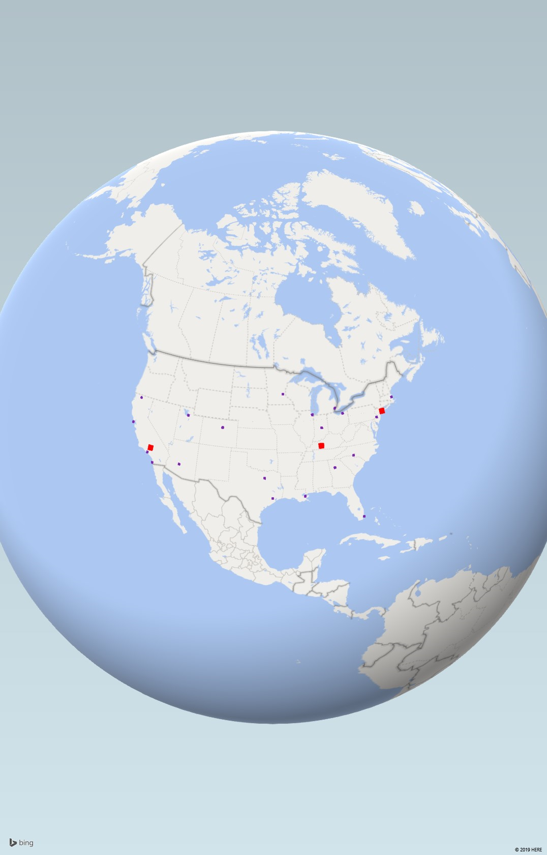
Additional Questions:
What happens to warehouse locations if the Number of Shipments is changed? (Example, set Houston shipments to a large number, like 99)

below is the 'Capture Screen' option, performed in 3D Maps.

