IsBlank
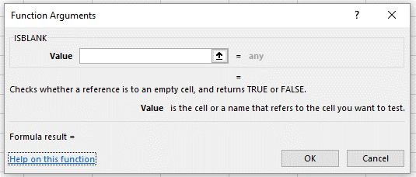
A cell that appears blank may contain data.
Use the isblank() function to determine which cells in the range A5:A11 are truly blank.

Data | IsBlank()?

0

1
~
|

Codes
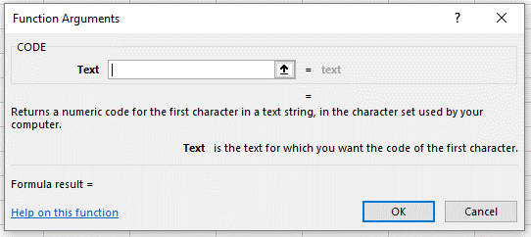
A cell that appears blank may contain data.
Use the Code() function to determine the ASCII Code of the data in each cell in the range A5:A11.

Data | IsBlank()? | Code()?

0

1
~
|

