ReadMe
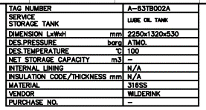
This spreadsheet maps the DRAFT version of AkerBP ENS tag type list (NOA + F) and TR0052 for Johan Sverdrup

Last Revised: | 24-Jun-21
Mappings are not confirmed, they are best guess based on definitions provided.
To add updates use the Review feature of MS Excel with the 'New Comment' function.

Use of the Defining Attribute(s) column:
 | Use this column to define attributes that can uniquely defined the relationship between: * tag type and symbol * dexpi / idPCS and tag type where there is a 1-many relationship in the mapping This field should also be used to define attributes that are used to define the symbol e.g. symbol labelling attributes.
 |  | Equipment Box Examples
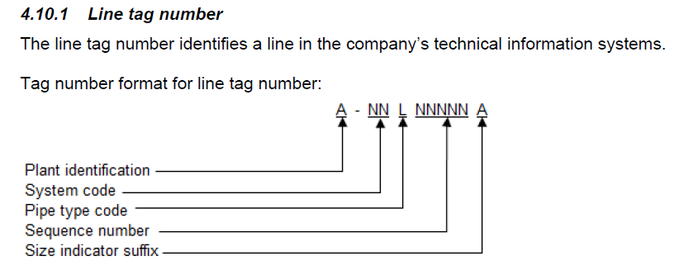
 |  |  | C151-AS-ER260-XB-00151-02 |  | C151-AS-ER260-XB-00152-03_04
 |  |  |  |  |  | 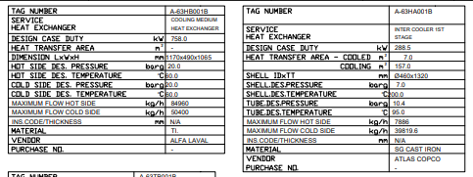

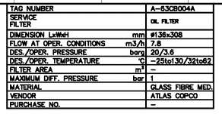
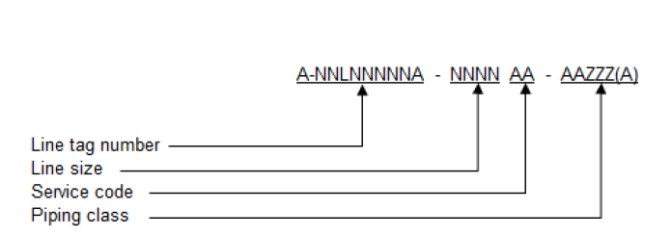
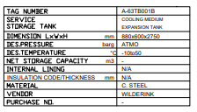
 |  |  |  | 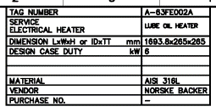
 |  |  |  |  |  |  | 