SepProcess
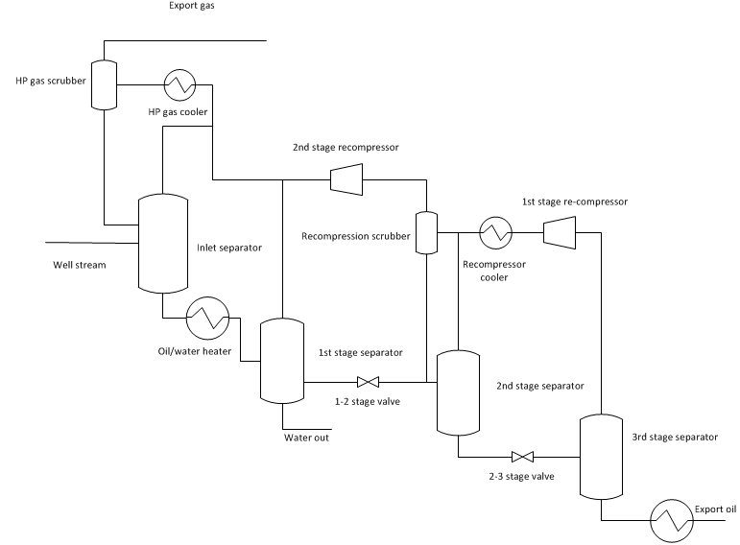
Oil/gas separation process

Well stream |  |  | Output
Fluid |  |  | Select unit
Production rate | 5 | MSm^3/day | Export gas | Sm^3/day
Pressure | 55 | bara | Export oil | m^3/hr
Temperature | 50 | °C | 1st stage recompressor | W
 |  |  | 2nd stage recompressor | W
 |  |  | Recompressor cooler | W
 |  |  | HP gas cooler | W
Process conditions |  |  | Oil/water heater | W
Export gas temperature | 30 | °C | Export oil cooler | W
Oil heater exit temperature | 60 | °C
Second stage pressure | 15 | bara | System design
Second stage after cooler T | 25 | °C | Number of Modules
Third stage pressure | 1.5 | bara | Foot print | m^2
Oil export temperature | 25 | °C | Volume | m^3
 |  |  | Weight | kg
Convergence tolerance | 1.00E-02 | mole fractions | CAPEX | EUR
Compressor efficiencty | 80 | % (adibatic)

 | Status

DewPointControl
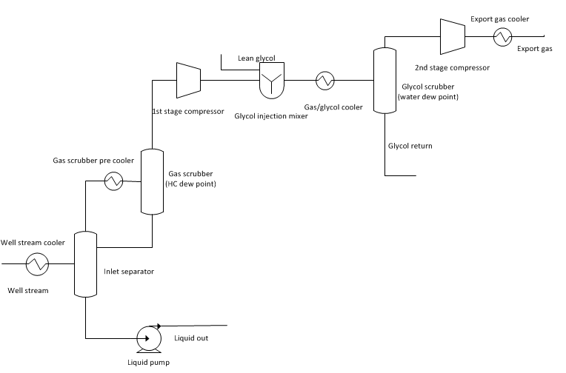
Dew Point control process

Well stream |  |  | Output
Fluid |  |  | Select unit
Production rate | 5 | MSm^3/day | Export gas | Sm^3/day
Pressure | 55 | bara | Export oil | m^3/hr
Temperature | 50 | °C | 1st stage recompressor | W
 |  |  | 2nd stage recompressor | W
 |  |  | Gas scrubber pre cooler | W
 |  |  | Glycol scrubber pre cooler | W
Process conditions |  |  | Export gas cooler | W
Inlet separation temperature | 40 | °C | Well stream cooler | W
Inlet gas scrubber temperature | 30 | °C | Water in export gas | ppm (mole)
Glycol scrubber temperature | 20 | °C | Liquid pump power | W
First stage pressure | 110 | bara
Oil/water pump pressure | 150 | bara
Gas export temperature | 60 | °C
Gas export pressure | 200 | bara
Glycol type
Glycol rate | 5 | m3/hr
Lean glycol concentration | 99 | wt%
Lean glycol temperature | 20 | °C
Convergence tolerance | 1.00E-02 | mole fractions
Compressor efficiencty | 80 | % (adibatic)

 | Status

