Sheet1
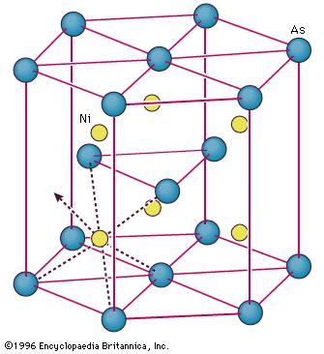
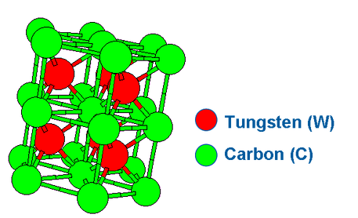
Structure | Structure | Examples | Pearson | Space Group | Space Group # |  | ionic/covalent | >=10 | 3D structure
ClNa | NaCl | 298 | cF8 | Fm-3m | 225 | rocksalt | 1 | 1 | 1
ClCs | CsCl | 281 | cP2 | Pm-3m | 221 | Cesium chloride | 1 | 1 | 1
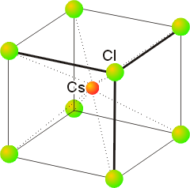
BCr | CrB | 116 | oC8 | Cmcm | 63 | Bf
AuCu | AuCu | 73 | tP4 | P4/mmm | 123 | L10
AsNi | NiAs | 71 | hP4 | P63mc | 194 |  | 1 | 1 | 1
BFe | FeB | 70 | oP8 | P6/mmm | 191
CrFe | CrFe | 45 | tP30 | I4/mmm | 139
SZn | ZnS | 41 | cF8 | F-43m | 216 | Zincblende | 1 | 1 | 1
MnP | MnP | 31 | oP8 | pnma | 62 |  | 1 | 1 | 1
SZn | ZnS | 28 | hP4 | P63mc | 186 | Wurtzite | 1 | 1 | 1
FeSi | FeSi | 25 | cP8 | P213 | 198 | B20 | 1 | 1
CW | WC | 14 | hP2 | P-6m2 | 187 |  | 1 | 1 | 1
AlDy | AlDy | 12 | oP16 | Fd-3m | 227
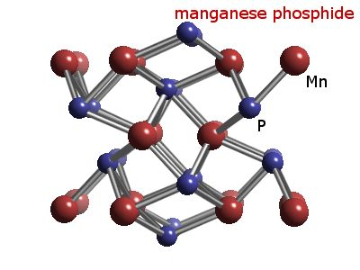
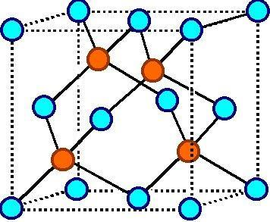
AuCd | AuCd | 12 | oP4 | P63mc | 185
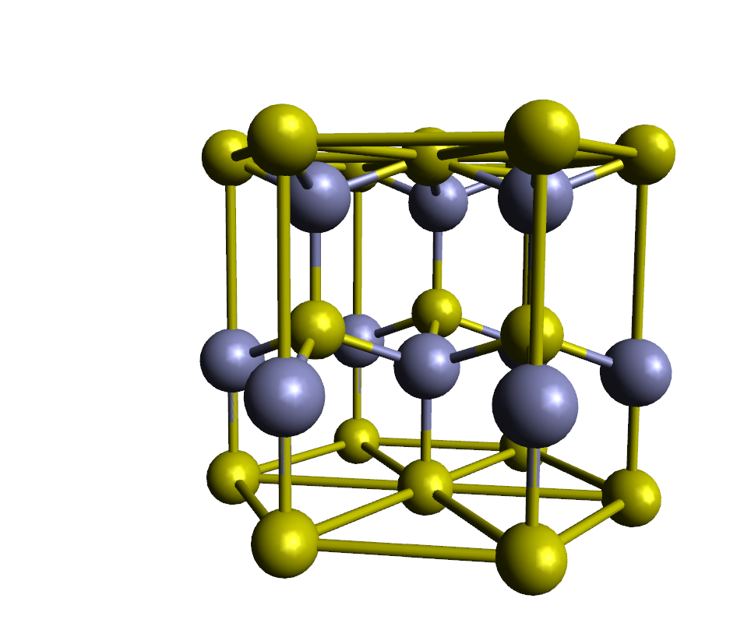
CuTi | CuTi | 12 | tP4 | N/A | N/A
NaTl | NaTl | 12 | cF16 | C2221 | 20
GeS | GeS | 10 | oP8 | I-42d | 122 |  | 1 | 1
AsTi | TiAs | 8 | hP8 | F-43m | 216 | Repeated | 1
HgNa | HgNa | 8 | oC16 | Cmcm | 63 | Repeated
NaO | NaO | 8 | hP12 | Pnnm | 58 |  | 1
NaPb | NaPb | 8 | tI64 | Pm-3m | 221 | Repeated
NaP | NaP | 7 | oP16 | P212121 | 19 |  | 1
GeK | KGe | 6 | cP64 | P-43n | 218 |  | 1
CoSn | CoSn | 5 | hP6 | I4/ncm | 140
OPb | PbO | 5 | tP4 | P4/nmm | 129 |  | 1
AsNb | NbAs | 4 | tI8 | I41md | 109 |  | 1
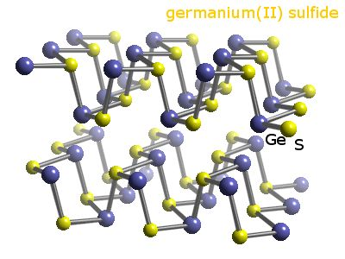
ScTl | ScTl | 3 | tI16 | N/A | N/A
HgIn | HgIn | 1 | hR2 | R-3m | 166
PtS | PtS | 1 | tP4 | P42/mmc | 131

 |  |  |  |  |  |  | 15 | 9

