Carrier_Comparison
Carrier | Count | Mean Delay | Median Delay | Std Dev | Min | Max | AA ARR_DELAY | B6 ARR_DELAY | DL ARR_DELAY | NK ARR_DELAY | UA ARR_DELAY | WN ARR_DELAY
AA | 36 | -2.4 | -10.0 | 21.9 | -30.0 | 60.0 | -3 | -9 | -15 | -15 | -28 | -15
B6 | 36 | 11.3 | -4.5 | 62.3 | -56.0 | 257.0 | -30 | 8 | -16 | 7 | 110 | -12
DL | 44 | 8.2 | -5.5 | 42.0 | -42.0 | 194.0 | -1 | -4 | 87 | -7 | -39 | 47
NK | 44 | -0.5 | -7.5 | 27.7 | -35.0 | 92.0 | -28 | 24 | -12 | -19 | 6 | -12
UA | 45 | -0.8 | -10.0 | 34.9 | -55.0 | 117.0 | -14 | 9 | -13 | 35 | -17 | 15
WN | 45 | 7.8 | -1.0 | 29.7 | -29.0 | 110.0 | 16 | -5 | -14 | 30 | 25 | -16
 |  |  |  |  |  |  | -13 | -24 | 17 | -5 | -16 | 0
 |  |  |  |  |  |  | -15 | -30 | -26 | -27 | 6 | -4
Chosen airlines for boxplot |  |  |  |  |  |  | 25 | 9 | 18 | 4 | -9 | 0
Airline #1 | UA |  |  |  |  |  | 60 | 257 | -24 | -11 | 5 | 4
Airline #2 | WN |  |  |  |  |  | -11 | -13 | 4 | 0 | -13 | -10
 |  |  |  |  |  |  | 34 | -16 | -5 | 90 | -2 | -11
 |  |  |  |  |  |  | -11 | -16 | 40 | -11 | -5 | 8
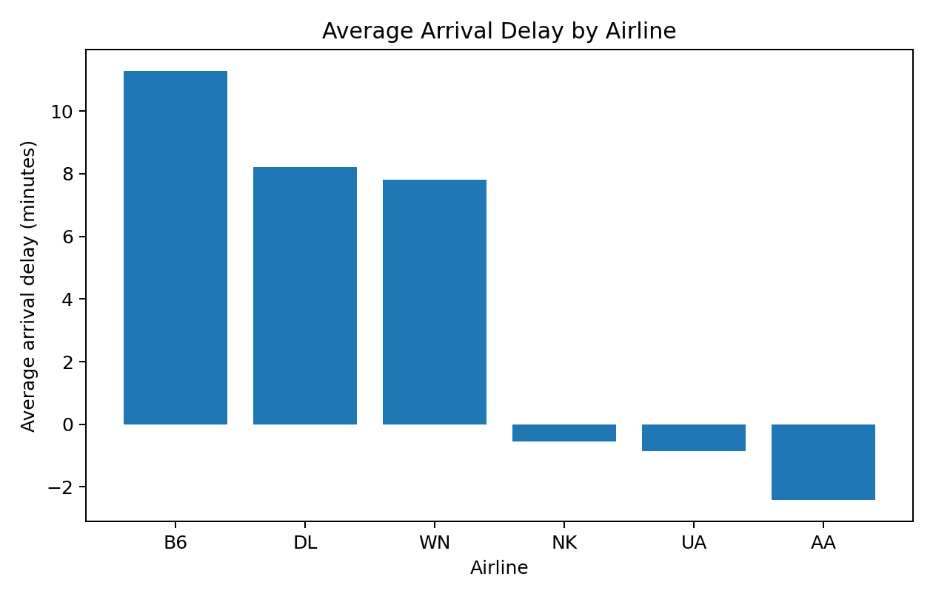
Average Arrival Delay by Airline
Pareto support table (sorted worst to best) |  |  |  |  |  |  | 9 | 238 | 194 | 11 | -12 | 27
Carrier | Average Delay |  |  |  |  |  | 44 | -16 | -42 | -29 | -11 | 39
B6 | 11.3 |  |  |  |  |  | 24 | -24 | 51 | 30 | -10 | 10
DL | 8.2 |  |  |  |  |  | -16 | -56 | 49 | -13 | 17 | -7
WN | 7.8 |  |  |  |  |  | 14 | -24 | 43 | -8 | 11 | -10
NK | -0.5 |  |  |  |  |  | -23 | -9 | -17 | -9 | 45 | -9
UA | -0.8 |  |  |  |  |  | -9 | -22 | 7 | 0 | -12 | 27
AA | -2.4 |  |  |  |  |  | -4 | -10 | -21 | -20 | -4 | -3
 |  |  |  |  |  |  | 1 | 7 | 1 | -5 | -24 | -18
 |  |  |  |  |  |  | -6 | 32 | -9 | -17 | -22 | -29
 |  |  |  |  |  |  | 17 | -3 | -11 | -26 | -20 | 93
 |  |  |  |  |  |  | 10 | 5 | -26 | -4 | -55 | 21
 |  |  |  |  |  |  | -11 | 75 | 46 | -16 | -17 | 0
 |  |  |  |  |  |  | -15 | 29 | -29 | 18 | -10 | -6
 |  |  |  |  |  |  | -19 | -6 | -4 | -2 | -33 | -21
 |  |  |  |  |  |  | -17 | 5 | 5 | 52 | -35 | -1
 |  |  |  |  |  |  | -17 | -14 | -4 | -2 | -23 | -9
 |  |  |  |  |  |  | 15 | -14 | 66 | -14 | -28 | 16
 |  |  |  |  |  |  | 16 | 24 | 8 | -16 | 56 | 29
 |  |  |  |  |  |  | -26 | 15 | 99 | 18 | -9 | 3
 |  |  |  |  |  |  | -30 | -1 | -7 | -21 | 19 | 0
 |  |  |  |  |  |  | -28 | -23 | -17 | 92 | 57 | 0
 |  |  |  |  |  |  | -25 | 8 | -6 | -30 | 5 | -7
 |  |  |  |  |  |  |  |  | -8 | -32 | 117 | 47
 |  |  |  |  |  |  |  |  | -6 | -18 | -27 | -11
 |  |  |  |  |  |  |  |  | 0 | -35 | -22 | -1
 |  |  |  |  |  |  |  |  | -8 | 18 | 52 | 83
 |  |  |  |  |  |  |  |  | 1 | -3 | -23 | -12
 |  |  |  |  |  |  |  |  | 11 | 17 | -6 | -15
 |  |  |  |  |  |  |  |  | -21 | -13 | 10 | -18
 |  |  |  |  |  |  |  |  | -25 | -18 | -29 | 29
 |  |  |  |  |  |  |  |  |  |  | -18 | 110

Boxplot_Data
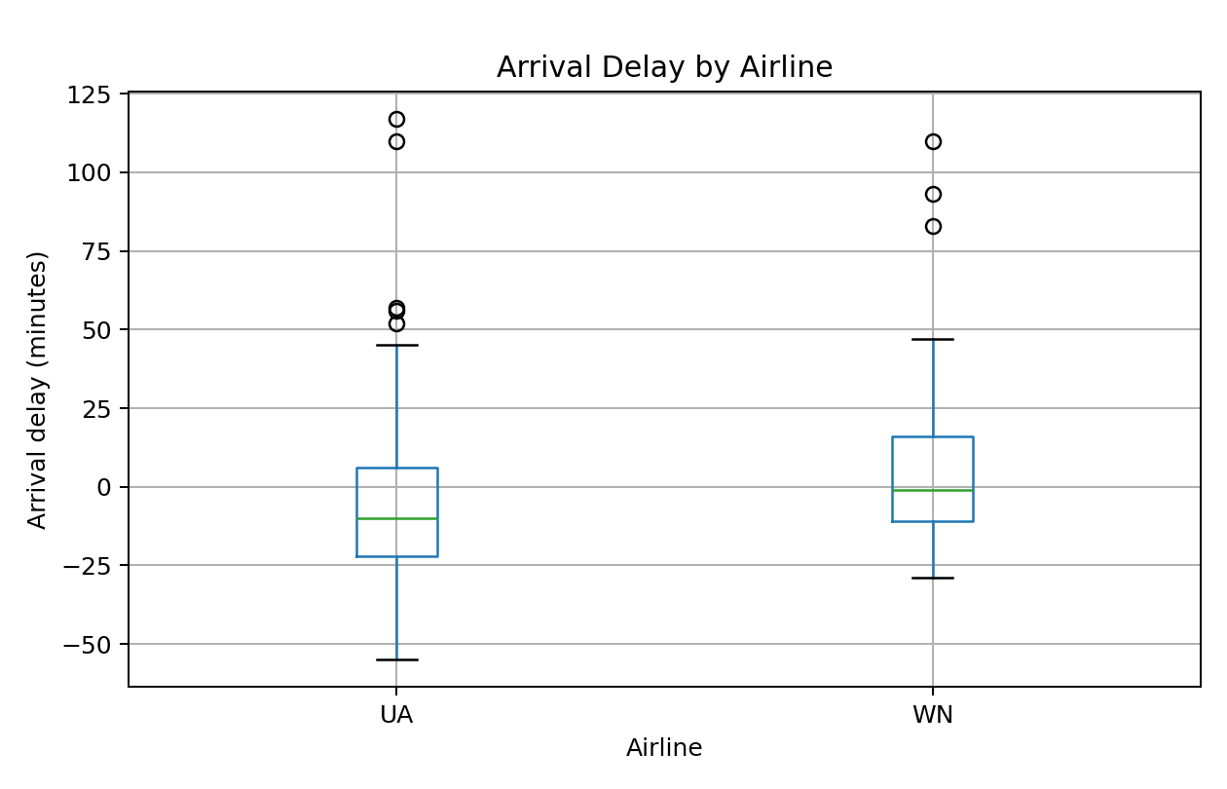
UA ARR_DELAY | WN ARR_DELAY | Boxplot preview image
-28 | -15
110 | -12
-39 | 47
6 | -12
-17 | 15
25 | -16
-16 | 0
6 | -4
-9 | 0
5 | 4
-13 | -10
-2 | -11
-5 | 8
-12 | 27
-11 | 39
-10 | 10
17 | -7
11 | -10
45 | -9
-12 | 27 | Outlier diagnostics
-4 | -3 | Carrier | Q1 | Median | Q3 | IQR | Outliers
-24 | -18 | UA | -22 | -10 | 6 | 28 | 52, 56, 57, 110, 117
-22 | -29 | WN | -11 | -1 | 16 | 27 | 83, 93, 110
-20 | 93
-55 | 21
-17 | 0
-10 | -6
-33 | -21
-35 | -1
-23 | -9
-28 | 16
56 | 29
-9 | 3
19 | 0
57 | 0
5 | -7
117 | 47
-27 | -11
-22 | -1
52 | 83
-23 | -12
-6 | -15
10 | -18
-29 | 29
-18 | 110

