X
3D Printer XYZ Compensation Calculator |  |  | https://www.printables.com/model/546871
axis | X
Instructions:
Only fill out the yellow fields
1) print the part from: https://www.printables.com/model/546871
2) Measure the distances as indicated in the diagram, and fill in the yellow fields
in green is the result you can use for your printer setting
in blue are the recomended toleances (gaps between parts) to be used when designing

Printer (optional) | Bambu X1C
Slicer (optional) | OrcaSlicer
Filament (optional) | Prusament Galaxy Black PLA
Standard deviation [mm] |  | 0.11 | 0.05
mean wall thickness deviation [mm] |  | -0.07 | -0.07 | constant offset (may be affected by extrusion mutiplier/flow or X-Y contour compensation)
X Scaling Multiplier Needed |  | 1.002
X Shrink Percentage |  | 99.85%
Y Scaling Multiplier Needed (from other tab) |  | 1.002
Y Shrink Percentage (from other tab) |  | 99.83%
Average XY Scale Factor Needed |  | 100.16%
Average XY Shrink Percentage |  | 99.84%
Derived design gidelines |  | Before | After Correction Applied
Tolerance needed so 50% will fit |  | 0.00 | 0.00
Tolerance needed to 84% of the prints fit |  | 0.18 | 0.05
Tolerance needed to 97% of the prints fit |  | 0.29 | 0.10
Tolerance needed to 99.8% of the prints fit |  | 0.40 | 0.15

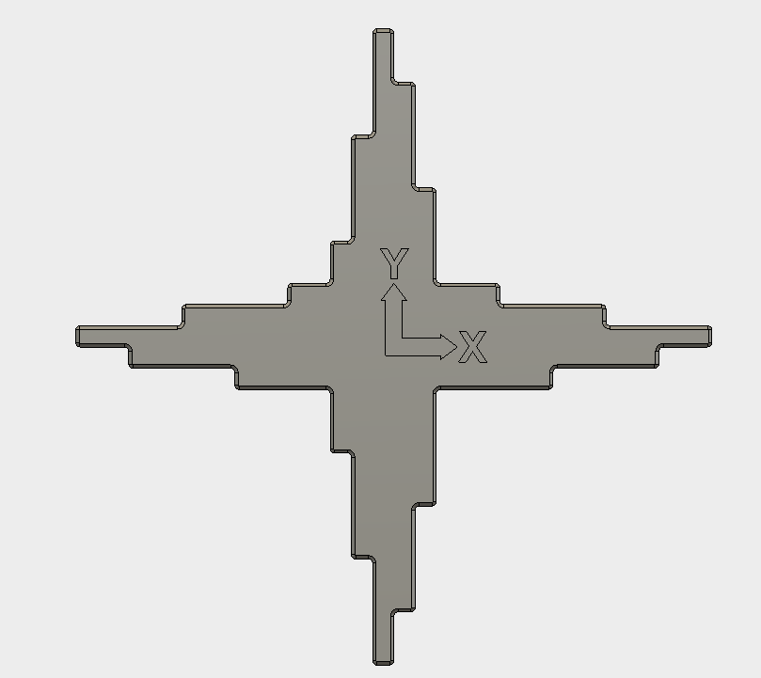
 | length (mm) |  |  | now (mm) |  | Expected after corretion (mm)
 |  | Should Be | is | Deviation | Without offset | Deviation After Correction | Without offset
1 |  | 5 | 4.96 | -0.04 | 0.03 | -0.03 | 0.04
2 |  | 10 | 9.96 | -0.04 | 0.03 | -0.02 | 0.05
3 |  | 15 | 14.93 | -0.07 | 0.00 | -0.05 | 0.03
4 |  | 20 | 19.86 | -0.14 | -0.07 | -0.11 | -0.03
5 |  | 25 | 24.82 | -0.18 | -0.11 | -0.14 | -0.07
6 |  | 50 | 49.89 | -0.11 | -0.04 | -0.03 | 0.04
7 |  | 100 | 99.78 | -0.22 | -0.15 | -0.06 | 0.02
8 |  | 150 | 149.69 | -0.31 | -0.24 | -0.06 | 0.01
9 |  | 125 | 124.78 | -0.22 | -0.15 | -0.02 | 0.06
10 |  | 75 | 74.76 | -0.24 | -0.17 | -0.12 | -0.04
11 |  | 25 | 24.82 | -0.18 | -0.11 | -0.14 | -0.07
12 |  | 20 | 19.80 | -0.20 | -0.13 | -0.17 | -0.09
13 |  | 15 | 14.93 | -0.07 | 0.00 | -0.05 | 0.03
14 |  | 10 | 9.94 | -0.06 | 0.01 | -0.04 | 0.03
15 |  | 5 | 4.98 | -0.02 | 0.05 | -0.01 | 0.06

Adapted from | https://www.thingiverse.com/thing:2484766

Histogram
 |  |  |  |  |  |  |  | Histogram |  | Before | After Correction
 |  |  |  |  |  |  |  | -0.5 | <=-0.5 | 0 | 0
 |  |  |  |  |  |  |  | -0.4 | -0.45 | 0 | 0
 |  |  |  |  |  |  |  | -0.3 | -0.35 | 1 | 0
 |  |  |  |  |  |  |  | -0.2 | -0.25 | 3 | 0
 |  |  |  |  |  |  |  | -0.1 | -0.15 | 5 | 5
 |  |  |  |  |  |  |  | 0 | -0.05 | 6 | 10
 |  |  |  |  |  |  |  | 0.1 | 0.05 | 0 | 0
 |  |  |  |  |  |  |  | 0.2 | 0.15 | 0 | 0
 |  |  |  |  |  |  |  | 0.3 | 0.25 | 0 | 0
 |  |  |  |  |  |  |  | 0.4 | 0.35 | 0 | 0
 |  |  |  |  |  |  |  | 0.5 | 0.45 | 0 | 0
 |  |  |  |  |  |  |  |  | >=0.5 | 0 | 0

Y
3D Printer XYZ Compensation Calculator |  |  | https://www.printables.com/model/546871
axis | Y
Instructions:
Only fill out the yellow fields
1) print the part from: https://www.printables.com/model/546871
2) Measure the distances as indicated in the diagram, and fill in the yellow fields
in green is the result you can use for your printer setting
in blue are the recomended toleances (gaps between parts) to be used when designing

Printer (optional) | Bambu X1C
Slicer (optional) | OrcaSlicer
Filament (optional) | Prusament Galaxy Black PLA
Standard deviation [mm] |  | 0.12 | 0.05
mean wall thickness deviation [mm] |  | -0.07 | -0.07 | constant offset (may be reduced by extrusion mutiplier/flow)
Y Scaling Multiplier Needed |  | 1.002
Y Shrink Percentage |  | 99.83%
X Scaling Multiplier Needed (from other tab) |  | 1.002
X Shrink Percentage (from other tab) |  | 99.85%
Average XY Scale Factor Needed |  | 100.16%
Average XY Shrink Percentage |  | 99.84%
Derived design gidelines |  | Before | After Correction Applied
Tolerance needed so 50% will fit |  | 0.00 | 0.00
Tolerance needed to 84% of the prints fit |  | 0.19 | 0.05
Tolerance needed to 97% of the prints fit |  | 0.31 | 0.10
Tolerance needed to 99.8% of the prints fit |  | 0.43 | 0.15

 | length (mm) |  |  | now (mm) |  | Expected after corretion (mm)
 |  | Should Be | is | Deviation | Without offset | Deviation After Correction | Without offset
1 |  | 5 | 4.98 | -0.02 | 0.05 | -0.01 | 0.06
2 |  | 10 | 9.94 | -0.06 | 0.01 | -0.04 | 0.03
3 |  | 15 | 14.92 | -0.08 | -0.01 | -0.06 | 0.02
4 |  | 20 | 19.81 | -0.19 | -0.12 | -0.16 | -0.08
5 |  | 25 | 24.83 | -0.17 | -0.10 | -0.13 | -0.06
6 |  | 50 | 49.82 | -0.18 | -0.11 | -0.10 | -0.02
7 |  | 100 | 99.74 | -0.26 | -0.19 | -0.10 | -0.02
8 |  | 150 | 149.63 | -0.37 | -0.30 | -0.12 | -0.05
9 |  | 125 | 124.81 | -0.19 | -0.12 | 0.02 | 0.09
10 |  | 75 | 74.78 | -0.22 | -0.15 | -0.10 | -0.02
11 |  | 25 | 24.82 | -0.18 | -0.11 | -0.14 | -0.07
12 |  | 20 | 19.84 | -0.16 | -0.09 | -0.13 | -0.05
13 |  | 15 | 14.93 | -0.07 | 0.00 | -0.05 | 0.03
14 |  | 10 | 9.94 | -0.06 | 0.01 | -0.04 | 0.03
15 |  | 5 | 4.98 | -0.02 | 0.05 | -0.01 | 0.06

Adapted from | https://www.thingiverse.com/thing:2484766

Histogram
 |  |  |  |  |  |  |  | Histogram |  | Before | After Correction
 |  |  |  |  |  |  |  | -0.5 | <=-0.5 | 0 | 0
 |  |  |  |  |  |  |  | -0.4 | -0.45 | 0 | 0
 |  |  |  |  |  |  |  | -0.3 | -0.35 | 1 | 0
 |  |  |  |  |  |  |  | -0.2 | -0.25 | 2 | 0
 |  |  |  |  |  |  |  | -0.1 | -0.15 | 6 | 5
 |  |  |  |  |  |  |  | 0 | -0.05 | 6 | 9
 |  |  |  |  |  |  |  | 0.1 | 0.05 | 0 | 1
 |  |  |  |  |  |  |  | 0.2 | 0.15 | 0 | 0
 |  |  |  |  |  |  |  | 0.3 | 0.25 | 0 | 0
 |  |  |  |  |  |  |  | 0.4 | 0.35 | 0 | 0
 |  |  |  |  |  |  |  | 0.5 | 0.45 | 0 | 0
 |  |  |  |  |  |  |  |  | >=0.5 | 0 | 0

Z
3D Printer XYZ Compensation Calculator |  |  | https://www.printables.com/model/546871
axis | Z
Instructions:
Only fill out the yellow fields
1) print the part from: https://www.printables.com/model/546871
2) Measure the distances as indicated in the diagram, and fill in the yellow fields
in green is the result you can use for your printer setting
in blue are the recomended toleances (gaps between parts) to be used when designing

Printer (optional) | Bambu X1C
Slicer (optional) | OrcaSlicer
Filament (optional) | Prusament Galaxy Black PLA
Standard deviation [mm] |  | 0.08 | 0.07
mean wall thickness deviation [mm] |  | -0.29 | -0.29 | constant offset (may be reduced by extrusion mutiplier/flow)
Z Scale Factor Needed |  | 100.05%
Z Shrink Percentage |  | 99.95%
Derived design gidelines |  | Before | After Correction Applied
Tolerance needed so 50% will fit |  | 0.00 | 0.00
Tolerance needed to 84% of the prints fit |  | 0.37 | 0.07
Tolerance needed to 97% of the prints fit |  | 0.44 | 0.13
Tolerance needed to 99.8% of the prints fit |  | 0.52 | 0.20

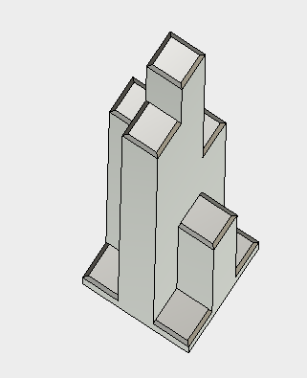
 | length (mm) |  |  | now (mm) |  | Expected after corretion (mm)
 |  | Should Be | is | Deviation | Without offset | Deviation After Correction | Without offset
1 |  | 5 | 4.70 | -0.30 | -0.01 | -0.30 | -0.01
9
2 |  | 5 | 4.64 | -0.36 | -0.07 | -0.36 | -0.07
7
3 |  | 5 | 4.67 | -0.33 | -0.04 | -0.33 | -0.04
8
6
1
4 |  | 5 | 4.70 | -0.30 | -0.01 | -0.30 | -0.01
5 |  | 50 | 49.77 | -0.23 | 0.06 | -0.20 | 0.08
6 |  | 75 | 74.80 | -0.20 | 0.09 | -0.16 | 0.13
7 |  | 100 | 99.71 | -0.29 | 0.00 | -0.24 | 0.05
5
8 |  | 125 | 124.61 | -0.39 | -0.10 | -0.33 | -0.04
2
9 |  | 150 | 149.55 | -0.45 | -0.16 | -0.37 | -0.09
4
3

Adapted from | https://www.thingiverse.com/thing:2484766

Histogram
 |  |  |  |  |  |  |  | Histogram |  | Before | After Correction
 |  |  |  |  |  |  |  | -0.5 | <=-0.5 | 0 | 0
 |  |  |  |  |  |  |  | -0.4 | -0.45 | 1 | 0
 |  |  |  |  |  |  |  | -0.3 | -0.35 | 5 | 4
 |  |  |  |  |  |  |  | -0.2 | -0.25 | 3 | 4
 |  |  |  |  |  |  |  | -0.1 | -0.15 | 0 | 1
 |  |  |  |  |  |  |  | 0 | -0.05 | 0 | 0
 |  |  |  |  |  |  |  | 0.1 | 0.05 | 0 | 0
 |  |  |  |  |  |  |  | 0.2 | 0.15 | 0 | 0
 |  |  |  |  |  |  |  | 0.3 | 0.25 | 0 | 0
 |  |  |  |  |  |  |  | 0.4 | 0.35 | 0 | 0
 |  |  |  |  |  |  |  | 0.5 | 0.45 | 0 | 0
 |  |  |  |  |  |  |  |  | >=0.5 | 0 | 0

