MSE all predict
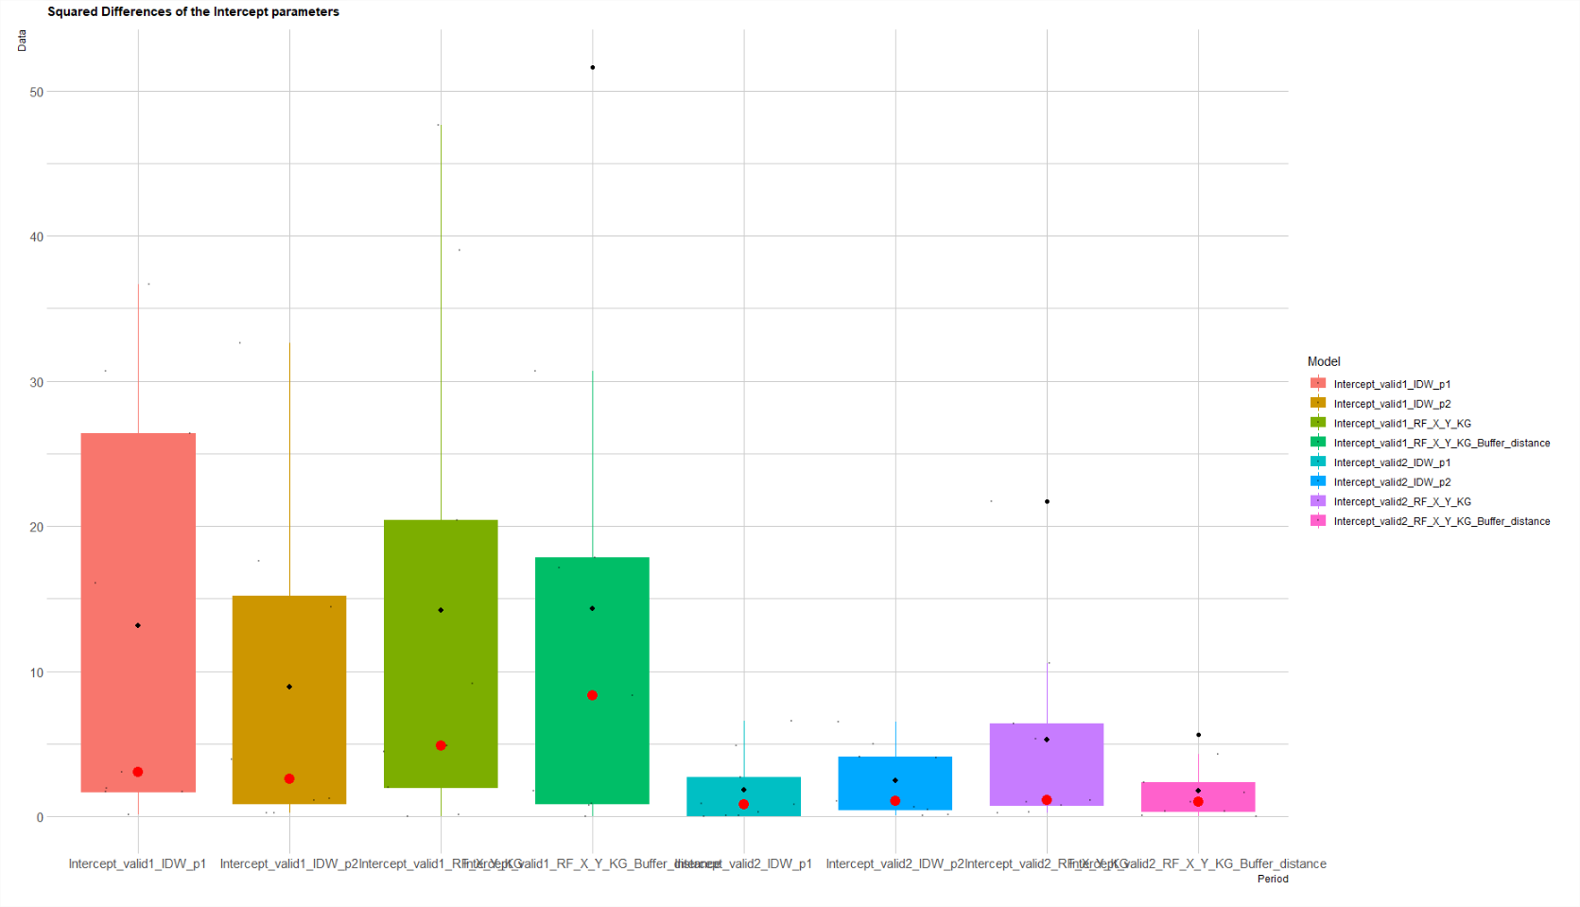
 |  | RF_X_Y_KG | RF_X_Y_KG_Buffer_distance |  |  |  |  | IDW_p1 | IDW_p2 | IDW_p1 | IDW_p2
Intercept | MSE_valid1 | 14.491057711 | 14.741723831 |  |  |  |  | 10.62 | 10.87 | 6.21 | 6.66
 | MSE_valid2 | 5.2658205879 | 1.7403088343 |  |  |  |  | 1.80 | 2.44

Slope | MSE_valid1 | 0.067819616128 | 0.092509140738 |  |  |  |  | 0.06 | 0.09 | 0.07 | 0.09 | 1 & 2 | 1.2 & 2
 | MSE_valid2 | 0.053626017892 | 0.076143169276 |  |  |  |  | 0.08 | 0.08

 | IDW |  | Random forest |  | IDW |  | Random forest
 | Intercept |  | Intercept |  | Slope |  | Slope
 | Intercept_valid1_IDW_p1 | Intercept_valid1_IDW_p2 | Intercept_valid1_RF_X_Y_KG | Intercept_valid1_RF_X_Y_KG_Buffer_distance | Slope_valid1_IDW_p1 | Slope_valid1_IDW_p1IDW_p2 | Slope_valid1_IDW_p1RF_X_Y_KG | Slope_valid1_IDW_p1RF_X_Y_KG_Buffer_distance
val1 | 30.702833014 | 26.413221291 | 47.647942306 | 51.639765356 | 0.10367686436 | 0.15049644648 | 0.055183241562 | 0.20316421906
 | 3.0650926719 | 14.42925008 | 9.1474212093 | 17.833437252 | 0.10629923222 | 0.2255870113 | 0.20157605689 | 0.28376033415
 | 1.6883289861 | 1.1268778684 | 4.4306119969 | 0.86347016263 | 0.00080326434467 | 0.015159724373 | 0.00069938407984 | 0.00024676862249
 | 0.098145405678 | 0.20640741963 | 0.098787883422 | 0.00067270642596 | 0.00016736844664 | 0.00012399645437 | 0.021322907703 | 0.0027913926627
 | 36.671446148 | 32.635767456 | 39.029671265 | 30.702244674 | 0.073677567996 | 0.10332118013 | 0.22464319358 | 0.027385422228
 | 1.9513908477 | 0.20884525982 | 0.027499294761 | 1.7872156599 | 0.013257139497 | 0.0011072936852 | 0.0091217532459 | 0.013939146276
 | 16.101336303 | 17.588366529 | 4.8511978963 | 17.11670925 | 0.056668756896 | 0.13546227809 | 0.027623368442 | 0.062397791011
 | 1.6884199221 | 3.9420464357 | 1.9906976924 | 8.3284624781 | 0.15074106458 | 0.18340137387 | 0.039755556941 | 0.23730659592
 | 3.6263546301 | 1.2497950295 | 20.419011682 | 0.78626845186 | 0.001034341493 | 0.018239680621 | 0.033770001264 | 0.00647471584

 | Intercept_valid2_IDW_p1 | Intercept_valid2_IDW_p2 | Intercept_valid2_RF_X_Y_KG | Intercept_valid2_RF_X_Y_KG_Buffer_distance | Slope_valid2_IDW_p1 | Slope_valid2_IDW_p1IDW_p2 | Slope_valid2_IDW_p1RF_X_Y_KG | Slope_valid2_IDW_p1RF_X_Y_KG_Buffer_distance
val2 | 0.016749699864 | 0.10010463993 | 0.22868537076 | 1.0150014163 | 0.21598667999 | 0.15842314565 | 0.089138590187 | 0.11880099452
 | 4.8466510775 | 4.1039423353 | 5.3216233891 | 2.3325970076 | 0.064303261817 | 0.091546904992 | 0.024287715307 | 0.028736351119
 | 0.064312602506 | 0.48973488827 | 0.76084797968 | 0.043435806976 | 0.0032384487889 | 0.0080853941797 | 0.19032004874 | 0.0097203497192
 | 0.064201740411 | 0.061093073982 | 0.28503636379 | 0.36302273092 | 0.0041699654626 | 0.0017420845841 | 0.00054195598282 | 0.022356910067
 | 0.27356038654 | 6.4837750922 | 1.1432515782 | 1.6145967131 | 0.014638590142 | 0.037625982111 | 0.0026138328162 | 0.038064397761
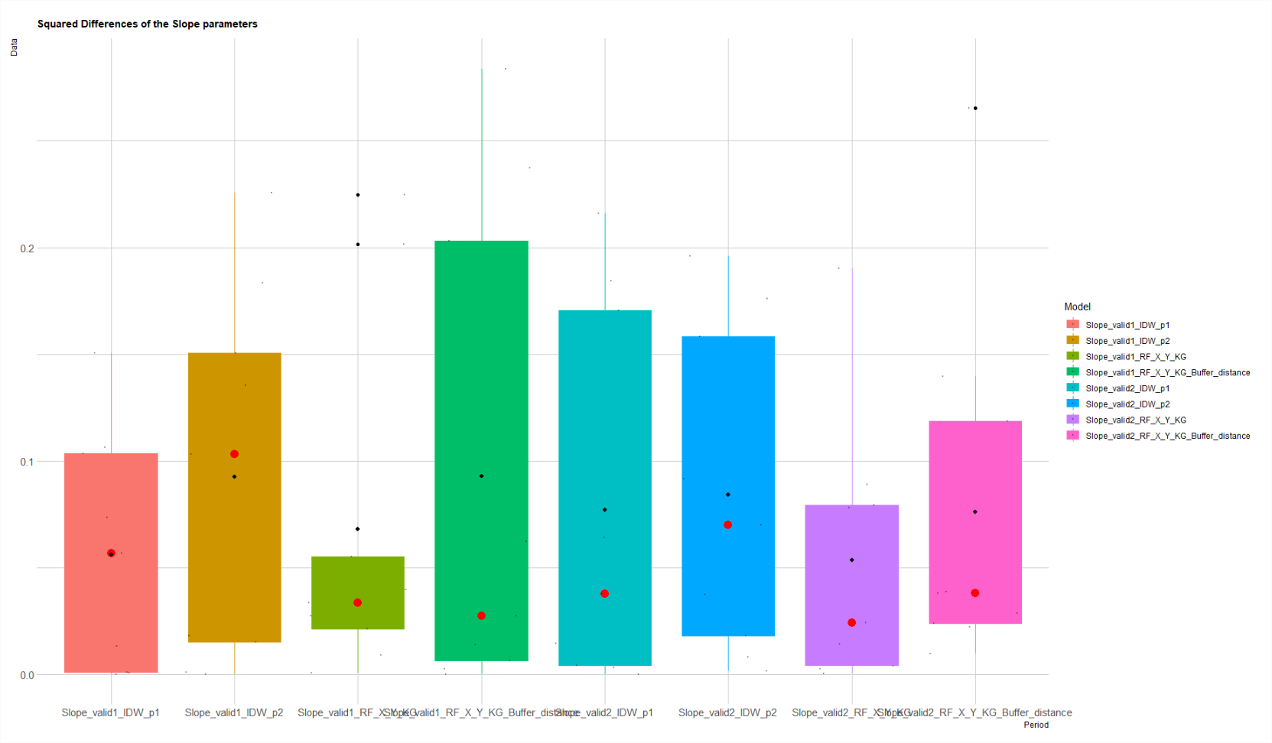
 | 0.81870023637 | 0.64796934249 | 1.0049051311 | 0.32809297463 | 0.18447179111 | 0.17598175523 | 0.078047994784 | 0.26542167326
 | 0.88527605132 | 4.984795705 | 10.555396747 | 4.2967420585 | 0.17054142876 | 0.19592212962 | 0.01417038665 | 0.038646818273
 | 6.5530424118 | 4.0646656294 | 6.3656852809 | 5.6459121656 | 0.037918024917 | 0.070079596559 | 0.0041481328692 | 0.13965596158
 | 2.7158827194 | 1.0566572146 | 21.726953451 | 0.023378634796 | 0.00014789429674 | 0.018239680621 | 0.079365503693 | 0.023885067189

full MEAN | 6.212873603 | 6.6551841828 | 9.7241792509 | 8.0400569722 | 0.066763426951 | 0.088363647697 | 0.060907201374 | 0.084597494959

