Boundary diagram
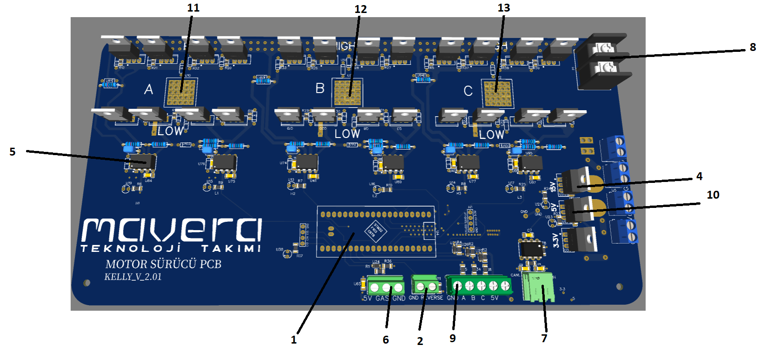
Boundary diagram when define correctly will output Function of item

DFMEA Boundary
Physical
Energy
Information
Materials

Motor
Hall sensor

84 V connector
 | Item No | Item Name
 | 1 | Stm
 | 2 | ileri geri vites
Batarya
Phase A
Phase B
Phase C
 | 3 | Motor
 | 4 | 15v regulator
 | 5 | Gate drivers
 | 6 | Gaz pedalı
COOLING SYSTEM
İleri Geri vites
 | 7 | Canbus
Gate Drives
 | 8 | 84v connector
 | 9 | Hall sensor
STM
Gaz Pedalı
 | 10 | 5v regulator
 | 11 | Phases A
Canbus
 | 12 | Phases B
 | 13 | Phases C
5V regulator

15V regulator

24 V

P diagram
