Plots
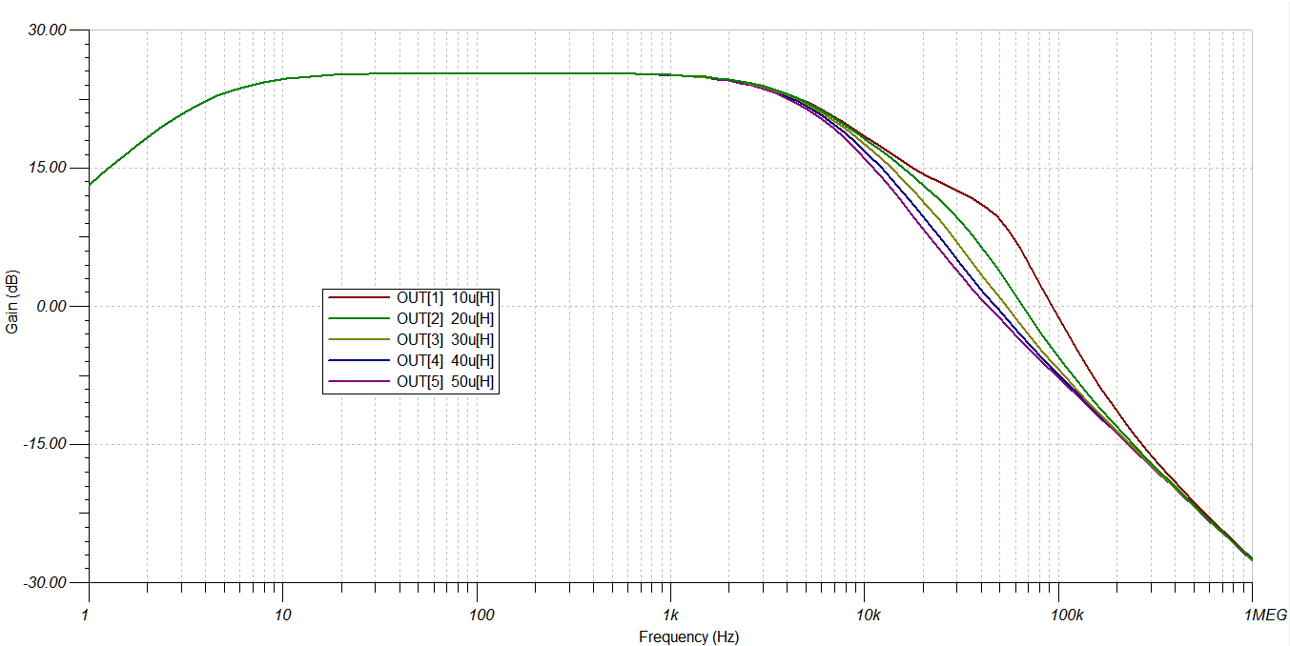
Woofer |  | Tweeter
 | Cf

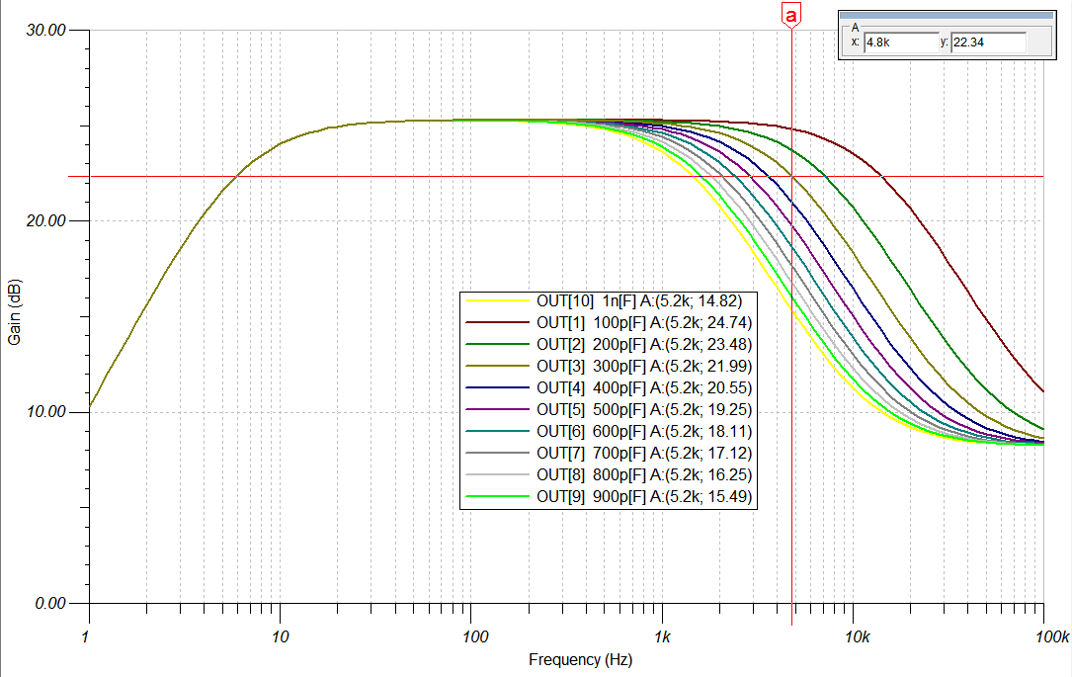

 | Rf

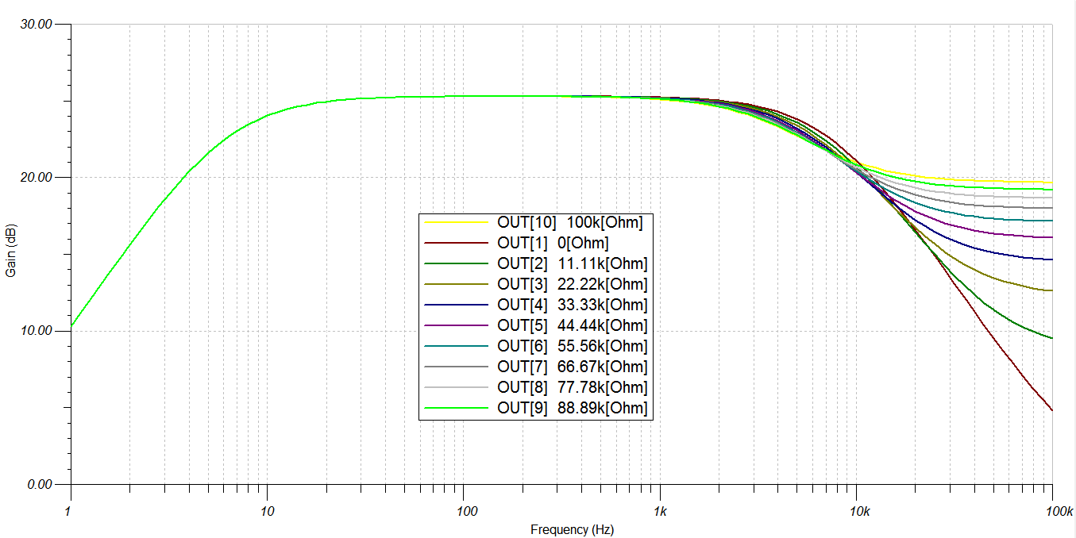

 | Output Inductance

Heat Sinking
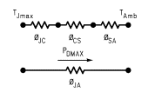
1 Heat sink per channel

Max Power Dissipation | 63.546386953
θJC | 1 | Junction-case thermal resistance
θCS | 0.2 | Case-sink thermal resistance
TJmax | 150 | Max temperature (Junction)
TAmb | 25
θSA | 0.76706698827 | Sink-atmosphere thermal resistance

2 Heat sinks per channel
Max Power Dissipation | 127.09277391
θJC | 1
θCS | 0.2
θJS | 1.2 | Junction-sink thermal resistance
θJS,T | 0.6 | Total Junction-sink thermal resistance (2 resistances in parallel)
TJmax | 150
TAmb | 25
θSA | 0.38353349414

