Sheet1

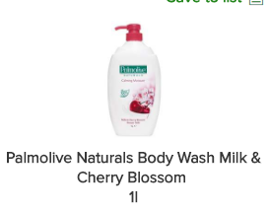
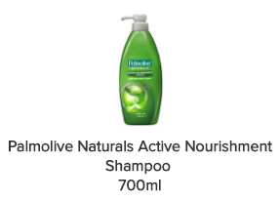
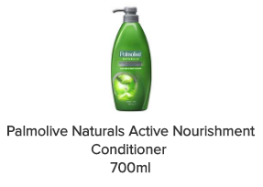



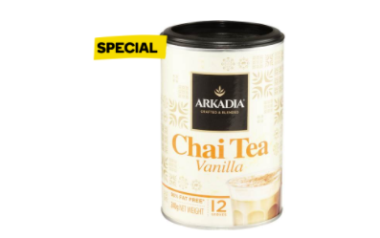
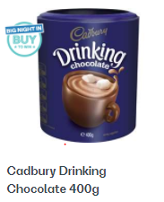
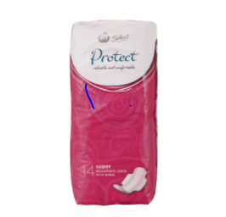
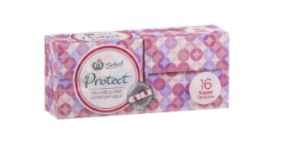

Day to order
Time Ordered | 5AM to 8AM Delivery
Product | Amount Needed | Amount Counted | Amount to Order
Gluten Free
Rasin Toast
Burgen Rye
Raw Sugar
Sugar

Butter
Cheese
Kraft Cheese
Cream Cheese
Full Cream Milk
Light Milk
Soy Milk
Almond Milk
Orange Juice
Coffee
Drinking Choc
Milo
Black Tea
Green Tea
De Caf green Tea
Camomile Tea
English Breakfast Tea
Peppermint Tea
Lemon (Individual)
Red Capsicum
Onion (individual)
Carrots (bag)
Tomato individual
Lebanese Cucumber
Nutella
Honey
Peanut Butter crunch
Peanut Butter Smooth
Strawberry Jam
Vegemite
Cobani coconut
Cobani Vanilla
Cobani strawberry
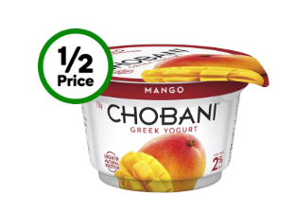 Chobani Mango
Chobani Passionfruit
Chobani Banana/Strawberry
Sultana Bran
Unsalted Mixed Nuts
Arnolds Farm Clusters (Brekky Bliss)
Kikkoman Soy Sauce Soy
Paper Towel
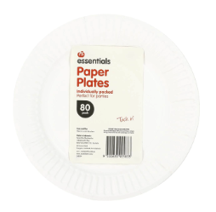 Paper Plates
Tissues
Hand Soap
 Spray & Wipe
Chux
 Dishmatic
Vita Weat Regular
Vita Weat Sesame
Vita Weat 9 grains
Corn Flakes
Nutrigrain
Weet-Bix
Rolled Oats
Sweet Chilli Sauce
Air Wick, Air Freshner

