Sheet1
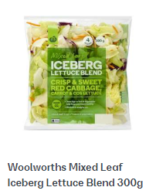
Day to order
Time Ordered | 5AM to 8AM Delivery
Product | Amount Needed | Amount Counted | Amount to Order
Beef Sausages
Pork Sausages
Chicken Sausages
Veggie Pattys
Tasty Cheese
Sliced Onions
White Rolls
Wholemeal Rolls
Tomato sauce
BBQ Sauce
Mustard
Paper Plates
Small Metal Trays
Alfoil

