Park Visitor Numbers
Arizona National Park Visitors By Park - 2021
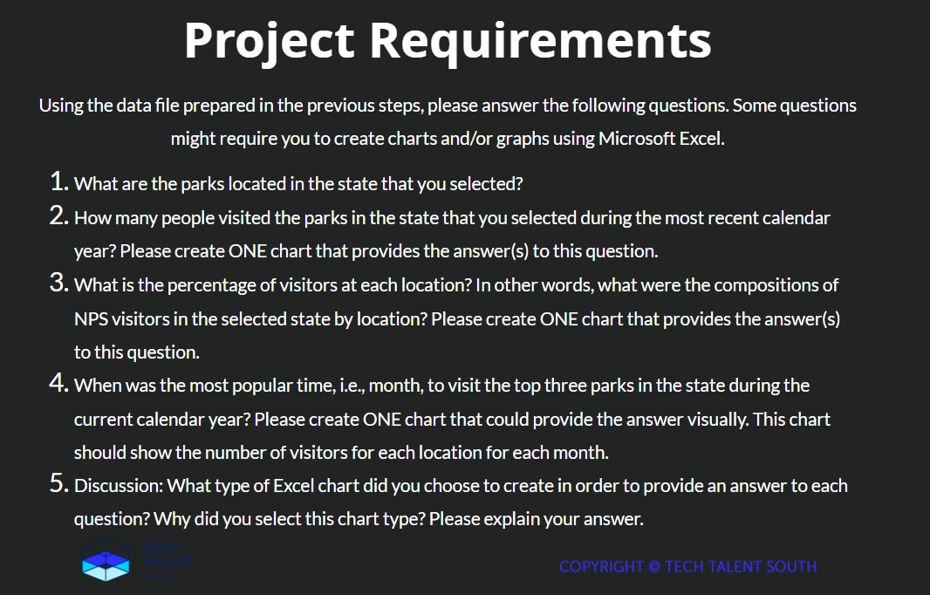
State | Park | Recreation Visitors
Arizona
 | Canyon de Chelly NM | 184,191 | 1
 | Casa Grande Ruins NM | 49,261 | 2
 | Chiricahua NM | 53,413 | 3
 | Coronado NMEM | 129,758 | 4
 | Fort Bowie NHS | 9,280 | 5
 | Glen Canyon NRA | 749,392 | 6
 | Grand Canyon NP | 4,532,677 | 7
 | Hubbell Trading Post NHS | 21,256 | 8
 | Lake Mead NRA | 1,900,868 | 9
 | Montezuma Castle NM | 418,147 | 10
 | Navajo NM | 14,834 | 11
 | Organ Pipe Cactus NM | 190,848 | 12
 | Petrified Forest NP | 590,334 | 13
 | Pipe Spring NM | 24,026 | 14
 | Saguaro NP | 1,079,786 | 15
 | Sunset Crater Volcano NM | 125,653 | 16
 | Tonto NM | 32,334 | 17
 | Tumacacori NHP | 33,357 | 18
 | Tuzigoot NM | 124,406 | 19
 | Walnut Canyon NM | 212,328 | 20
 | Wupatki NM | 207,445 | 21
 | Subtotal Arizona | 10,683,594

Park Visitor %
State | Park | Recreation Visitors | Percentage Total
Arizona
 | Canyon de Chelly NM | 184,191 | 1.72%
 | Casa Grande Ruins NM | 49,261 | 0.46%
 | Chiricahua NM | 53,413 | 0.50%
 | Coronado NMEM | 129,758 | 1.21%
 | Fort Bowie NHS | 9,280 | 0.09%
 | Glen Canyon NRA | 749,392 | 7.01%
 | Grand Canyon NP | 4,532,677 | 42.43%
 | Hubbell Trading Post NHS | 21,256 | 0.20%
 | Lake Mead NRA | 1,900,868 | 17.79%
 | Montezuma Castle NM | 418,147 | 3.91%
 | Navajo NM | 14,834 | 0.14%
 | Organ Pipe Cactus NM | 190,848 | 1.79%
 | Petrified Forest NP | 590,334 | 5.53%
 | Pipe Spring NM | 24,026 | 0.22%
 | Saguaro NP | 1,079,786 | 10.11%
 | Sunset Crater Volcano NM | 125,653 | 1.18%
 | Tonto NM | 32,334 | 0.30%
 | Tumacacori NHP | 33,357 | 0.31%
 | Tuzigoot NM | 124,406 | 1.16%
 | Walnut Canyon NM | 212,328 | 1.99%
 | Wupatki NM | 207,445 | 1.94%
 | Subtotal Arizona | 10,683,594 | 100.00%

Top 3 Parks
Visitation of Top 3 Parks by Month
Visitors By Month per Park for 2021
 | Grand Canyon | Lake Mead | Saguaro
JAN | 164,922 | 379,860 | 186,505
FEB | 161,428 | 456,503 | 177,726
MAR | 317,054 | 585,396 | 201,010
APR | 421,232 | 689,300 | 124,267
MAY | 484,442 | 764,240 | 37,630
JUN | 538,530 | 857,217 | 19,808
JUL | 556,766 | 792,127 | 38,297
AUG | 430,684 | 740,202 | 37,217
SEP | 399,321 | 718,491 | 39,172
OCT | 430,734 | 645,455 | 56,615
NOV | 346,971 | 521,522 | 72,714
DEC | 280,593 | 453,161 | 88,825
Total | 4,532,677 | 7,603,474 | 1,079,786

This chart was chosen because we needed to display the data over time (i.e. 'most popular month') for visitation of each park in the same visualization. Three bars
If this data was right we'd anticipate the Grand Canyon to be the park with the most visitation wouldn't we? previous two charts point to that.

