TX Math vs ELA Comparison
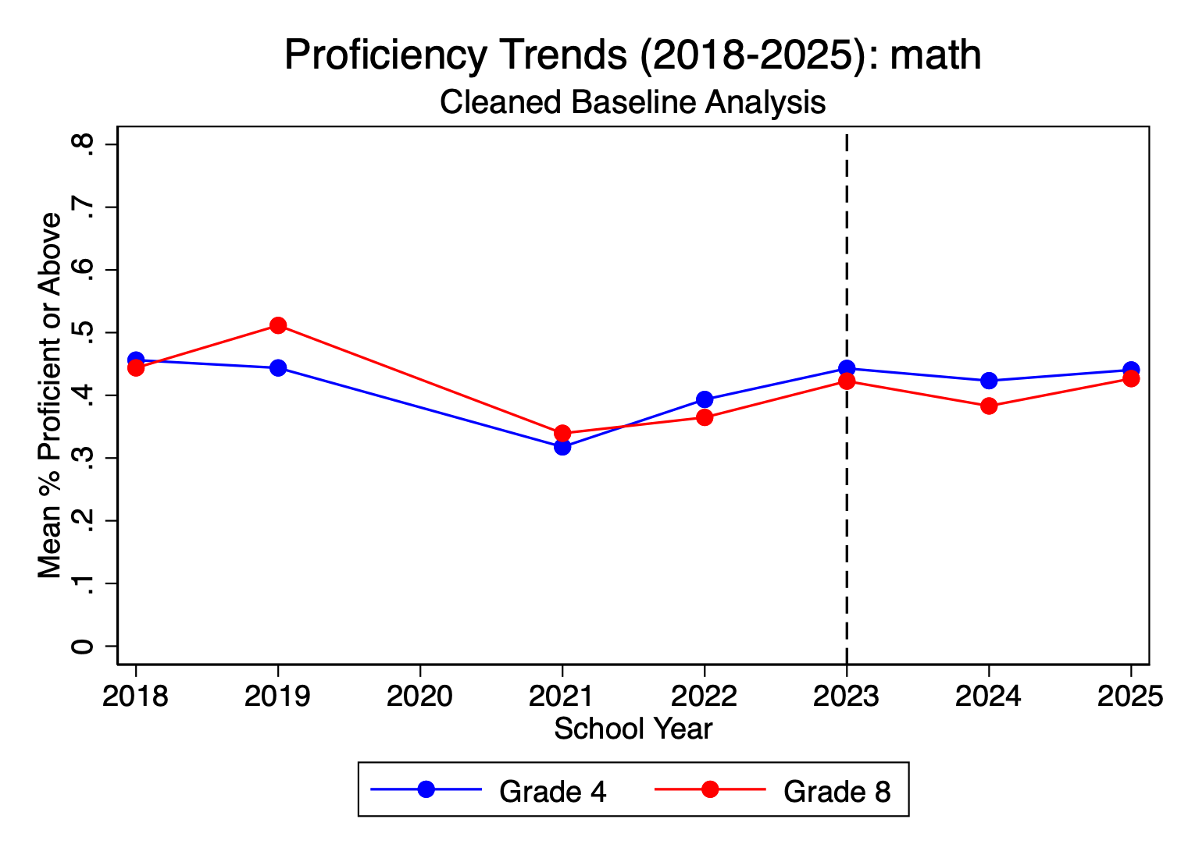
tl;dr Reading is genuinely up, math is genuinely flat, and the choice of comparison year and grade level is doing most of the work in these analyses though
That's what makes the Scorecard's "Texas still behind in math" finding consistent with my internal, quick analysis...
 | ... using a pre-pandemic baseline, the 2023+ period is associated with a real ~4 pp lift in STAAR ELA proficiency
 | but essentially no change in math, and the apparent math "gains" in shorter-window models are entirely an artifact of comparing to the 2021 pandemic trough rather than to a normal pre-pandemic baseline.

Texas Math vs. ELA: How Data Source and Time Window Change the Story
Comparison of Education Recovery Scorecard, EDC/STAAR (school-level % Proficient+, G4+G8), and NAEP direct

Subject | Time Window | Scorecard Report / SEDA (NAEP-linked, grade-equiv) | Internal EDC/STAAR (% Proficient or Above, G4+G8) | NAEP direct (TX scale scores)
Math | 2019 → 2024/25 (pre-pandemic baseline) | −0.51 grade equivalents below 2019 | G4: ≈ flat (~0.44 → ~0.44); G8: −8 pp (~0.51 → ~0.43) | G4: −3 scale pts; G8: −8 scale pts (rank fell 25th → 34th)
 | 2021 → 2024/25 (post-pandemic recovery) | Partial recovery; still below 2019 | G4: +12 pp (0.32 → 0.44); G8: +9 pp (0.34 → 0.43) | G4: +2 pts (2022→24); G8: −4 pts (further decline)
 | Pre vs. post 2023 STAAR redesign | N/A — Scorecard does not isolate the redesign | FE coef: +6.9 pp (2021-24 window) → +1.7 pp (2018-24 window). 5 pp drop = recovery-vs-redesign confound. | N/A — no 2023 NAEP cycle (cycles are 2022 and 2024)
ELA / Reading | 2019 → 2024/25 (pre-pandemic baseline) | −0.31 grade equivalents below 2019 | G4: +10 pp (~0.42 → ~0.52); G8: +6 pp (~0.50 → ~0.56) — ABOVE 2019 | G4: −5 scale pts (lowest since 1994); G8: −5 pts (historic low)
 | 2021 → 2024/25 (post-pandemic recovery) | Partial recovery; still below 2019 | G4: +18 pp (0.34 → 0.52); G8: +12 pp (0.44 → 0.56) | G4: −2 pts (2022→24, still declining); G8 declined further
 | Pre vs. post 2023 STAAR redesign | N/A — Scorecard does not isolate the redesign | FE coef: +3.9 pp (both windows — robust to baseline) | N/A — no 2023 NAEP cycle (cycles are 2022 and 2024)

Key Takeaways
Math: sources broadly agree. | Texas math is below 2019 across all three sources. Scorecard (−0.51 grade equiv), STAAR G8 (−8 pp), and NAEP G8 (−8 scale pts) all converge. Time window matters: a 2021-base STAAR comparison shows +9 to +12 pp 'gains' that are mostly pandemic recovery, not real improvement.
ELA: sources disagree | Anchored to 2019, STAAR shows GAINS (+6 to +10 pp), Scorecard shows LOSSES (−0.31 grade equiv), and NAEP shows HISTORIC LOWS (G4 reading lowest since 1994). STAAR ELA gains do not pass through to NAEP-anchored sources.
The 2023 redesign break. | Only EDC/STAAR can test this directly. Math redesign coefficient is highly window-sensitive (+6.9 → +1.7 pp) — confounded with pandemic recovery. ELA coefficient is stable (+3.9 pp) — a real STAAR-measured shift whose source (instruction, redesign scaling, test-mastery) would be needed (ideally at the individual or grade cohort level).
Units footnote. | Grade equivalents (Scorecard), percentage point change in % Proficient (EDC), and NAEP scale score points are three different rulers. Directional comparisons across columns are robust; precise magnitude comparisons are not. Rough rule: 10 NAEP scale points ≈ 1 grade level.
Factors that matter: | Test type, subject (reading is stable, math is volatile logic in post pandemic not holding?) , timing. Texas trend before 2019, 2019-2022, before/after 2023, and since then. Reading supports for k-3rd graders. Absenteeism. Changes in student enrollment and demographic shifts (charters, migration in/out state, etc); | For more see tab 'Key Factors and Solns'

Sources
Education Recovery Scorecard — Texas: https://educationrecoveryscorecard.org/states/texas/
Education Scorecard May 2026 Full Report: https://educationscorecard.org/wp-content/uploads/2026/05/Education_Scorecard_May_2026_Report.pdf
Texas 2036 — 2024 NAEP results commentary: https://texas2036.org/posts/naep-results-reading-and-math-scores-in-texas-cause-concern/
TEA — 2024 NAEP results announcement: https://tea.texas.gov/about-tea/news-and-multimedia/news-releases/news-2025/reinforcing-national-trends-and-state-assessment-data-texas-2024-naep-results-highlight-need-for-academic-improvement
NAEP 2024 Math Grade 8 Texas Snapshot: https://nces.ed.gov/nationsreportcard/subject/publications/stt2024/pdf/2024219TX8.pdf
NAEP 2024 Reading Grade 4 Texas Snapshot: https://nces.ed.gov/nationsreportcard/subject/publications/stt2024/pdf/2024220TX4.pdf
Local analysis: performance_analysis.log (Stata) and four trend PNGs in working folder

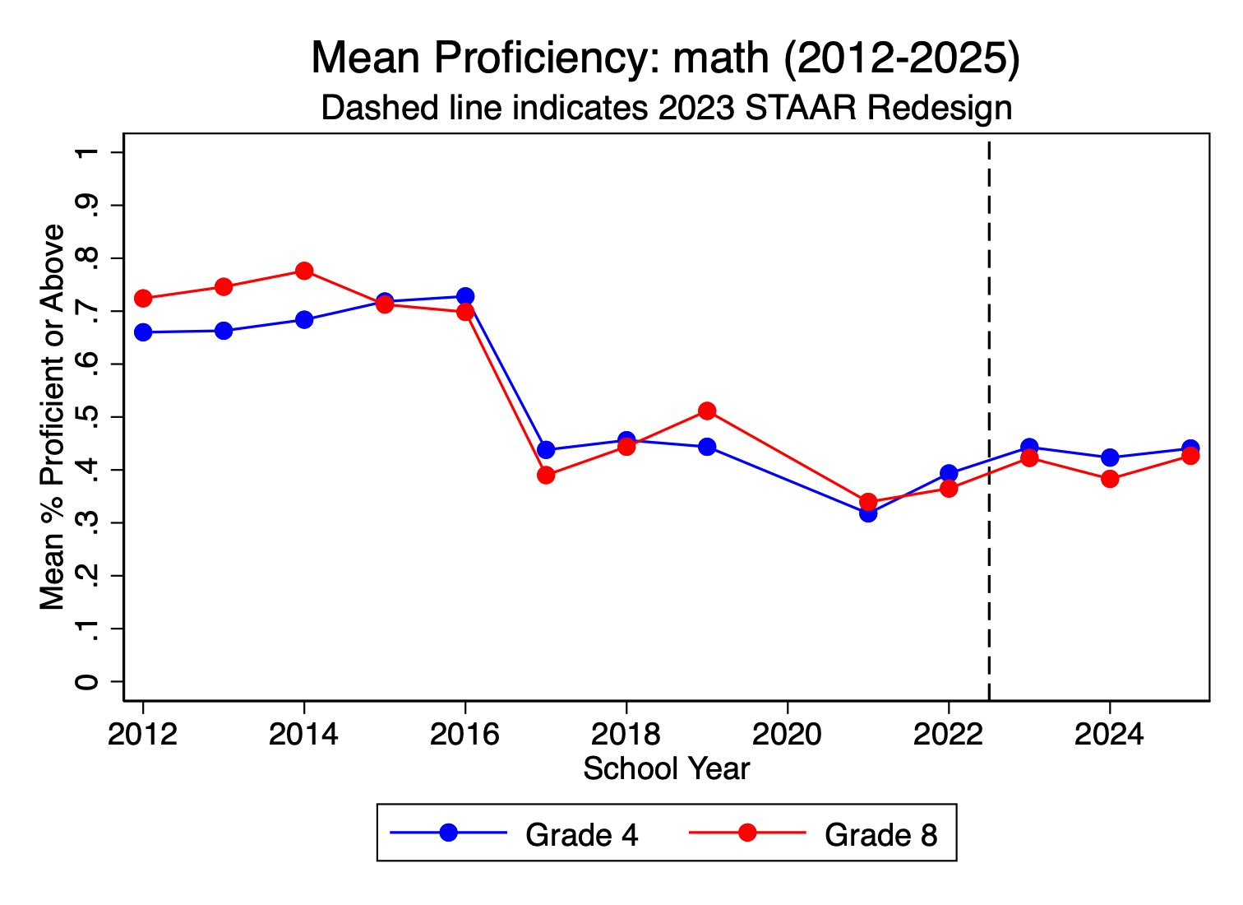
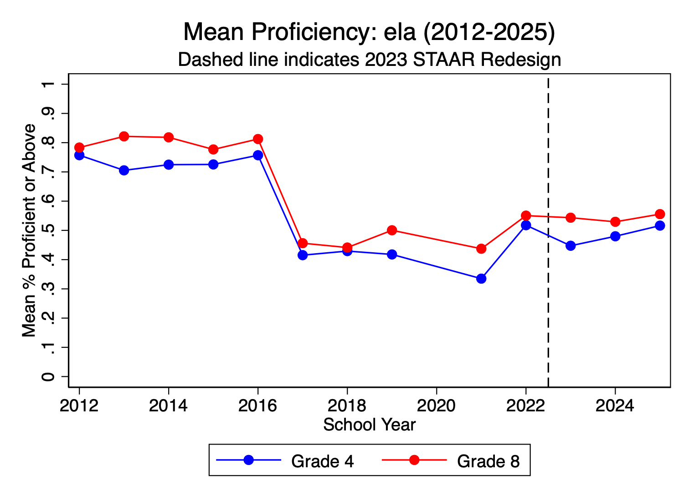

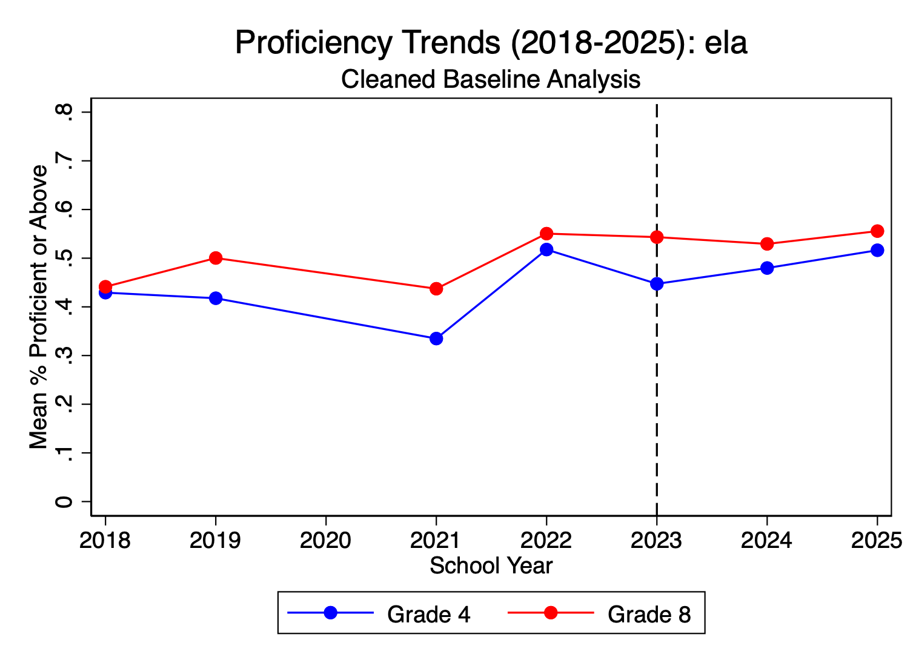

--- Regression (2018-2024 Baseline): ela ---
OLS Model (2018+): ela
 |  |  | Model | Redesign coefficient | R² | Substantive read
Linear regression Number of obs = 40,941 |  |  | ELA OLS (2018+) | +4.3 pp (SE 0.13) | 0.037 | Real, sizable
F(2, 7015) = 694.57 |  |  | ELA FE (2018+) | +3.9 pp (SE 0.12) | 0.035 within | Real, sizable, within-school
Prob > F = 0.0000 |  |  | Math OLS (2018+) | +1.7 pp (SE 0.16) | 0.0016 | Statistically detectable, substantively trivial
R-squared = 0.0372 |  |  | Math FE (2018+) | +1.8 pp (SE 0.14) | 0.0052 within | Same
Root MSE = .18394
 |  |  | The math result is a textbook "significant-but-meaningless" finding. R² of 0.0016 means the 2023+ indicator explains roughly 0.16% of the variance in school-level math proficiency. With ~40K observations, almost anything will hit p<0.001 — but the redesign indicator is doing essentially no real work in predicting math outcomes. The +1.7 pp effect is statistically there, substantively a rounding error. For the policy team thread, the correct framing is "math proficiency didn't meaningfully change with the redesign, once you anchor to a pre-pandemic baseline."
(Std. err. adjusted for 7,016 clusters in stateassignedschid)
------------------------------------------------------------------------------ |  |  | The ELA result is more credible as a real shift. R² is small (~3.5%) but more than an order of magnitude larger than math, and the +4 pp coefficient is meaningful at the school level. Whether the shift represents instructional improvement (HB3 Reading Academies), test-format mastery, or scale recentering remains the open question, but the lift itself is robust.
| Robust
proficient~t | Coefficient std. err. t P>|t| [95% conf. interval]
-------------+---------------------------------------------------------------- |  |  | What the OLS-vs-FE comparison adds
redesign | .0434047 .0012964 33.48 0.000 .0408633 .0459461
| |  |  | The fixed-effects models barely move the coefficients (+4.3 → +3.9 for ELA; +1.7 → +1.8 for math). That's actually a useful piece of information — it means unobserved school-level characteristics aren't confounding the redesign estimate. The effect (such as it is) shows up within the same school over time, not because the post-2023 sample is selecting for systematically different schools. This is what you want to see for credibility.
gradelevel_n |
G08 | .0630375 .0037394 16.86 0.000 .0557073 .0703678 |  |  | The rho values of ~0.67-0.71 confirm that roughly 70% of variance in proficiency rates lives between schools, not within schools across time. School-to-school differences swamp year-to-year changes — which is worth flagging because it means any policy intervention aimed at moving the state mean has to either lift a lot of schools simultaneously or change which schools are weighted heavily.
_cons | .4234939 .0022096 191.66 0.000 .4191625 .4278253
------------------------------------------------------------------------------ |  |  | The Grade 8 coefficient is a hidden insight

Panel variable: panel_id (unbalanced) |  |  | In the OLS specifications, ELA G8 schools score +6.3 pp higher than G4 schools (highly significant). In math, the G8 coefficient is −0.2 pp and not significant. Pre-pandemic, G8 math proficiency in Texas was higher than G4 (consistent with longer instructional accumulation). The fact that G8 and G4 math are now indistinguishable in this 2018+ panel is itself evidence of the G8 math collapse you saw in the NAEP data — there's no upper-grade advantage left in math, while ELA still shows the expected grade gradient.
Time variable: year, 2018 to 2025, but with gaps
Delta: 1 unit
Fixed Effects Model (2018+): ela
 |  |  | tl;dr
Fixed-effects (within) regression Number of obs = 40,941
Group variable: panel_id Number of groups = 7,589 |  |  | caveat to add when sharing: these models pool G4 and G8 and treat 2023+ as a single binary indicator — they don't disentangle the redesign mechanics from the post-2023 instructional/recovery period or test whether the effect is concentrated in specific grades or years. A natural extension would be year fixed effects with year dummies for 2023, 2024, 2025 separately so you can see whether the lift is sustained or fading.

R-squared: Obs per group: |  |  | When we compare STAAR results today against a normal pre-pandemic year (2018-2019), Texas reading scores really did go up after the 2023 test redesign — about 4 more percentage points of students passing. That gain is real and shows up consistently no matter how we slice the data.
Within = 0.0347 min = 1
Between = 0.0161 avg = 5.4 |  |  | Math is a different story. Against the same pre-pandemic baseline, math scores are essentially flat — they haven't meaningfully changed. The reason math sometimes looks like it's improving is that people are unconsciously comparing today to 2021, the worst year of the pandemic when scores cratered. Comparing to a year when scores were artificially low isn't measuring improvement; it's measuring bounce-back. Once we use a normal pre-pandemic year as the yardstick, the math "gain" disappears.
Overall = 0.0123 max = 6
 |  |  | So the short version: reading is genuinely up, math is genuinely flat, and the choice of comparison year is doing most of the work in any analysis that claims otherwise. That's what makes the Scorecard's "Texas still behind in math" finding consistent with our own data
F(1, 7015) = 1138.72
corr(u_i, Xb) = 0.0145 Prob > F = 0.0000

(Std. err. adjusted for 7,016 clusters in stateassignedschid)
------------------------------------------------------------------------------
| Robust
proficient~t | Coefficient std. err. t P>|t| [95% conf. interval]
-------------+----------------------------------------------------------------
redesign | .0388688 .0011518 33.74 0.000 .0366108 .0411267
_cons | .4457018 .0003939 1131.57 0.000 .4449297 .4464739
-------------+----------------------------------------------------------------
sigma_u | .16618408
sigma_e | .10527932
rho | .71360512 (fraction of variance due to u_i)
------------------------------------------------------------------------------
(77,990 observations deleted)
--- Regression (2018-2024 Baseline): math ---
OLS Model (2018+): math

Linear regression Number of obs = 40,444
F(2, 6938) = 61.25
Prob > F = 0.0000
R-squared = 0.0016
Root MSE = .20525

(Std. err. adjusted for 6,939 clusters in stateassignedschid)
------------------------------------------------------------------------------
| Robust
proficient~t | Coefficient std. err. t P>|t| [95% conf. interval]
-------------+----------------------------------------------------------------
redesign | .0172361 .0015581 11.06 0.000 .0141818 .0202904
|
gradelevel_n |
G08 | -.0024678 .0043267 -0.57 0.568 -.0109494 .0060138
_cons | .4069522 .0023419 173.77 0.000 .4023614 .411543
------------------------------------------------------------------------------

Panel variable: panel_id (unbalanced)
Time variable: year, 2018 to 2025, but with gaps
Delta: 1 unit
Fixed Effects Model (2018+): math

Fixed-effects (within) regression Number of obs = 40,444
Group variable: panel_id Number of groups = 7,508

R-squared: Obs per group:
Within = 0.0052 min = 1
Between = 0.0001 avg = 5.4
Overall = 0.0016 max = 6

F(1, 6938) = 154.29
corr(u_i, Xb) = -0.0011 Prob > F = 0.0000

(Std. err. adjusted for 6,939 clusters in stateassignedschid)
------------------------------------------------------------------------------
| Robust
proficient~t | Coefficient std. err. t P>|t| [95% conf. interval]
-------------+----------------------------------------------------------------
redesign | .0176251 .0014189 12.42 0.000 .0148436 .0204067
_cons | .4060315 .0004831 840.51 0.000 .4050846 .4069785
-------------+----------------------------------------------------------------
sigma_u | .17953477
sigma_e | .12522912
rho | .6727056 (fraction of variance due to u_i)
------------------------------------------------------------------------------

Volatility
Reardon, Ho, and Min (2026) paper and how it relates to volatility in performance since 2019 for TX
Mostly claude generated …
What "reliability" means in this context (the RHM paper)

In psychometrics, reliability is the proportion of observed variance that is real signal as opposed to measurement noise. A reliability of 1.0 means everything you observe is true signal; a reliability of 0.5 means half of what you observe is noise. The crucial detail in this paper is that they're applying reliability not to student scores but to trend estimates — that is, the year-to-year change in a state's average. So when they say "NAEP trends have a reliability of 0.38 after 2015," they mean that only about 38% of the variance in observed state-level NAEP changes is real change in student achievement; the remaining 62% is measurement error.

That's a striking claim and worth sitting with. It implies that when NAEP reports, say, that Texas 8th grade math dropped 4 points between 2022 and 2024, a substantial portion of that reported change could be noise rather than a real shift in what 8th graders know.

Why NAEP has lower reliability than state tests

The paper attributes the gap "largely" to NAEP's sampling design vs. state tests' census design. The mechanism is straightforward:

NAEP doesn't test every student — it administers to a probability sample of students in each state, with different students seeing different items (matrix sampling), and uses statistical imputation ("plausible values") to estimate a state-level distribution. This is a perfectly sound methodology for level estimation but it injects sampling error into every state-level mean, and sampling errors compound when you take differences between two cycles. Two cycles each with modest sampling error produce a difference with substantially more error than either level estimate.

State tests by contrast are census assessments — essentially every public-school student takes them — so sampling error is functionally zero for the state mean. The state-test reliability they estimate is approximately 0.99, meaning state-test trends are almost pure signal as measurements of changes on the state test. (Important caveat coming below.)

The specific numbers from the paper

The paper reports several specific reliability estimates worth flagging:

NAEP 2-year trend reliability is 0.49 pooled across 2009-2024 and 0.38 in the post-2015 era. The single-year-pair estimates range from 0.17 in 2022-2024 to 0.72 in 2019-2022. The 0.17 for the most recent cycle is especially noteworthy — if you take it at face value, only about one-sixth of the variation in observed 2022-2024 NAEP state trends represents real underlying change. State-test reliability across the same windows is approximately 0.99.

What this does and doesn't mean

It does not mean NAEP is wrong or that NAEP doesn't measure what it claims. NAEP was designed for unbiased population estimation, not for precise trend detection at the state-grade level — and the paper repeatedly notes NAEP estimates are unbiased even when they're imprecise. "Unbiased but imprecise" is the right one-line characterization. NAEP captures the true average level of student performance in expectation; it just does so with enough noise around state-level trends that you can't read a single 2-year change as definitively meaningful.

It also doesn't mean state tests are "better." State tests are more reliable as measurements of changes on themselves, but the paper documents that state tests show a systematic upward bias of about 0.05 SD per 2-year period relative to NAEP. That bias is consistent with score inflation, instructional alignment to the specific state test, and other mechanisms researchers have long suspected. So state tests are precise but biased; NAEP is imprecise but unbiased.

The paper also estimates that the true correlation between NAEP and state-test trends is roughly 0.47 since 2009 and 0.61 since 2015, even when both testing programs are stable. That means even after stripping out measurement error and bias, the two assessments are measuring meaningfully different latent changes — which is the third leg of the answer to Mary Lynn's question. Some of the STAAR-NAEP divergence is noise (NAEP reliability), some is bias (state tests inflate), and some is real construct differences (the assessments measure overlapping but distinct things).

The most consequential finding for your policy team

The paper's punchline is genuinely surprising and worth highlighting. They show that Empirical Bayes shrinkage estimates built from state-test trends can produce better estimates of the true NAEP change than observed NAEP itself, as measured by root mean squared error. The logic is: state-test trends are highly reliable (low noise) and highly correlated with NAEP trends, and even after subtracting off the known 0.05 SD bias, the resulting estimate beats raw NAEP because raw NAEP's measurement error swamps the bias-correction problem.

This is the methodological foundation of what the Education Recovery Scorecard is doing — using state-test data, NAEP-anchored, with shrinkage. The Reardon/Ho/Min paper is essentially the formal defense of that methodology, and it's why the Scorecard's flat-trajectory results for Texas should be taken as a credible estimate of what NAEP-anchored truth would be, not dismissed as "well, NAEP shows the same thing."

Practical implication for the Texas thread

Three things this lets your team say more precisely:

First, when comparing a single 2-year NAEP change for Texas, the reliability is genuinely low — and citing a specific NAEP scale-score change without acknowledging the uncertainty band overstates what NAEP knows. The "8 point drop in 8th grade math from 2019 to 2024" is a five-year window built from three NAEP cycles, which has more reliable signal than any single 2-year change, but the per-cycle imprecision is real.

Second, the apparent STAAR-vs-NAEP divergence is partly an artifact of NAEP's imprecision at the state level — you'd expect some divergence even if both tests were measuring exactly the same thing. The question isn't "is there a gap?" — yes, mechanically — but "is the gap larger than measurement error and bias would predict?" The Reardon/Ho/Min framework gives you the tools to answer that.

Third, the Scorecard's NAEP-anchored shrinkage methodology is arguably a more reliable estimate of the underlying trend than either raw NAEP or raw STAAR. That's a defensible position for the policy team to take when explaining why the Scorecard's negative findings for Texas deserve weight.

Sources:

Reardon, Ho, & Min (2026). "Two Watches: Assessing Educational Progress Using NAEP and State Tests" (edopportunity.org)

Somewhat claude generated:

Is ELA actually less volatile than math? Mostly yes, but the post-2020 era flipped it.
The conventional wisdom is supported by the long-run NAEP trend data: pre-pandemic, reading scale scores moved less year-over-year than math scores. The mechanism is well-documented — reading skill is reinforced by everyday environmental exposure (parents, screens, conversation, media) so it accumulates and decays more gradually, while math is more dependent on sequential classroom instruction and degrades faster when instruction is disrupted. Sean Reardon and colleagues have shown that summer learning loss is consistently bigger in math than reading for this reason.

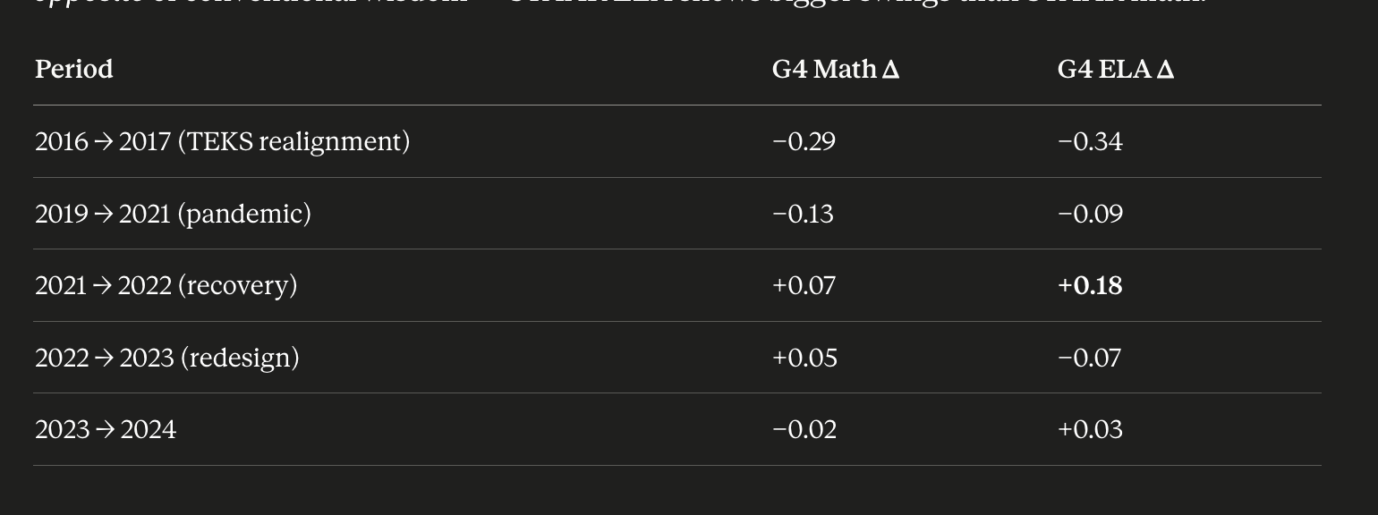
But the post-2020 period broke that pattern in a meaningful way. Reading has been more volatile than usual: 2024 NAEP showed Texas Grade 4 reading at its lowest score since 1994, and Grade 8 reading at a historic low for the assessment. Nationally, the 2024 reading drop was larger than the math drop in some grade-subject cells. So the baseline "reading is stable, math is bumpy" intuition is correct historically but doesn't hold cleanly in the COVID era. I think I am generally working from the pre-pandemic intuition. That said , it's somewhat attributible to new tests... The pre-pandemic NAEP literature establishing "reading is less volatile than math" holds up for the long-run NAEP scale-score time series. But what you're looking at in your data isn't the underlying ability time series — it's the proportion of students clearing a cut score on a state test that has been redesigned twice in the panel (2016 TEKS realignment and 2023 STAAR 2.0). Most of the volatility in the ELA series is concentrated at those two transition points, which suggests the volatility you're seeing isn't measuring real swings in reading ability — it's measuring test-instrument shifts. That is: Cross-sectional dispersion of school proficiency rates is similar between subjects, but year-to-year volatility in your panel is actually larger for ELA — concentrated at the 2016 and 2023 redesign breaks. This pattern is consistent with the instrument-change interpretation of the STAAR-NAEP divergence, not with a stability-of-reading-ability interpretation
What time-series volatility actually looks like in your data If you eyeball year-over-year movements of the state mean in your trend plots, it's actually the opposite of conventional wisdom — STAAR ELA shows bigger swings than STAAR math... ELA's biggest move in your data is actually the 2021→2022 recovery (+18 pp at G4), which is much larger than anything math did in the same window. And the 2016→2017 ELA drop (-34 pp) is the single largest year-over-year shift in either subject across the whole panel. So within Texas STAAR specifically, ELA has not been the more stable subject post-2015 — and that's worth taking seriously because it contradicts the pre-pandemic NAEP-based intuition.
A more interesting empirical point from your own data: in the school-level STAAR data, the cross-sectional standard deviations are very similar between subjects (ELA SD = 0.23, math SD = 0.24 pre-redesign). The school-to-school dispersion in proficiency rates is similar across subjects in Texas."

So why is the discord between sources bigger for ELA?
I'd group the candidate explanations into three buckets, ranked by how much I think each contributes:
1. The 2023 STAAR redesign hit ELA harder than math. This is probably the biggest single factor and the easiest to overlook. STAAR 2.0's most dramatic changes were on the ELA side — cross-curricular reading passages, new extended constructed-response items, fewer multiple-choice items, and most importantly a substantial broadening of what's tested. Math got new item delivery mechanisms (equation editor, hot spot) but the underlying TEKS coverage didn't change as dramatically. If post-2023 STAAR ELA is measuring a somewhat different construct than pre-2023 STAAR ELA, then "% Proficient" comparisons across the 2023 break aren't pure ability comparisons — they're partly instrument comparisons. NAEP wasn't redesigned, so it kept measuring the same thing. That alone would produce a STAAR-vs-NAEP gap that doesn't exist for math.

2. HB3's Science of Reading mandate is TEKS-aligned, not NAEP-aligned. This is the substantive instructional version of the divergence. Texas mandated Reading Academies for K-3 teachers as a Science of Reading curricular intervention. The training, materials, and instructional practices are tightly tied to TEKS reading objectives — which is exactly what STAAR tests. NAEP's reading framework emphasizes different skills (complex informational text, vocabulary across genres, comparative reasoning across passages). A genuine instructional improvement in TEKS-defined reading skill would show up on STAAR and only partially leak through to NAEP. There's no equivalent statewide curricular intervention for math.

3. Reading assessment is more passage-dependent than math. This is a psychometric point that often gets missed. Reading items always sit inside passages, and passage selection drives item difficulty in ways that don't apply to math. NAEP uses literary and informational passages drawn from specific stimuli; STAAR uses TEKS-aligned passages. Two reading tests can produce different aggregate results on the same students because the passages differ in topic familiarity, vocabulary load, and syntactic complexity. This is one reason why concordance studies between reading assessments are typically lower than math concordance studies (Andrew Ho has written about this in the context of state-NAEP concordance generally).
The discord between STAAR and NAEP for ELA isn't because reading ability is suddenly volatile — it's because STAAR ELA, as an instrument, is more volatile than NAEP reading. Math doesn't show this pattern as strongly in your data, possibly because the 2016 and 2023 redesigns affected ELA more substantively. What you could actually do with your data to test this A few computations would sharpen this: Decompose variance into school, year, and residual components: a two-way fixed effects variance decomposition would tell you what share of variance in % Proficient is due to schools differing from each other (cross-sectional) vs. the state mean shifting year-to-year (time-series) vs. idiosyncratic noise. If the year share is meaningfully larger for ELA than math, that's evidence ELA is more instrument-sensitive in Texas. Calculate the SD of annual state means: collapse to one observation per year per subject (the state mean), then compute the SD across years. That gives you a clean time-series volatility number per subject. Eyeballing your plots, the ELA series probably has a larger SD across years than math, but it's worth confirming. Split the panel at 2018 and recompute: the bulk of ELA's volatility in your data comes from the 2016-2017 transition. If you restrict to 2018+ and compute cross-sectional SD, time-series SD, and the variance decomposition separately, the picture for the contemporary period (which is what Mary Lynn cares about) will be cleaner. Within-school SD across years for the same panel ID: your panel_id already groups schools by school-grade-subject. Compute the within-panel SD across years — that's "how much does the same school move year-to-year" — and compare between subjects. If within-school year-to-year variability is larger for ELA, that's a within-unit instrument-volatility story.
How to better assess what's happening

Concrete next steps in roughly the order of cost/effort:
Cheap and worth doing first. Disaggregate your STAAR analysis along three dimensions: by Economically Disadvantaged status, by Emergent Bilingual (EL) status, and by district size or urbanicity..but aould required getting the peims data files since EDC is performance only. The Texas EL population has grown substantially, and if NAEP exclusion practices for ELs are pushing scores down while STAAR includes them, you'll see it in this cut. Also disaggregate by grade beyond 4 and 8 — if the STAAR ELA gain is concentrated in 3-5 (the grades hit hardest by Reading Academies) you've got circumstantial evidence for the HB3 mechanism.
My extant sensitivity check TEA models pool G4 and G8 and treat 2023+ as a single binary indicator — they don't disentangle the redesign mechanics from the post-2023 instructional/recovery period or test whether the effect is concentrated in specific grades or years. A natural extension would be year fixed effects with year dummies for 2023, 2024, 2025 separately so you can see whether the lift is sustained or fading.

Cohort tracking. Use your school panel to follow specific cohorts (e.g., students who were 4th graders in 2019, 5th in 2021, 8th in 2025). If you see a "redesign discontinuity" within the same cohort's trajectory, that's evidence of a scale break; if the cohort climbs smoothly through the 2023 transition, that's evidence the gain is real. Your fixed-effects setup is already most of the way there.

Pull TEA's standard-setting documentation for STAAR 2.0. TEA published the cut-score recalibration methodology when the redesign was implemented. If the "Approaches/Meets/Masters" cut scores were re-anchored such that the same student would land in a different category post-2023, you can quantify the artificial component of the lift. If not, the lift is real on the test-score scale even if not on a NAEP scale.

Compare to a state that didn't redesign in 2023. A few states (Florida, North Carolina come to mind) had stable state-test designs through 2024. If their state-test ELA also outpaced their NAEP ELA in the same way, then the divergence isn't about Texas's redesign — it's a more general state-test-vs-NAEP gap. If only Texas shows it, the redesign or HB3 are doing more work.

The gold-standard but harder option: ERC matched data. The Texas Education Research Center at UT Austin holds individual-student matched STAAR and (some) NAEP records. A within-student comparison of STAAR ELA changes vs. NAEP ELA changes would directly test the divergence. This needs an ERC application and takes months, but if the policy team wants a definitive answer, that's where to go. Eric Hanushek's group has done similar matched work in math.

Item-level comparison. Pull released ELA items from STAAR 2024 and NAEP 2024 on equivalent grades, code them on a common framework (text complexity using Lexile or Coh-Metrix, question type, cognitive demand), and look at whether STAAR ELA items shifted in measurable ways across the 2023 break that NAEP items didn't. Labor-intensive but produces a clean exhibit if the team wants something visual.

One genuine caveat to add to your thread. The STAAR ELA gains in your data could also reflect score inflation in the Koretz/Linn sense — teachers and curricula adapting to the redesigned test format, raising scores without raising the underlying construct. The HB3 mechanism is the optimistic interpretation; test-format adaptation is the cynical one. Both are consistent with the data you have, and the cohort + ERC analyses are how you'd tell them apart. Worth not over-claiming until you can distinguish.

