Angel
Built-up pixels in ray
Open pixels in white
Roving window centers
on each developed pixel
Index | Definition | Exemple | 2nd definition | Range
Edge (Open space contiguity) | The Edge Index measures the frequency that built-up area pixels are found to be immediately adjacent to open space or water pixels. The index varies between 0 and 1, and the higher the value for this index, the larger the frequency that built-up pixels are found to be adjacent to open space pixels. Since pixels in the satellite images we used are 30-by-30 meters in size, the Edge Index is thus a good measure of the fragmentation of built-up areas at the scale of individual buildings, namely of the fragmentation of the open space in an around cities at the micro level. The fraction of developed pixels that are cardinally adjacent to at least one undeveloped pixel. |  | The probability that a built-up pixel will be adjacent to an open space pixel | [0,1]
Openness | The Openness Index measures the share of open space in a circle of 1 km2 around each built-up pixel. The radius of this circle, 586 meters, corresponds to a distance covered by a leisurely 10-minute walk, the fraction of land within a 560 meter radius that is undeveloped. The Openness Index is thus an indicator of the amount of open space within walking distance of every urban location, or the amount of open space “in the neighborhood”. In fact, it measures the average share of the area of that 1 km2 circle that is open and not built-up. | 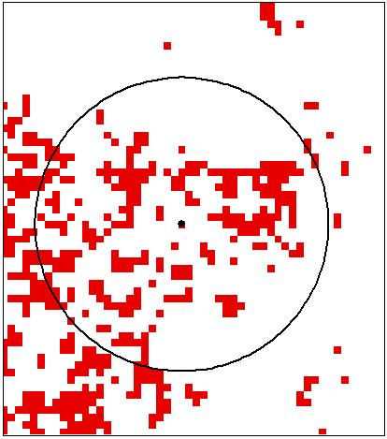 | The average percent of open space within a circular 1 km2 neighborhood for all built-up pixels. | [0,1]
Open space fragmentation | The ratio of the combined urbanized and peripheral open space area to the built-up area. Affected open lands includes the urbanized open space and the peripheral open space. |  |  | >0
Proximity (Compactness) | Based on average distance, of all points in the urban footprint, to the center of the footprint. Normalized by the average distance (d) to center of the equal area circle with radius (r) – a circle with an area equal to that of the urban footprint. d = (2 / 3) * r. |  | It is the ratio of the average distance from all points in the equal-area circle to its center and the average distance to the city center from all points in the city footprint
Cohesion (Compactness) | Based on the average distance between all possible pairs of points in the urban footprint. Normalized by average distance (d) between all pairs of points within the equal area circle with radius (r). d = 0.9054 * r. |  | It is the ratio of the average distance among all points in na equal-area circle and the average distance among all points in the city footprint
Compactness | The fraction of the shape area that is within an equal area circle centered at the shape center.
Constrained Compactness | The fraction of the shape area that is within the net equal area circle centered at the shape center. The net equal area circle has a buildable area (excluding water and excessive slope) equal to the urbanized area.
Water | A “water index” was calculated for each Landsat scene: Water Index = (Band 1 + Band 2 + Band 3) / (Band 4 + Band 5 + Band 7). Water class is extracted from water index image and overlain with urban / non-urban classification

METRICS
Urban land cover | or urban extent, is typically measured by the total built-up area (or impervious surface) of cities, sometimes including the open spaces captured by their built-up areas and the open spaces on the urban fringe affected by urban development.
Density | or more precisely average urban population density, is typically measured as the ratio of the total population of the city to the total built-up area it occupies.
Centrality | concerns the relative proportion of the population of the city that lives in close proximity to its center rather than in its suburban periphery. It is typically measured by both parameters of the density curve defined by Clark (1951)—its intercept (corresponding to maximum densities at the urban center) and its gradient (the rate of decline in density as distance from the city center increases).
Fragmentation | or scattered development, is typically measured by the relative amount and the spatial structure of the open spaces that are fragmented by the noncontiguous expansion of cities into the surrounding countryside.
Compactness | or the degree to which the city footprint approximates a circle rather than a tentacle-like shape, is typically measured by a set of compactness metrics (Angel, Parent, and Civco 2010b).

infill | is defined as all new development that occurred between two time periods within the urbanized open space of the earlier period, excluding exterior open space;
extension | is all new development that occurred between two time periods in contiguous clusters that contained exterior open space in the earlier period and that were not infill;
leapfrog | development is all new construction that occurred between two time periods in the open countryside, entirely outside the exterior open space of the earlier period
walking distance circle | is a circle with an area of one square kilometre around a given built-up pixel
urban built-up pixels | are pixels that have a majority of built-up pixels within their walking distance circle; 50-100% developed area
suburban built-up pixels | are pixels that have 10–50 per cent of built-up pixels within their walking distance circle
rural built-up pixels | are pixels that have less than 10 per cent of built-up pixels within their walking distance circle;
fringe open space | consists of all open space pixels within 100 metres of urban or suburban pixels
captured open space | consists of all open space clusters that are fully surrounded by built-up and fringe open space pixels and are less than 200 hectares in area;
exterior open space | consists of all fringe open space pixels that are less than 100 metres from the open countryside;
urbanized open space | consists of all fringe open space, captured open space and exterior open space pixels in the city; and
urban landscape area | consists of all the built-up area of the city and all its urbanized open space

built-up area | is the set of built-up pixels within the administrative boundary of the city or metropolitan area.
city footprint | is the set of urban and suburban pixels, their fringe open space pixels, and the captured open spaces these pixels surround.
urban tract area | is the set of census tracts within the administrative area of the city with a population density greater than 3.86 persons per hectare.
urban landscape ratio | is the ratio of the urban landscape area and the built-up area in the city;
City foot print ratio | is the ratio of the city footprint (that includes all the built-up or impervious surface area and all the urbanized open space in the city) and the built-up area. It is a citywide measure of fragmentation
City foot print density ratio | is the ratio of the population within the administrative area of the city and the area of its city footprint.
Urban tract density ratio | is the ratio of the total population and the total area of urban tracts.
Built-up area density ratio | is the ratio of population within the administrative area of the city and the area of its built-up pixels.

