Revit Links
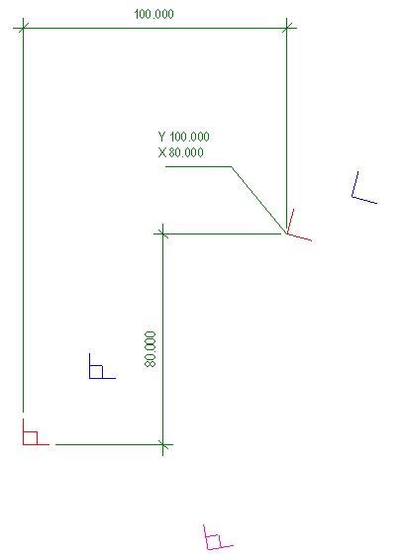
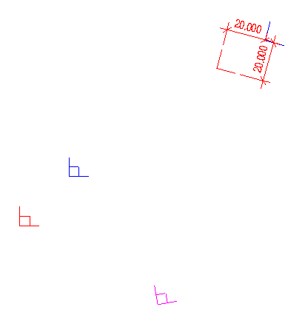
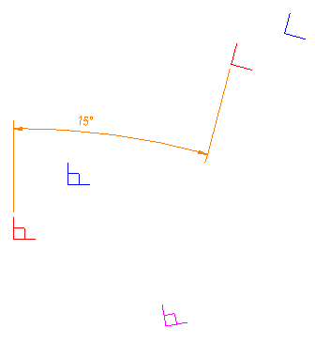
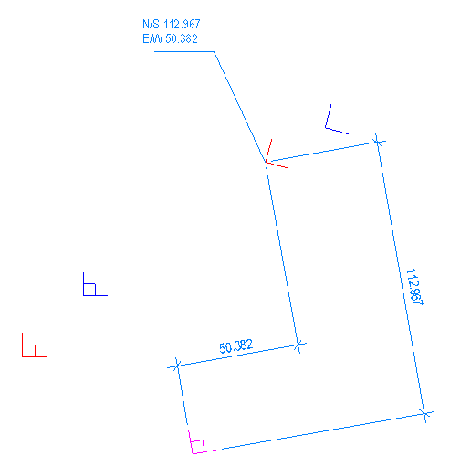
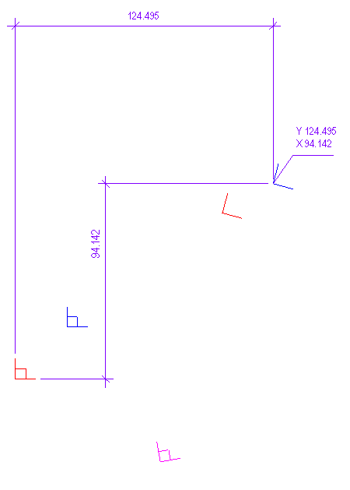
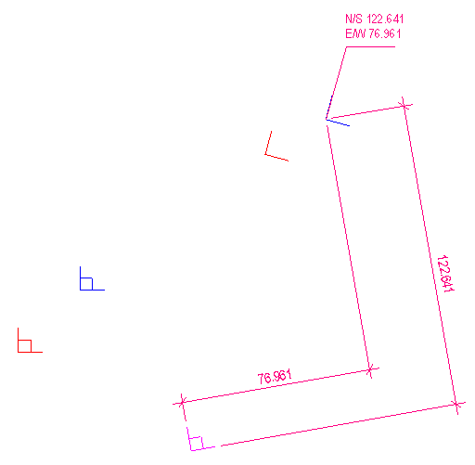
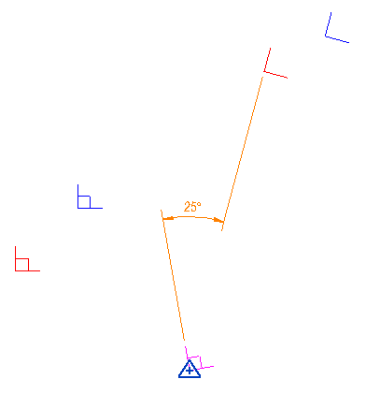
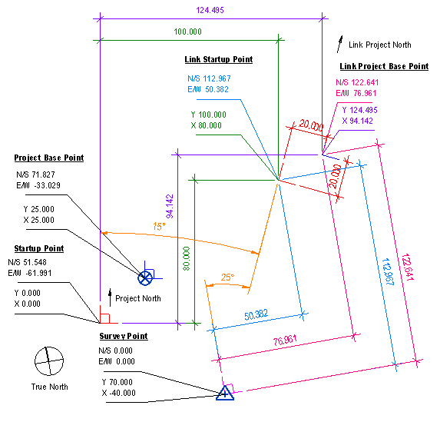
Model | Link Type |  |  |  |  |  |  |  |  |  |  |  |  |  | Link Instance |  |  |  |  |  |  |  |  |  |  |  | Orientation |  | Startup Point (Project Coordinates) |  |  | Startup Point (Shared Coordinates) |  |  | Project Base Point (Project Coordinates) |  |  | Project Base Point (Shared Coordinates) |  |  | Project Base Point Shift
 | Link | Path | Path Type | Room Bounding | Attachment Type | Workset | Workset Open | Workset Visible by Default | Workset Owner | Creator | Owner | Last Changed By | Loaded | Has Unsaved Locations | Id | Name | Workset | Workset Open | Workset Visible by Default | Workset Owner | Creator | Owner | Last Changed By | Design Option | Shared Site | Pinned | Rotation | Angle to True North | X | Y | Z | E/W | N/S | Elev | X | Y | Z | E/W | N/S | Elev | X | Y | Z
model.rvt | link.rvt | link.rvt | Relative | No | Overlay | LINK TYPE | Yes | Yes |  | eric.anastas.sfw750 | eric.anastas.sfw750 | eric.anastas.sfw750 | Yes | No | 213359 | 1 | LINK | Yes | Yes |  | eric.anastas.sfw750 |  | eric.anastas.sfw750 |  | Site A | No | 15 | 25 | 100 | 80 | 0 | 50.38201 | 112.96749 | 0 | 124.4949 | 94.14214 | 0 | 76.96053 | 122.64128 | 0 | 20 | 20 | 0

