Group Heuristic Evaluation
Prototype Description: | UniVerse allows college counselors to choose students they want to work with who align with their skills and expertise.

 |  |  | Your TA will remove your names before the document is given to the project team. Under the 'Found by' column, use these letters to identify yourselves
Simple Task | Counselors can find students who match their interest and support style. |  | Evaluator A:
Moderate Task | Teach a class to your students |  | Evaluator B:
Complex Task | Use AI to manage student data, identify which students are of the highest priority, and then make actionable insights to help them |  | Evaluator C:
 |  |  | Evaluator D:
 |  |  | Evaluator E:
 |  |  |  | *attach images here if helpful
Problem # | Heuristic | Task | XFNOT | Description | Rationale | Fix | Found by | Image
6 | H10: Help & Documentation | 1. Simple Task | 1 | Help text for what to send in a message to a potential new student includes their potential classmates, but the classroom assignment page is inacessible from this page. | Users won't remember who is in a classroom that they potentially want them to join, also they haven't been assigned a classroom yet | Maybe a dropdown of exiting classrooms on that page | A | 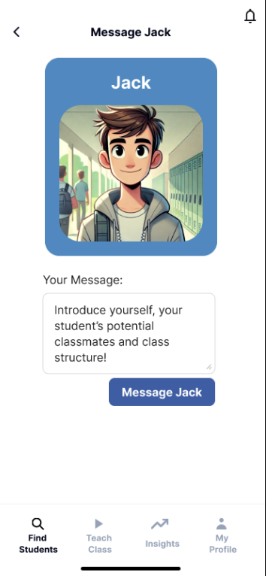
9 | H6: Recognition not Recall | 1. Simple Task | 2 | Once in the message screen, you can't see a student's interests | Counselors may want to reference interests when sending an initial email, and can't access these without losing message progress | Add a summary of their profile on the message screen, or a popup/see more | A
10 | H6: Recognition not Recall | 1. Simple Task | 2 | Assign student to classroom page doesn't include classroom theme | Counselors likely won't remember the intention behind a list of names when assigning a new person | Add theme to list of classrooms | A, C, B, E | 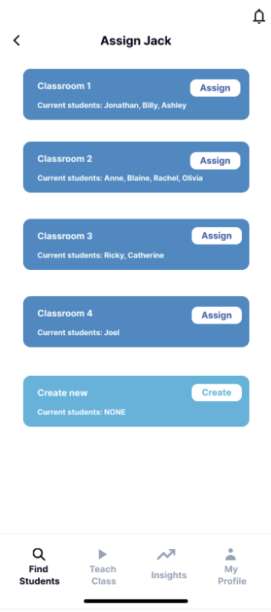
11 | H8: Aesthetic & Minimalist Design | 1. Simple Task | 1 | "Create new" classroom says no students | Unnecessary information as a group that doesn't exist yet can't have users | Delete the number of users line for the create new group area | A
31 | H8: Aesthetic & Minimalist Design | 1. Simple Task | 1 | Can see grid background on planet image on the request sent page. | Distracting background takes away from more important information | Remove photo background | A | 
36 | H6: Recognition not Recall | 1. Simple Task | 2 | The "most similar student" prompts the user to think back to another student, scan their mind for who they are, and then remember key information about them. | This can be particularly challenging for a counselor with lots of students who cannot always easily remember this information. It may make them want to navigate to their current students and look through the mentioned individual's profile. | Perhaps more information can be provided by hovering your cursor over/clicking the mentioned "most similar student" to see a quick summary of their profile as a refresher. Or this section can specifically mention what about this student's profile aligns with another existing student. In this case, maybe the name is not as important as the underlying information. So maybe it can be more along the lines of "xyz interests/activities match with two of your students" or something like that | B, D
37 | H8: Aesthetic & Minimalist Design | 1. Simple Task | 3 | In the "find students" tab, each student's image takes up a significant amount of space, and very little information is provided about them otherwise aside from a few interests. | The most important part of the counselor's selection process is not the image, but rather, the information, especially given the app's niche focus on allowing counselors to pick based on background and interest fit. Therefore, reducing this to allow for more space about the student (while still keeping it concise) can help the counselor do a more thorough initial scan of the profile and better decide if this is someone they would be interested in working with. | Reduce the size of the image, and a few important points besides interests. This can be extracurricular activities and other background information (e.g. domestic vs international) | C, B, D
60 | H8: Aesthetic & Minimalist Design | 1. Simple Task | 1 | When the user clicks on a student in the "Recommended Students" section, the page for that student unnecessarily contrains the student's information to a blue box. | Maybe you're trying to be consistient with the page you're coming from here, but it would be nice to spread on this information. I don't think you need to keep in the box box on this page. | Remove the box box and display the student's information on the full page. If you're worried about consistiency, maybe just incorperate the blue color somewhere on the page. | C
23 | H10: Help & Documentation | 2. Moderate Task | 1 | Hit "create new" is not the easiest instruction to see in the scheduled session tab. | Hit "create new" makes me think it's a button within the tab, not another tab | Change wording "click on the create new tab to make more classes" or move the "Create New" button the be where the "Hit Create New to make more classes" text is now. If you have the text there now, why not just replace it with the actual button? Then you have fewer tabs in the sessions panel which might be clearer. | B, C, A, D, E | 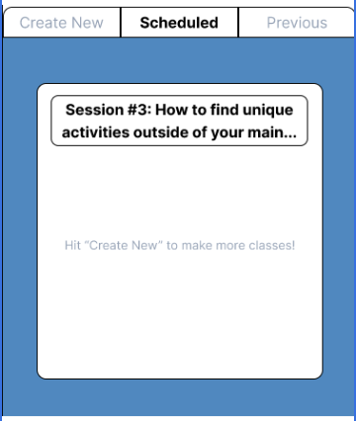
46 | H8: Aesthetic & Minimalist Design | 2. Moderate Task | 3 | When you go to create a new class, it asks for a description. However, currently, we do not see a description displayed anywhere in the app, from the teach class nav bar to when you assign students and open an individual class. This is redundant and unnecessary currently | Creates unnecessary input fields that do not add to the user experience. Users expect that what they are asked for is useful and relevant across the interface | Either remove the description option, or display the description somewhere in the app if it is meaningful and integral to its function and the user experience. | B
66 | H1: Visibility of System Status | 2. Moderate Task | 1 | Within a session call, there's an icon in the top left that looks like a monitor. It's unclear to me what this represents. | Maybe I'm just not familar with this icon, but I don't know what its use is. It's not impleemnted right now so it seems that it might not be relevant for your tasks. | Either clarify what this icon means or remove it. | C
71 | H10: Help & Documentation | 2. Moderate Task | 2 | "Powered by UniBot" text is misleading and unclear. | It's unclear to me why this text is listed for a scheduled session and nowhere else. I didn't noticed UniBot anywhere else and don't know what it is. | Explain what UniBot is at some point. | C
80 | H8: Aesthetic & Minimalist Design | 2. Moderate Task | 2 | Classrooms page display is best as a list. | A lot of text is cut off | Having the list of classrooms displayed as a list, with the full name, could be better rather than as icons (lots of wasted space and not the best way to display text) | C, D
84 | H8: Aesthetic & Minimalist Design | 2. Moderate Task | 2 | In the Your Classrooms page, the classes are numbered. | No need for the numbering system — just the class title is enough. | Remove the numbering from the classrooms. | C, D, B
50 | H8: Aesthetic & Minimalist Design | 2. Moderate Task | 3 | The layout is a little overcrowded | A clean and spacious design is better | Maybe use a list structure | E
52 | H8: Aesthetic & Minimalist Design | 3. Complex Task | 1 | When you click on actionable insights generated by AI for a student, the text is formatted kind of awkwardly, as if each line starts a new paragraph. | This layout could be improved aesthetically to give a more professional look and establish trust and credibility with the user, as well as just providing a more pleasant user experience. |  | B, D, E
57 | H8: Aesthetic & Minimalist Design | 3. Complex Task | 1 | "See next action" is a bit long and can be made more concise | Whenever possible, we can cut down on redundant vocabulary and anything else that is not necessary for a cleaner, less cluttered look. | Just change it to "next action" as it is pretty self-explanatory | B
73 | H8: Aesthetic & Minimalist Design | 3. Complex Task | 3 | The page displaying a student's "Urgent" insight is very text heavy. | Because this page is almost entirely unorganized text, it makes it heard to read and understand. | Think about ways you can better organize the text in the "Explaination" section. Maybe a table would be useful here. Or graphics. | C, D, E
1 | H1: Visibility of System Status | 5. Extra Violations | 2 | First page doesn't have a clear button to press to enter the app | Users could be unsure what the purpose of the screen is or how to advance. | Add an "enter" button | A, B
13 | H9: Help Users with Errors | 5. Extra Violations | 2 | "Something went wrong." when password incorrect on Login is unclear | Unsure if username or password is the problem, or if it's an internal error | Say where the error came from | A, B, D, E
20 | H1: Visibility of System Status | 5. Extra Violations | 2 | Can't change student vs counselor once pressed | Users may accidentally click the wrong role | Add back button | A
30 | H9: Help Users with Errors | 5. Extra Violations | 1 | Does not describe what makes a password weak or strong outside of the requirements | The requirements of the password don't exactly map to what is strong/weak | Add suggestions to make password strong | A | N/A
40 | H8: Aesthetic & Minimalist Design | 5. Extra Violations | 2 | Currently when we go to assign Jack/a new student to a classroom, the only information we really get about each class is the names of the people in that class. But this clutters the space and leaves less room for more valuable information such as class theme/subject. | This level of detail is most likely not needed for the counselor to make an assignment decision, and thus unnecessarily clutters the space. Since this information is not needed, it can reduce the interface's clarity and cause confusion/a momentary pause for the user. This is particularly the case for counselors that may have dozens or more users, it is not very dynamic. | Instead of naming the students, perhaps keep a count of how many are enrolled, as that can be valuable for assignment decisions. | B, C
77 | H8: Aesthetic & Minimalist Design | 5. Extra Violations | 2 | The font doesn't match the product well. | The font is very standard, and along with the product name doesn't give me any hint to what the product is. | Choose a more professional / academic looking font (try to make the aesthetic like a university's). | D
85 | H8: Aesthetic & Minimalist Design | 5. Extra Violations | 2 | Right now, the title of each tab shown on the top is the same style and size as everything else. | There should be some distinction between the title and the content of each page. | Add a line between the title & content, and change the font to make it bigger. | D

Sheet5
37 | H8: Aesthetic & Minimalist Design | 1. Simple Task | 3 | In the "find students" tab, each student's image takes up a significant amount of space, and very little information is provided about them otherwise aside from a few interests. | The most important part of the counselor's selection process is not the image, but rather, the information, especially given the app's niche focus on allowing counselors to pick based on background and interest fit. Therefore, reducing this to allow for more space about the student (while still keeping it concise) can help the counselor do a more thorough initial scan of the profile and better decide if this is someone they would be interested in working with. | Reduce the size of the image, and a few important points besides interests. This can be extracurricular activities and other background information (e.g. domestic vs international) | C, B, D |  | done
38 | H12: Value Alignment & Inclusion | 1. Simple Task | 3 | Displaying large images of students with little accompanying information could lead to potential biases or discrimination. Users may make judgements or decisions based on appearances, even if subconsciously. | H2 focuses on design that users can relate to while also refraining from perpetuating existing inequities. When the emphasis is on images without enough contextual information about the students, it can encourage visual-based decisions, fostering biased outcomes. | Decrease the emphasis on images and add more substantial information based on the student's experience and interests. | B, D |  | done
-5 | H2: Match b/w System & World | 1. Simple Task | 3 | The student profile can add more detials. Also I am not sure what the similarity in student profile means | Counselors need more comprehensive information | Include additional details such as what metric are we comparing the students on | E | 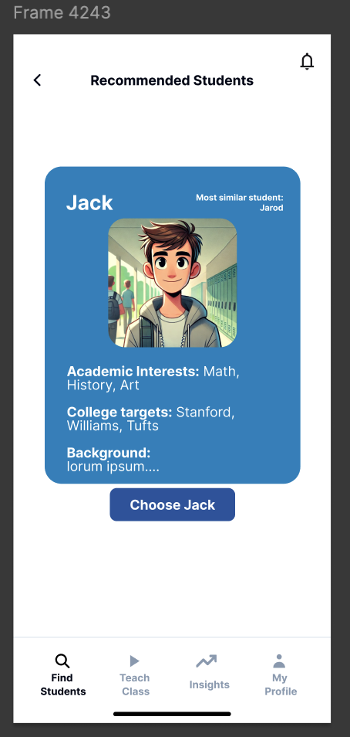
4 | H4: Consistency & Standards | 2. Moderate Task | 3 | Unclear if classrooms are groups of people or themed lessons | On the "Teach Class" page it says "Your Classrooms" which is confusing because classrooms are also groups of people that students are assigned to once accepting a request | If they're different: Rename top of teach class page to Your Lessons. If they're the same: Maybe students can be added to multiple classrooms | A, D, E | 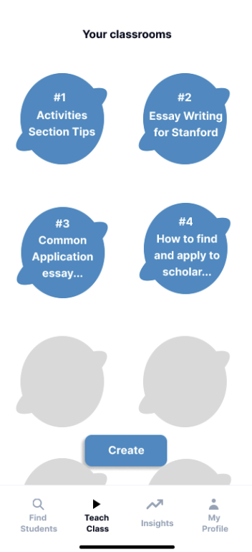 | done
24 | H5: Error Prevention | 2. Moderate Task | 3 | Confirm users want to end the meeting before they do | Button easy to mispress and end for everyone | Add "are you sure you want to end" dialogue | A | N/A
25 | H2: Match b/w System & World | 2. Moderate Task | 3 | DONE | User is unclear whether they should type in "textfield" or what it means | Don't think any text is needed there | A
44 | H4: Consistency & Standards | 2. Moderate Task | 3 | When you navigate to one of your classrooms and go to the "previous" tab, you will see a list of all the previous sessions held. The naming of these sessions as well as the term "session" used to describe them is confusing and inconsistent with the rest of the app. | As mentioned earlier, when you go to create a session within a classroom, the success message says a "class" has been created. Here (as well as under the "scheduled" tab), these are now actually being referred to as "sessions," which is an inconsistency with before. Additionally, all of these terms like "power session," "session #2," "section #1A" are not intuitive or immediately clear to the user. What differentiates session #2 vs #1A vs #1D? Are these tags that are assigned to each session, in which case we would need this feature to be present in the "create new" tab. If they are part of the name and follow a specific order, it would be confusing and difficult for the user to keep up with - can also fall under H2 and H6 | Remove these session identifiers and use a simple format like "session 1," "session 2," etc, and put the subsections under these overarching sessions. | B, D |  | done
46 | H8: Aesthetic & Minimalist Design | 2. Moderate Task | 3 | When you go to create a new class, it asks for a description. However, currently, we do not see a description displayed anywhere in the app, from the teach class nav bar to when you assign students and open an individual class. This is redundant and unnecessary currently | Creates unnecessary input fields that do not add to the user experience. Users expect that what they are asked for is useful and relevant across the interface | Either remove the description option, or display the description somewhere in the app if it is meaningful and integral to its function and the user experience. | B |  | done
48 | H4: Consistency & Standards | 2. Moderate Task | 3 | Unlike the "previous" tab that offers no back button once you further open up a session, a back button does exist when you open a session under "scheduled." Yet, in addition to this button, the one at the top also works to navigate out of the action. | Everything under the "create new," "scheduled," and "previous" tabs are of the similar format, so there is an assumption that there will be identical navigation features to ensure standard design and clarity for the user. However, including an explicit "back" button for "scheduled" and not "previous" creates an inherent inconsistency. | Incorporate a back button whenever open a session under "previous." | B, C
54 | H2: Match b/w System & World | 2. Moderate Task | 3 | The image for the teach class tab is confusing and not very representative of everything relevant to this portion of the app. | It is currently a play button which suggests video recordings, but much more can be accessed through this tab, including revisiting past sessions notes, creating new classes, scheduling new sessions, etc | Perhaps change it with an image of a classroom or whiteboard to better communicate the idea of "class" | B |  | DONE
59 | H7: Flexibility & Efficiency of Use | 2. Moderate Task | 3 | It is confusing how the user can create a session and start it immediately. From the current layout, it seems they need to create a session which then gets added to the scheduled tab, and they can later join from there. But is there an impromptu session option? | If the app does not offer a way to start a session right away, it may hinder users looking for faster, more immediate solutions. To then join a session you want to start right away from the scheduled tab is unnecessary work for the user. | When you're creating a session, add a "join now" option | B
67 | H3: User Control & Freedom | 2. Moderate Task | 3 | There's no way to access the rest the app from within a session call. | I think counselors would definitely still want to see content while in a session call. For example, they may want to check their notes on a specific student that is in the class with them. | Add a back button to return to the app without ending the call. Have some icon that is displayed in the app that indicates that the user is currently in a call. | C, E
5 | H2: Match b/w System & World | 2. Moderate Task | 3 | The titles for the classrooms are vague and do not provide clear context on what each session entails | Users may be unsure of the content | Include brief descriptions beneath each title to clarify the subject matter and objectives of the sessions | E
6 | H11: Accessible Design | 2. Moderate Task | 3 | The session titles and content doesn't have much difference | Users benefit from a clear layout | Introduce visual elements like borders, background color changes, or increased spacing between session items | E
7 | H8: Aesthetic & Minimalist Design | 2. Moderate Task | 3 | The layout is a little overcrowded | A clean and spacious design is better | Maybe use a list structure | E
35 | H12: Value Alignment & Inclusion | 3. Complex Task | 3 | Does not promote community long-term relationships between student and counselor as the only way to individually interact is through AI-generated recommendations. | To build long-term relationships will likely need individual interaction as well, which doesn't seem to be a feature | Add a clear way to access each student and message them. Maybe an inbox? | A, D, E |  | DONE
49 | H3: User Control & Freedom | 3. Complex Task | 4 | After you send a message to a student telling them about an actionable insight, there is currently no way to engage in dialogue further or access the chat where the message was sent. | This is a fundamental aspect of this feature as the student needs to be able to receive guidance and counselling outside of just the sessions, and also follow up and engage further with the counselor's suggestion. | After the message is sent, there can be a button like "go to chat" that allows the counselor to open the chat with the student. This should also be accessible under the section where you open the student's profile in the insights tab. | B |  | DONE
50 | H5: Error Prevention | 3. Complex Task | 3 | Under the insights tab, students are listed by their first name with no other identifier, such as the first letter of a last name or a profile picture. | Multiple students can have the same name which can cause issues for the counselor in keeping track of who is who. | Can add a small profile picture next to the name and/or the first letter of their last name. | B, C, D |  | DONE
56 | H12: Value Alignment & Inclusion | 3. Complex Task | 4 | If counselors choose to use AI to generate personalized insights, there should be design features that clearly inform the students and ask for their consent. Many users may have concerns about data privacy or come from a history of data exploitation, so this is incredibly important to discuss with the student beforehand. | For design to align with user values and promote inclusion, it must clearly inform users of how their data is used and ask for permission. Failing to do so will erode trust in the platform and credibility in the counselor. | When a counselor reaches out to a student, there should be an option to send an already-drafted message that explains they intend to use AI with their college app profile, in what ways, and for what purpose. This can be incorporated into a button that then brings in the next. | B |  | DONE
73 | H8: Aesthetic & Minimalist Design | 3. Complex Task | 3 | The page displaying a student's "Urgent" insight is very text heavy. | Because this page is almost entirely unorganized text, it makes it heard to read and understand. | Think about ways you can better organize the text in the "Explaination" section. Maybe a table would be useful here. Or graphics. | C, D, E |  | DONE
74 | H7: Flexibility & Efficiency of Use | 3. Complex Task | 3 | Once sending a message to a student regarding an insight, the user is returned to the insight that they were just looking at. | It seems like the user would be done with the screen at this point. There's not much reason to return them to this screen and the will probably have to use the back button to exit out at this point. | Return the to that student's insights, and maybe add an icon the that insight indicating that it has been addressed via message! | C
81 | H2: Match b/w System & World | 3. Complex Task | 3 | Within each student's AI insights, the descriptions of "Urgent", "Medium", and "Optional" are unclear. | Generally, the urgency of tasks should be communicated differently and consistently. | Could change the labels to "High priority", "Medium priority", and "low priority." | D
3 | H11: Accessible Design | 4. All Tasks | 3 | Non-white button text when hovered on is hard to read. | Particularly black/red/blue/grey on purple can be tricky to read | Standardize all button background colors so white can be used for text | A, E
15 | H11: Accessible Design | 4. All Tasks | 3 | Text can be too small to read | Paragraph text is really small, especially for those who don't have great eyesight | Enlarge text | A, D, B, E |  | DONe
51 | H4: Consistency & Standards | 4. All Tasks | 3 | There is no standardized method to display the names of students, i.e., in the find students and insights tabs, only first names are displayed, but in the classrooms under teach class, it's first name and last name initial. | There is no way of telling whether there is a rationale behind this difference in displaying names. This lack of consistency can hinder familiarity and confidence in the system's design. Additionally, it is quite important to include a student's full name when initially displaying them under the find students tab. This is because you are considering a potentially long-term mentorship/counselor-student match and it is standard to provide more information than just first name. | Can add first name and last name initial everywhere, except when you navigate into a student's profile further, such as when you are in the find students tab and click a student's profile. | B, D, C |  | DONe
55 | H4: Consistency & Standards | 4. All Tasks | 3 | The only time receive a confirmation message after a major action is when the user messages a student to propose to be their counselor. It navigates to an entirely new screen with a confirmation message. But then no other action elsewhere, such as assigning a student to a class, or messaging a student actionable insights, comes with a similar message. | From a consistency standpoint, the initial confirmation when the counselor reaches out basically tells the user that when an action works successfully, they will be told so. This can lead to even more confusion when there is not confirmation elsewhere, because the user has greater expectations of it. | In addition to adding confirmation messages, make sure they follow a mostly consistent style across the app. For example, having them all navigate to a completely new page and then a button that prompts further action/takes you back to the previous page, similar to when you contact a student for the first time. | B
19 | H4: Consistency & Standards | 4. All Tasks | 3 | The color scheme on the login page and signup page are too white and are not consistent with the color scheme on the main page | Consistency in color makes navigation easier | Standarize the color scheme to be consistent | E
41 | H4: Consistency & Standards | 5. Extra Violations | 3 | The names of the classrooms on the "teach class" section of the nav bar do not match the names given to the classes when we were assigning students. Nor do they match between when you're looking at "your classrooms" in the teach class nav bar vs when you open a class (e.g: "#1" vs "classroom 1") | This inconsistency can confuse users. When the names change from one screen to the next, it disrupts the user's understanding and confidence in navigating the interface. | Change the names to be precisely what they are everywhere else, and consisent in terms of capitalization and special characters as well. | B

Summary of Evaluations
Heuristic | # Viol. (sev 0) | # Viol. (sev 1) | # Viol. (sev 2) | # Viol. (sev 3) | # Viol. (sev 4) | # Viol. (total)
H1: Visibility of System Status | 0 | 1 | 2 | 0 | 0 | 3
H2: Match b/w System & World | 0 | 3 | 7 | 5 | 0 | 15
H3: User Control & Freedom | 0 | 2 | 8 | 1 | 1 | 12
H4: Consistency & Standards | 0 | 10 | 4 | 7 | 0 | 21
H5: Error Prevention | 0 | 1 | 3 | 2 | 0 | 6
H6: Recognition not Recall | 0 | 0 | 3 | 0 | 0 | 3
H7: Flexibility & Efficiency of Use | 0 | 0 | 5 | 2 | 0 | 7
H8: Aesthetic & Minimalist Design | 0 | 5 | 5 | 4 | 0 | 14
H9: Help Users with Errors | 0 | 1 | 1 | 0 | 0 | 2
H10: Help & Documentation | 0 | 2 | 1 | 0 | 0 | 3
H11: Accessible Design | 0 | 1 | 0 | 3 | 0 | 4
H12. ​​Value Alignment & Inclusion | 0 | 0 | 1 | 2 | 1 | 4
Total Violations | 0 | 26 | 40 | 26 | 2 | 94

# Viol. (total) vs. Heuristic

