Marshalls(r)
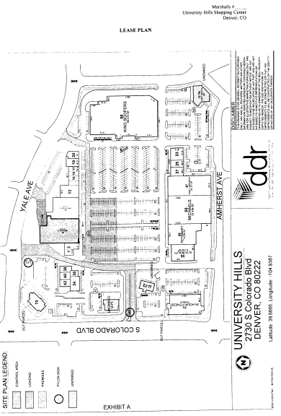
Tenant Name: |  | Marshalls of MA, Inc. |  |  |  |  | DBA: | Marshalls of MA, Inc.
 |  |  |  |  |  |  |  |  |  |  | Sch A
Center: |  | University Hills |  | Suite (Site Plan) #: |  | 61 | MRI #: | -

Premises GLA: |  | 22,821

Lease & Amendments

 | Lease Agreement dated 11/10/2015
 | Turnover Notice dated 07/07/2016 - confirms Substantial Completion & Delivery of Possession date as 07/08/2016

 | Commencement Date Agreement dated 08/18/2016 - specifies CD as 08/18/2016 and ED as 08/31/2026.

 | Consent and Omnibus Agreement dated 09/23/2020 - COVID related

Lease – Property / Tenant Information

Building Name |  | University Hills |  |  |  |  | Suite # | 61

Tenant Name |  | Marshalls of MA, Inc. |  |  |  |  | Premises GLA | 22,821

DBA | Marshalls of MA, Inc.

Lease-Categories/Dates

LEASE DATES |  |  |  |  |  | DEPOSIT INFORMATION
Lease Date |  | 2015-11-10 |  |  |  | Non-Cash Deposit |  | None
Open Date |  | Not Provided |  |  |  | Interest Start Date |  | None
Lease Comm. |  | 2016-08-18 |  |  |  | Last Interest Earned Date |  | None
Cancel |  | Not Provided |  |  |  | Vendor ID |  | None
Insurance Cert. Exp. |  | Not Provided
Lease Expiration |  | 2026-08-31 |  |  |  | Cash Deposit |  | None
Rent Start Date |  | 2016-08-18 |  |  |  | Interest Bearing: |  | Yes / | No / | N/A

Notice Address

Lease Address Type |  | Legal | Sec. 18.8
Name: |  | Marshalls of MA, Inc.
Attn: |  | Vice President-Real Estate
Address |  | 770 Cochituate Road
Address |  | Route 300-C2N
City |  | Framingham |  |  | State | MA | Zip Code | 01701

Lease Address Type |  | Copy | Sec. 18.8
Name: |  | Marshalls of MA, Inc.
Attn: |  | Legal Department, Vice President, Legal - Real Estate
Address |  | 770 Cochituate Road
Address
City |  | Framingham |  |  |  | MA |  | 01701

Lease Address Type |  | Billing | Sec. 18.8
Name: |  | Marshalls of MA, Inc. c/o The TJX Companies, Inc.
Attn: |  | Lease Administration Department
Address |  | 770 Cochituate Road
Address |  | Route 300-2AN
City |  | Framingham |  |  | State | MA | Zip Code | 01701

Lease – Options |  |  |  |  |  |  |  | Sec. 4.2, 5.1(c-g) |  |  | Sec. 4.2, 5.1(c-g)
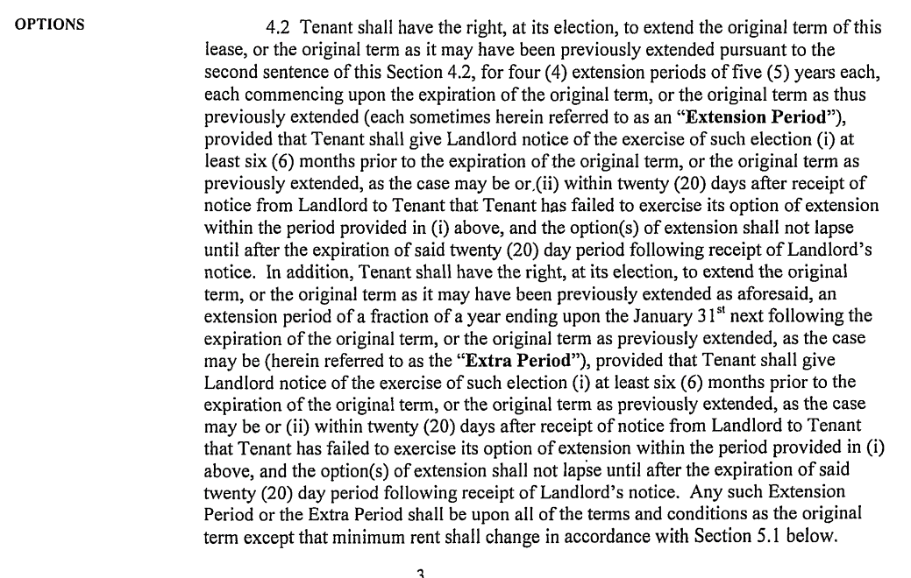

Option | Option | Option | Notice | Suite | Square | Term | Rate | Rate | Expire
Number | Date | Type | Date | ID | Feet | Months | (PSF) | Descriptor | Date

1 | 2026-09-01 | REN | 2026-02-28 | 61 | 22,821 | 60 | $18.00 | PSF | 2031-08-31
2 | 2031-09-01 | REN | 2031-02-28 | 61 | 22,821 | 60 | $19.00 | PSF | 2036-08-31
3 | 2036-09-01 | REN | 2036-02-29 | 61 | 22,821 | 60 | $20.00 | PSF | 2041-08-31
4 | 2041-09-01 | REN | 2041-02-28 | 61 | 22,821 | 60 | $21.00 | PSF | 2046-08-31

 | Option Notes: |  | 4, 5 yrs renewal options, upon 6 months notice. Extra Period: An extension period of a fraction of a yr. ending upon the
 |  |  | January 31st next following the expiration of the original term, or the term as previously extended. During the Extra Period,
 |  |  | Tenant will pay minimum rent at the annual rate in effect immediately prior to the commencement of the Extra Period.

Billing – Recurring Charges

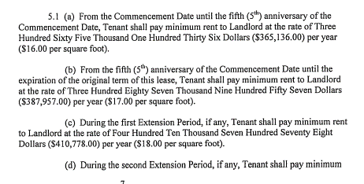
Income | Effective | End | Annual | Annual |  | Monthly |  | Billing | Charge
Category | Date | Date | Amount/sf | Total |  | Amount |  | Month | Day |  | Sec. 5.1
RNT | 2016-08-18 | 2021-08-17 | $16.00 | $365,136.00 |  | $30,428.00
RNT | 2021-08-18 | 2026-08-31 | $17.00 | $387,957.00 |  | $32,329.75

Option 1
RNT | 2026-09-01 | 2031-08-31 | $18.00 | $410,778.00 |  | $34,231.50
Option 2
RNT | 2031-09-01 | 2036-08-31 | $19.00 | $433,599.00 |  | $36,133.25
Option 3
RNT | 2036-09-01 | 2041-08-31 | $20.00 | $456,420.00 |  | $38,035.00
Option 4
RNT | 2041-09-01 | 2046-08-31 | $21.00 | $479,241.00 |  | $39,936.75

Deferred | 2020-06-01 | 2020-08-31 | - | - |  | $(30,428.00)
Payback | 2021-02-01 | 2021-10-31 | - | - |  | $10,142.67
 |  |  |  |  |  |  |  |  |  |  | Omnibus Amd, Sec. 2
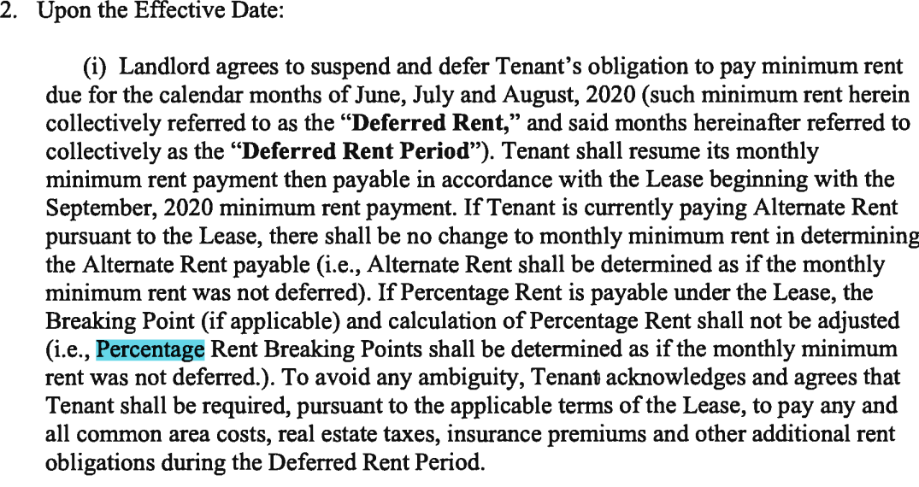
Retail - Percentage Rent |  |  |  |  |  | Sec. 7.3, 7.4

Reporting Frequency |  | Monthly |  | Annual | 120 days | Quarter |  | Semi-Annual

# of Sales Performance Report _____ (Skip Section: Default = 1)

Default Sales Department ___Gross___ (Skip Section: Default = Gross)

Percentage Rent in Lieu of Minimum Rent |  |  |  |  |  | (If Yes then put terms in Notes section)

Use Natural Breakpoint: Yes

 | Sales Year End | 2024-01-31 | (MM/DD) – Lease Year End |  |  | Per Sec. 7.1

Report Type Required for Close Year _____ (CER or RPT)
Retail - Percentage Rent |  |  |  |  |  | Sec. 7.3, 7.4

RETAIL BILLING INFORMATION

Income Category _PER____ (Skip section: Default = PER)
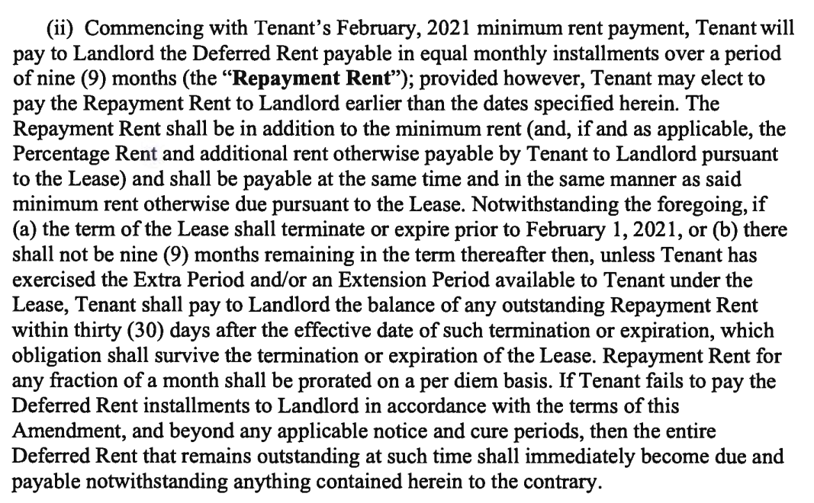
Billing Frequency |  | Monthly / | Annual / | Quarter / | Semi-Annual |  | Percentage Rent Paid

Sales Dept. ID ___Gross___ (Skip section: Default = GROSS)

Offset Amount |  |  | (Recapture) |  |  | Report Type for Billing ____RPT_____ (CER or RPT)
Calculate Est. Sales Each Billing __X___ (Skip: Default = Unchecked) |  |  |  |  |  | Formula ID ____PCT_STD_(Default equal to PCTG_STD)
 |  |  |  |  |  |  | (Use PCTG_OFF CAP if offset amount)

Retail - Percentage Rent

BREAKPOINTS

Sales Department _______ (Skip Section: Default = GROSS)

Start Date | Percentage | Breakpoint 1 |  |  | Percentage2 | Breakpoint2 |  | Percentage3 | Breakpoint3
2016-08-18 | 2% | $18,256,800.00
2021-08-18 | 2% | $19,397,850.00
2026-09-01 | 2% | $20,538,900.00
2031-09-01 | 2% | $21,679,950.00
2036-09-01 | 2% | $22,821,000.00
2041-09-01 | 2% | $23,962,050.00

Lease Notes

Section | Reference 1 | Reference 2 |  | Notes

1.1, Sch A | SHOPPING CENTER / LANDLORD'S |  |  | University Hills SC - as depicted on Sch A
 | PROPERTY DEFINITIONS

 | SECDEP | (Security Deposit) |  | None

1.2 | USE | (Use Clause) |  | To use retail store.

 | RADIUS | (Radius) |  | None

 | LL RADIUS | (Radius) |  | None

Sch B(4(B, C)) | EXCLUSI | (Exclusive Use) |  | LL agrees, no other premises in the SC shall at any time contain more than 15,000 Sq.ft of floor area used
 |  |  |  | for the sale or display of off-price brand name men's women's and children's apparel.(Competing Use).
 |  |  |  | Exceptions:T.J. Maxx, T.J. Maxx 'N More, Marshalls and Mega Marshalls; Wal-Mart, Target, J.C. Penney,
 |  |  |  | Sears or Kohl's (provided that if Kohl's opens for business in the SC, then from the date that Kohl's opens
 |  |  |  | for business, Tenant shall pay Alternate Rent in lieu of minimum rent and percentage rent, if applicable,
 |  |  |  | until such time as Kohl's is no longer operating in the SC Tenant have the right to terminate by sending
 |  |  |  | notice to LL w/in 180 days after Kohl's opens for business in the SC which termination shall be effective
 |  |  |  | on the 90th day after Tenant's notice) and other general merchandiser department stores having at least
 |  |  |  | 50,000 Sq.ft of space; (iii) a full line sporting goods store. Also not apply with respect to rights previously
 |  |  |  | granted to tenants as of the Lease date.

; Lease, 4.3(A(2), B), 4.7 | COTENCY | (Co-tenancy) |  | If less than 3 of the following open for more than 30 days King Soopers containing 65,000 Sq.ft; Pier 1
 |  |  |  | (20,000 sf) Michaels (32,000 Sq.ft); PetSmart (15,000 sf) 24 Hour Fitness (16,000 Sq.ft) Tenant pays the
 |  |  |  | Alternate Rent - lesser of 2% of sales or min rent If exists for > 365 days, Tenant may terminate with 90
 |  |  |  | days notice or must revert to full. Qualified Replacement shall mean a retailer which must use at least
 |  |  |  | 80% of the premises it replaces as set forth above (or in the case of King Soopers, up to 2 retailers
 |  |  |  | which collectively use at least 80% of the King Soopers premises), and all of which retailers must
 |  |  |  | operate not less 25 stores regionally (meaning New Mexico, Utah, Colorado, Wyoming and Montana) or
 |  |  |  | 50 stores nationally under the same trade name as the store(s) to be operated in the SC.
 |  |  |  | COVID exception no longer applies

 | KICKLL | (Kickout/Termination) |  | None

 | KICKTN | (Kickout/Termination) |  | None

Omnibus Amd, (5-7); Lease, Sch A, Sch B, 4(A) | NBNC | (LL Restrictions) |  | LL agrees SC shall not be used (a) for any non-retail purposes, (b) for any entertainment purposes such
 |  |  |  | as a bowling alley, skating rink, cinema, bar (except as incidental to a restaurant use), nightclub,
 |  |  |  | discotheque, amusement gallery, poolroom, health club (except for 1 health club in its presently existing
 |  |  |  | size and location where shown on the Lease Plan and 1 small health club such as a Curves having up to
 |  |  |  | 3500 Sq.ft provided such establishment is not adjacent to the Premises), massage parlor (except for
 |  |  |  | Massage Envy or any spa or health club providing therapeutic massage services, provided such facility
 |  |  |  | is not contiguous to the Premises and provided that such facility does not exceed 5,000 Sq.ft), sporting
 |  |  |  | event, sports or game facility, off-track betting club, (c) (throughout the Shopping Center, without
 |  |  |  | exception) for any establishment which sells or displays pornographic materials, (d) for any
 |  |  |  | establishment which sells or displays used merchandise or second hand goods (except for first class
 |  |  |  | retail operations typically found in first class SC which sell or display used merchandise or second hand
 |  |  |  | goods (such as Play it Again Sports, Once Upon a Child, Plato's Closet and the like), not to exceed 8,000
 |  |  |  | Sq.ft in the aggregate), (e) for an educational facility, except for educational service use such as a
 |  |  |  | Huntington Learning Center, Sylvan or Kaplan, not to exceed five 5,000 Sq.ft of space in the aggregate
 |  |  |  | (or a Regency Beauty or similar use having up to 7,500 Sq.ft), or (f) for restaurants or establishments
 |  |  |  | selling food prepared on premises for consumption on or off premises (Restaurants) except if located at
 |  |  |  | least 150 from the Demised Premises (but Restaurants in their presently existing size and location and
 |  |  |  | replacements there shall be permitted), provided that all Restaurants shall not exceed 20,000 Sq.ft in the
 |  |  |  | aggregate. LL may have (i) 1 additional health spa, exercise facility or boutique fitness establishment up
 |  |  |  | to 2,500 SF, and (ii) upon Tenant's prior written approval, additional restaurant, but not located within 200
 |  |  |  | feet from any point along the storefront of the Premises.
 |  |  |  | LL may have up to an aggregate of 5,000 SF of medical uses and/or dental uses in the SC, if already
 |  |  |  | allowed medical and/or dental service provider that includes a retail sales area within its premises, such
 |  |  |  | as America's Best.

Sch B(5), Sch F | TRSTR | (Tenant Restrictions) |  | Tenant will not use the Premises in violation of any other tenant exclusive or prohibit use set forth in Sch F.

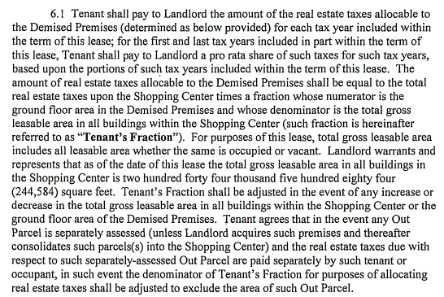
6.1, Sch A, Sch B(2, 7, 10) | CAM | (CAM Method) |  | Leasable / Leased / Other: |  |  | Total Gross Leasable Area w/in SC |  |  |  | Sec. 6.1
 |  |  |  | Prorata Share Method: |  | Ground Floor Area in the Premises / Total Gross Leasable Area w/in SC
 |  |  |  | Excluded Areas: |  | Service areas
 |  |  |  | Exclusions: |  | LL's insurance costs, management or administrative fees or overhead or
 |  |  |  |  |  | allocable to any so-called capital expenditures
 |  |  |  | Admin Fee: |  | None
 |  |  |  | Payments: |  | Monthly Estimate / Annual Reconciliation / Quarterly Reconciliation
 |  |  |  | Management Fee: |  |  | Included / | Excluded | Silent but includes costs of management
 |  |  |  | Capital Repairs: |  |  | Included / | Excluded | / Silent / See Notes
 |  |  |  | Amort. of Capital Repairs: |  |  | Included / | Excluded | / Silent / See Notes
 |  |  |  | Absolute LL Deadline: |  |  | None
 |  |  |  | Other: | For the 1st year (08/18/2016 - 08/17/2017); $3,099.85/month (based on estimated CAM Costs of
 |  |  |  |  | $1.19/Sq.ft and Insurance Costs of $0.44/Sq.ft)
 |  |  |  |  | Common areas includes Parking Areas, Service Areas, the entrances and exits of the SC
 |  |  |  |  | and any landscaped areas w/in SC.
 |  |  |  | CAP: | During first year not exceed $1.19/SF/annum and thereafter not exceed by more than 4% |  |  |  |  |  | 6.1, Sch A, Sch B(2, 7, 10)
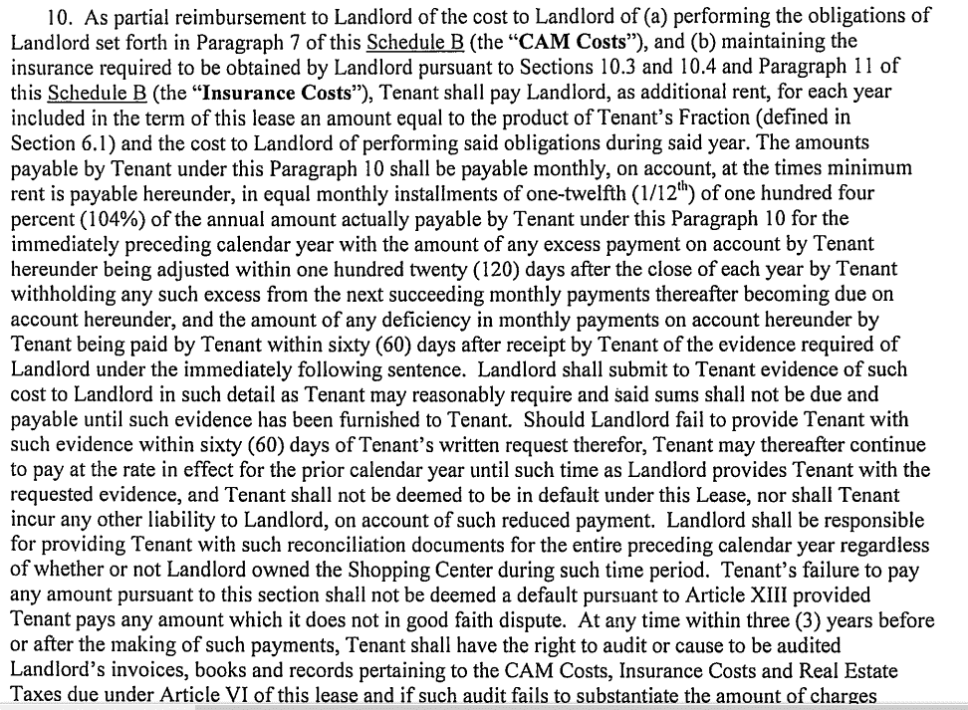
 |  |  |  |  | per annum on a non-cumulative basis excluding snow removal, Utility rate increase.
 |  |  |  | Audit: | At any time w/in 3 years before or after the making of payments.

6.1-6.5; Sch A, Sch B, 10 | RETX | (Tax Method) |  | Leasable / Leased / Other: |  |  | Total Gross Leasable Area w/in SC
 |  |  |  | Prorata Share Method: |  | Ground Floor Area in the Premises / Total Gross Leasable Area w/in SC
 |  |  |  | Excluded Areas: |  | If any Out Parcel is separately assessed, Real estate taxes due w/ respect to
 |  |  |  |  |  | such separately-assessed Out Parcel are paid separately by such tenant or
 |  |  |  |  |  | occupant, in such event the denominator of Tenant’s Fraction for purposes of
 |  |  |  |  |  | allocating real estate taxes is adjusted to exclude the area of such Out Parcel.
 |  |  |  | Exclusions: |  | Standard Exclusion
 |  |  |  | Admin Fee: |  | None
 |  |  |  | Appeals Fees: |  |  | Included / | Excluded / Silent
 |  |  |  | Payments: |  |  | Monthly / | Annual | Direct
 |  |  |  | Absolute LL Deadline: |  |  | Silent
 |  |  |  | Billed Separate: |  |  | Yes / | No
 |  |  |  | Cap: | None
 |  |  |  | Other: | Initial Estimate: For the 1st year (08/18/2016 - 08/17/2017); $3.73/SF/annum
 |  |  |  |  | Payment: For any tax yr payable, if Tenant not received a bill therefor and the supporting
 |  |  |  |  | documentation at least 20 days prior to such time for payment, Tenant not required to make payment
 |  |  |  |  | until 20 days after the receipt of such documentation.
 |  |  |  | Audit: | At any time w/in 3 years before or after the making of payments.

6.1, 10.3, 10.4, Sch A, Sch B, 10, 11 | INS | (Insurance Method) |  | All Risk / Liability (circle one or both)
 |  |  |  | Leasable / Leased / Other: |  |  | Total Gross Leasable Area w/in SC
 |  |  |  | Prorata Share Method: |  | Ground Floor Area in the Premises / Total Gross Leasable Area w/in SC
 |  |  |  | Excluded Areas: |  | Service areas for calculate the prs to casualty insurance
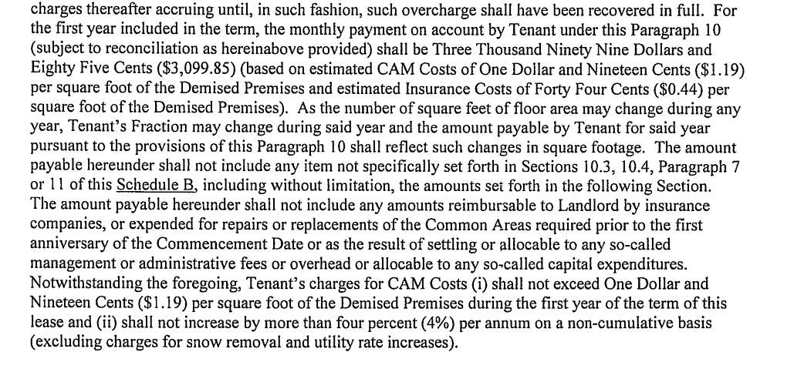
 |  |  |  | Payments: |  |  | Monthly / | Annual /
 |  |  |  | Absolute LL Deadline: |  |  | None
 |  |  |  | Billed Separate: |  |  | Yes / | No
 |  |  |  | Admin Fee: |  |  | None
 |  |  |  | Other: | For the 1st year (08/18/2016 - 08/17/2017); $3,099.85/month (based on estimated CAM Costs of
 |  |  |  |  | $1.19/Sq.ft and Insurance Costs of $0.44/Sq.ft)
 |  |  |  | Cap: | None
 |  |  |  | Audit: | At any time w/in 3 years before or after the making of payments.

17 | ASSNSUB | (Assignment & Sublet) |  | No consent from LL required to assign or sublet the Premises. LL consent required to assign or sublet
 |  |  |  | more than 25% of floor area. W/out permitting LL to terminate the Lease and W/out LL consent, Tenant
 |  |  |  | may assign or sublet the Premises to its related party.
 |  |  |  | Fee: | Not addressed

9.1 | ALTERTN | (Alteration Notes) |  | LL's consent required for any alterations to the foundation, canopy, storefront, roof or exterior walls or
 |  |  |  | otherwise that would affect the structural integrity of the Premises, except for any changes to the
 |  |  |  | storefront inconsistent w/ the uniform architectural design if any of the SC.

4.8 | OPC | (Operating Covenant) |  | One day only

4.8 | GO DARK | (Go Dark Option) |  | If Premises after 1st anniversary of CD, is closed for business for any period of 60 consecutive days or
 |  |  |  | more, LL may terminate the Lase by giving Tenant notice thereof and termination effective on the 30th day
 |  |  |  | after the giving of such notice.

13.6 | LATECHG | (Late Fee Notes) |  | Interest: If any payment not received by more than 10 days after notice, interest shall accrue at an annual
 |  |  |  | rate equal to base or prime rate by Bank of America plus 2% per year.

13.1, 14.1 | DEFAULT | (Default) |  | Monetary: |  | W/in 10 days after notice from LL
 |  |  |  | Non-Monetary: |  | W/in 30 days after notice from LL

 | GUARANT | (Guaranty) |  | None

Sch A, Sch B, (1), 4(A) | OTPRCL | (Outparcel Restrictions) |  | OUTPARCEL area shall not contain more than their presently existing amount of building floor area
 |  |  |  | collectively and no building or sign thereon shall be more than its presently existing height above the
 |  |  |  | ground except for architectural features which shall not exceed their presently existing height above the
 |  |  |  | ground (except that the new building to be built on Unit 70 may have a height of 27 feet (including
 |  |  |  | architectural elements) which is slight higher than the building it is replacing and shall have 4,500 Sq.ft of
 |  |  |  | space. LL’s restriction shall not be applicable to the OUTPARCELS, except for the restrictions on noxious
 |  |  |  | uses such as bars, nightclubs, discothèques, massage parlors, off-track betting clubs and the sale or
 |  |  |  | display of pornographic materials. If Units 71, 72 and/or 74 are acquired by LL, then such units shall be
 |  |  |  | deemed OUT PARCELS.

 | PURCHSE | (Purchase Option) |  | None

 | DUES | (Merchant’s Association) |  | None

18.4 | HOLDOVR | (Holdover) |  | After acceptance of rent by LL, MTM Tenancy at 115% of the last paid rent.

Sch B, 3(A, C) | PYLON | (Pylon Sign) |  | During the Term, Tenant has right to install & maintain, identification panel, and appurtenances thereto,
 |  |  |  | upon both sides of Pylon Sign and Tenant's location so-called "billing" thereon will be in the position
 |  |  |  | shown on Sch I. The visibility of Tenant's panels on the Pylon Sign shall not be obstructed by landscaping

18.16 | ESTOPPEL | (Estoppel) |  | W/in 20 days after receipt of request from either party.

16.1 | SUBORD | (Subordination) |  | Upon LL's request, Tenant will subordinate the lien of the lease to the lien of any future mortgage to a
 |  |  |  | bank & execute all instruments required.

 | RELOCAT | (Relocation) |  | None

8.4 | UTILITY | (Utilities) |  | Premises is connected to the electric, gas lines & to the water and sewer system, serving the
 |  |  |  | municipality & separately metered except sprinkler water for Premises is separate from sprinkler water
 |  |  |  | for other premises.

8.1 | HVAC | (HVAC) |  | HVAC CONTRACT REQUIRED |  |  | Yes / | No / | See note
 |  |  |  | Tenant maintains HVAC. If at any time during the last 5 yrs of term, Tenant makes repairs or replacement
 |  |  |  | to HVAC but not included in a regular service and maintenance contract, Tenant shall reimburse LL upon
 |  |  |  | demand, for an amount equal to the product of such excess cost multiplied by a fraction, the denominator
 |  |  |  | of which is 120 (unless the repairs occur during an Extension Period, in which event the denominator
 |  |  |  | shall be 60) and the numerator of which is 120 (or 60, as the case may be) minus the number of months
 |  |  |  | between the date of the making of such repairs and replacements and the date of the termination of the
 |  |  |  | term. Tenant shall also into an HVAC service and maintenance contract with a licensed and authorized
 |  |  |  | HVAC contractor that will provide quarterly service and maintenance to the HVAC units, and provide a
 |  |  |  | copy of such contract to LL.

 | Other | (Financials) |  | None

8.2, Sch B, 7 | Other | (LL Maintenance) |  | LL maintain (i) keep or cause to be kept in good repair and condition the Pylon Sign and all Common Areas
 |  |  |  | of the SC and all directional signs; (ii) The foundation, the roof, the exterior walls, the roof drainage
 |  |  |  | system, the canopy, the structural parts of Premises, and, to the extent located w/in the walls, ceilings or
 |  |  |  | floors of the Premises.

 | Other | Allowance |  | None

Sch A | Other | Trash |  | Tenant shall have the exclusive right to use certain service areas adjacent to the Premises which contain
 |  |  |  | an exterior loading dock and trash storage area for Tenant's delivery and removal activities and for
 |  |  |  | Tenant's compactor, dumpster and/or trash receptacles.

 | Other | Pest Control |  | None

3.1 | Other | Hazardous Materials |  | W/out limiting, it is understood and agreed that LL's Construction Work shall include removing any and all
 |  |  |  | hazardous or toxic substances, waste or constituents including but not limited to any hydrocarbonic
 |  |  |  | substances or asbestos containing materials from the Premises (including the roof)

 | Other | Promo |  | None

18.12 | Other | Broker |  | John Eliot of Cadence Capital Brokerage Services is a Named Broker. LL shall indemnify and hold
 |  |  |  | harmless Tenant from and against all commissions, fees and expenses and claims therefore of or by the
 |  |  |  | Named Brokers in connections w/in lease.

Sch B (2) | Other | Parking |  | LL agrees that the Parking Areas w/in SC will always contain at least 5 parking spaces for so-called
 |  |  |  | standard size American automobiles (w/ a 10% allowance for compact cars), and driveways and
 |  |  |  | footways incidental for each 1,000 Sq.ft of floor area for so-called standard size American automobiles,
 |  |  |  | and driveways and footways incidental thereto, or such greater number of spaces as may be required
 |  |  |  | by any applicable governmental regulation, code, special use or other zoning permit.

INSURANCE INFORMATION
q Standard Insurance Clause? |  |  |  |  |  |  |  | Section: | 12.4
 |  | Coverage |  |  | Deductible
Liability |  | None
Property Damage |  | None
All Risk |  | None
Plate Glass |  | None

 | Comments: | If Tenant elects to maintain Commercial General Liability Insurance then LL as an additional
 |  | Insured. Cancellation: 10 days notice.

 | Common Area Escalations

 | Admin Surcharge: | None

 | Frequency of payment: | Monthly

Account |  | Expense Categories |  | Specifically Included |  | Specifically Excluded |  | Specific AdminCharge exceptions
 |  | Payroll
 |  | Employee benefits
 |  | Health insurance
 |  | Payroll services fees
 |  | Payroll taxes
 |  | Electric expense
 |  | Electric interior
 |  | Meter reading
 |  | Utility Security/alarm
 |  | Electric HVAC
 |  | Oil/Gas expense
 |  | Water expense
 |  | Rubbish removal
 |  | Food court rubbish removal
 |  | Pest control
 |  | Food court expense
 |  | Security expense
 |  | Security - interior
 |  | Security other
 |  | Fire alarms
 |  | Landscaping
 |  | Landscaping interior
 |  | Snow removal
 |  | Cleaning
 |  | Food court cleaning
 |  | Parking lot expenses
 |  | HVAC
 |  | Signs
 |  | R&M elevator
 |  | R&M plumbing
 |  | R&M electric
 |  | R&M HVAC
 |  | R&M Carpentry/Masonry
 |  | R&M painting
 |  | R&M carpeting
 |  | R&M roof
 |  | R&M parking lot
 |  | R&M – Grounds keeping
 |  | R&M – Other
 |  | Professional expense
 |  | Legal fees
 |  | Accounting fees
 |  | Other professional
 |  | Telephone
 |  | Travel and entertainment
 |  |  |  |  |  |  |  | Admin
Account |  | Expense Categories |  | Included |  | Excluded |  | Charge (%)
 |  | Bank fees
 |  | Equipment rental
 |  | Dues and subscriptions
 |  | Truck/Auto expenses
 |  | Postage & messenger service
 |  | Office supplies
 |  | Other administrative expenses
 |  | Ground Rent
 |  | Licenses and permits
 |  | Insurance expense
 |  | Management Fee expense
 |  | Billable tenant electric
 |  | Billable tenant gas
 |  | Billable tenant water
 |  | Billable tenant grease
 |  | Billable tenant rubbish
 |  | Billable tenant other
 |  | Tenant work - labor
 |  | Tenant work - HVAC
 |  | Tenant work - plumbing
 |  | Tenant work - rubbish
 |  | Tenant work - roof
 |  | Tenant work - security
 |  | Tenant work - electric
 |  | Tenant work - other
 |  | Non-billable utilities
 |  | Non billable electric
 |  | Non-billable WWTP
 |  | Non billable HVAC
 |  | Non-billable repairs & maintenance
 |  | Bad debt expense
 |  | Advertising - leasing
 |  | Advertising - signs
 |  | Advertising - other
 |  | Real estate tax expense
 |  | Use and occupancy tax
 |  | Other taxes

 |  | Depreciation expense - furniture & fixtures
 |  | Amortization expense - tenant improvements
 |  | Amortization expense - deferred mortgage cost
 |  | Amortization expense - deferred leasing commissions
 |  | Amortization expense - deferred legal expense
 |  | Amortization expense -furniture and fixtures

