window_size_5
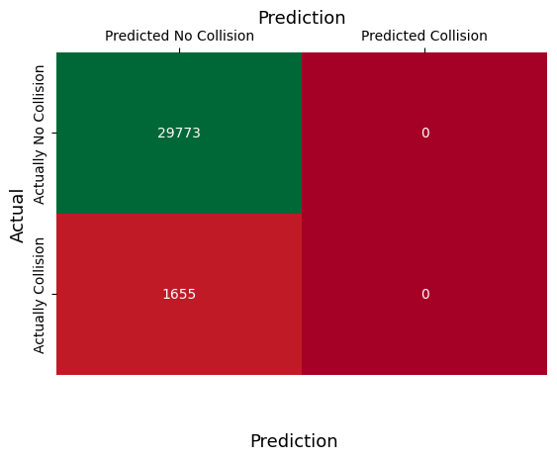
Model | SVM
Window size | 5
Balanced? | No
Features | All
Records | 31428
Metrics
Precision | NAN
Recall | 0
F1 | NAN
Accuracy | 0.94733995164
Specificity | 1
ROC/AUC | 0.5
Test Set | Test


Model | SVM
Window size | 5
Balanced? | No
Features | Is_Gaze_On_Hazard
Records | 31428
Metrics
Precision | 0.38165680473
Recall | 0.077945619335
F1 | 0.1294530858
Accuracy | 0.94479445081
Specificity | 0.99298021698
ROC/AUC | 0.53546291816
Test Set | Test

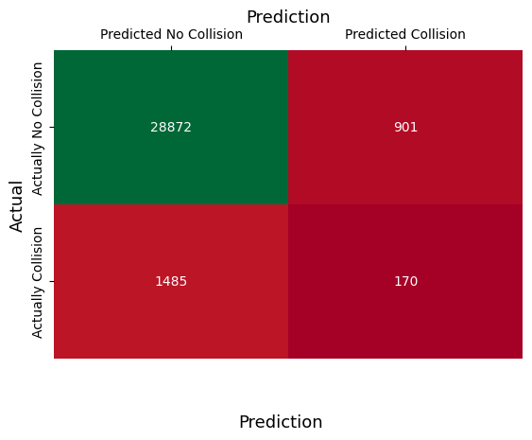
Model | SVM
Window size | 5
Balanced? | Yes
Features | Is_Gaze_On_Hazard
Records | 31428
Metrics
Precision | 0.15873015873
Recall | 0.10271903323
F1 | 0.12472487161
Accuracy | 0.92408043783
Specificity | 0.96973768179
ROC/AUC | 0.53622835751
Test Set | Test

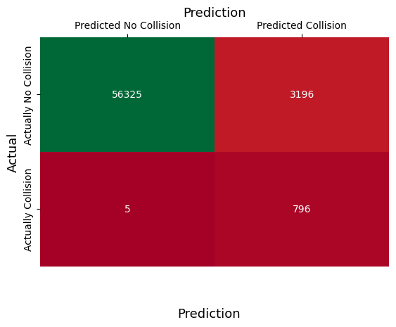
Model | SVM
Window size | 5
Balanced? | Yes
Features | Is_Gaze_On_Hazard
Records | 60332
Metrics
Precision | 0.1993987976
Recall | 0.99375780275
F1 | 0.33215105362
Accuracy | 0.94693478333
Specificity | 0.94630466558
ROC/AUC | 0.97003123416
Test Set | Validation


Model | RF
Window size | 5
Balanced? | Yes
Features | Is_Gaze_On_Hazard
Records | 31428
Metrics
Precision | 0.14380714879
Recall | 0.10453172205
F1 | 0.1210636809
Accuracy | 0.92007127402
Specificity | 0.96540489705
ROC/AUC | 0.53496830955
Test Set | Test


Model | MLP
Window size | 5
Balanced? | Yes
Features | Is_Gaze_On_Hazard
Records | 31428
Metrics
Precision | 0.1686746988
Recall | 0.10151057402
F1 | 0.12674462467
Accuracy | 0.92633956981
Specificity | 0.97218956773
ROC/AUC | 0.53685007087
Test Set | Test

window_size_10
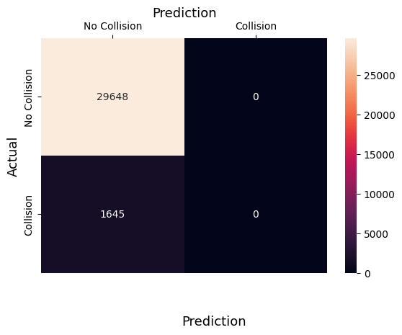
Model | SVM
Window size | 10
Balanced? | No
Features | All
Records | 31293
Metrics
Precision | NAN
Recall | 0
F1 | NAN
Accuracy | 0.94743233311
Specificity | 1
ROC/AUC | 0.5
Test Set | Test


Model | SVM
Window size | 10
Balanced? | No
Features | Is_Gaze_On_Hazard
Records | 31293
Metrics
Precision | 0.43656716418
Recall | 0.071124620061
F1 | 0.12232096184
Accuracy | 0.94634582814
Specificity | 0.99490690772
ROC/AUC | 0.53301576389
Test Set | Test

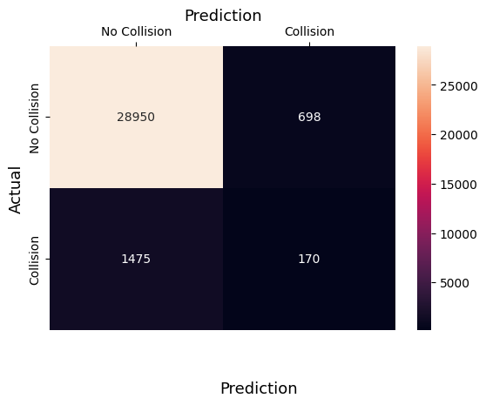
Model | SVM
Window size | 10
Balanced? | Yes
Features | Is_Gaze_On_Hazard
Records | 31293
Metrics
Precision | 0.19585253456
Recall | 0.10334346505
F1 | 0.13529645842
Accuracy | 0.93055955006
Specificity | 0.9764570966
ROC/AUC | 0.53990028082
Test Set | Test

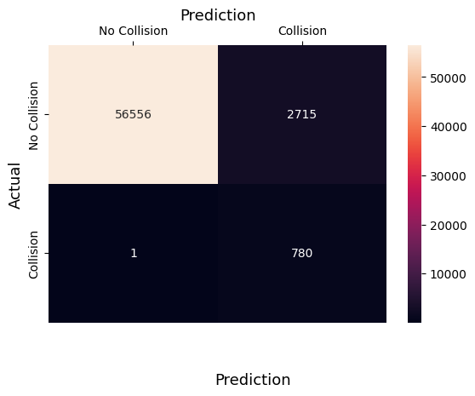
Model | SVM
Window size | 10
Balanced? | Yes
Features | Is_Gaze_On_Hazard
Records | 60052
Metrics
Precision | 0.22317596567
Recall | 0.99871959027
F1 | 0.36482694107
Accuracy | 0.95477253047
Specificity | 0.95419345042
ROC/AUC | 0.97645652035
Test Set | Validation


Model | RF
Window size | 10
Balanced? | Yes
Features | Is_Gaze_On_Hazard
Records | 31293
Metrics
Precision | 0.16538461538
Recall | 0.10455927052
F1 | 0.12811918063
Accuracy | 0.92519093727
Specificity | 0.97072315165
ROC/AUC | 0.53764121108
Test Set | Test


Model | MLP
Window size | 10
Balanced? | Yes
Features | Is_Gaze_On_Hazard
Records | 31293
Metrics
Precision | 0.18087318087
Recall | 0.10577507599
F1 | 0.1334867664
Accuracy | 0.92781133161
Specificity | 0.97342147868
ROC/AUC | 0.53959827734
Test Set | Test

window_size_15

Model | SVM
Window size | 15
Balanced? | No
Features | All
Records | 31158
Metrics
Precision | NAN
Recall | 0
F1 | NAN
Accuracy | 0.94752551512
Specificity | 1
ROC/AUC | 0.5
Test Set | Test


Model | SVM
Window size | 15
Balanced? | No
Features | Is_Gaze_On_Hazard
Records | 31158
Metrics
Precision | 0.4845814978
Recall | 0.067278287462
F1 | 0.11815252417
Accuracy | 0.94730085371
Specificity | 0.99603698811
ROC/AUC | 0.53165763779
Test Set | Test


Model | SVM
Window size | 15
Balanced? | Yes
Features | Is_Gaze_On_Hazard
Records | 31158
Metrics
Precision | 0.2140175219
Recall | 0.10458715596
F1 | 0.14050944947
Accuracy | 0.93285833494
Specificity | 0.97872844901
ROC/AUC | 0.54165780248
Test Set | Test


Model | SVM
Window size | 15
Balanced? | Yes
Features | Is_Gaze_On_Hazard
Records | 59782
Metrics
Precision | 0.23137731833
Recall | 1
F1 | 0.37580246914
Accuracy | 0.95771302399
Specificity | 0.95716778774
ROC/AUC | 0.97858389387
Test Set | Validation


Model | RF
Window size | 15
Balanced? | Yes
Features | Is_Gaze_On_Hazard
Records | 31023
Metrics
Precision | 0.18088386434
Recall | 0.10764525994
F1 | 0.13496932515
Accuracy | 0.92759483921
Specificity | 0.9730040985
ROC/AUC | 0.54032467922
Test Set | Test


Model | MLP
Window size | 15
Balanced? | Yes
Features | Is_Gaze_On_Hazard
Records | 31158
Metrics
Precision | 0.22007722008
Recall | 0.10458715596
F1 | 0.14179104478
Accuracy | 0.93356441363
Specificity | 0.97947363073
ROC/AUC | 0.54203039335
Test Set | Test

window_size_20

Model | SVM
Window size | 20
Balanced? | No
Features | All
Records | 31023
Metrics
Precision | NAN
Recall | 0
F1 | NAN
Accuracy | 0.94761950811
Specificity | 1
ROC/AUC | 0.5
Test Set | Test


Model | SVM
Window size | 20
Balanced? | No
Features | Is_Gaze_On_Hazard
Records | 31023
Metrics
Precision | 0.50731707317
Recall | 0.064
F1 | 0.11366120219
Accuracy | 0.94771621055
Specificity | 0.99656439214
ROC/AUC | 0.53028219607
Test Set | Test


Model | SVM
Window size | 20
Balanced? | Yes
Features | Is_Gaze_On_Hazard
Records | 31023
Metrics
Precision | 0.20656136087
Recall | 0.10461538462
F1 | 0.13888888889
Accuracy | 0.93205041421
Specificity | 0.9777876046
ROC/AUC | 0.54120149461
Test Set | Test

Model | SVM
Window size | 20
Balanced? | Yes
Features | Is_Gaze_On_Hazard
Records | 59512
Metrics
Precision | 0.2316348859
Recall | 1
F1 | 0.37614213198
Accuracy | 0.95869740557
Specificity | 0.95817665175
ROC/AUC | 0.97908832588
Test Set | Validation


Model | RF
Window size | 20
Balanced? | Yes
Features | Is_Gaze_On_Hazard
Records | 31023
Metrics
Precision | 0.19160387513
Recall | 0.10953846154
F1 | 0.13938919342
Accuracy | 0.92914934081
Specificity | 0.97445404449
ROC/AUC | 0.54199625302
Test Set | Test


Model | MLP
Window size | 20
Balanced? | Yes
Features | Is_Gaze_On_Hazard
Records | 31023
Metrics
Precision | 0.2231884058
Recall | 0.094769230769
F1 | 0.13304535637
Accuracy | 0.93530606324
Specificity | 0.98176746717
ROC/AUC | 0.53826834897
Test Set | Test


Model | SVM (C=10,kernel='rbf',gamma=0.1)
Window size | 20
Balanced? | Yes
Features | Is_Gaze_on_Hazard
Records | 31023
Metrics
Precision | 0.21118012422
Recall | 0.10461538462
F1 | 0.13991769547
Accuracy | 0.93263062889
Specificity | 0.97839989115
ROC/AUC | 0.54150763788
Test Set | Test


Model | SVM (C=10,kernel='rbf',gamma=0.1)
Window size | 20
Balanced? | Yes
Features | Is_Gaze_on_Hazard
Records | 59512
Metrics
Precision | 0.23651452282
Recall | 1
F1 | 0.38255033557
Accuracy | 0.95980642559
Specificity | 0.95929965459
ROC/AUC | 0.9796498273
Test Set | Validation

