ENVISION
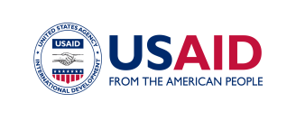
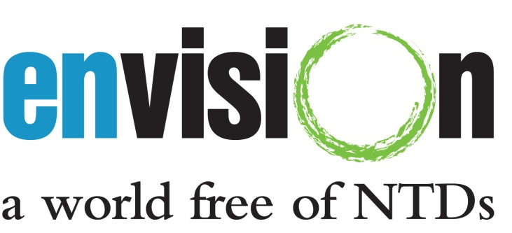

Data Capture for USAID NTD Projects
Disease Workbook

Date Updated: 4-June-2013

This form was developed by the ENVISION M&E team at RTI International, with funding from the US Agency for International Development under cooperative agreement No. AID-OAA-A-11-00048.

This form should be used to report disease-specific district level data. Please refer to the Disease Workbook Instructions document for additional guidance.

Questions regarding the forms can be directed to NTDdatabase@rti.org.

