Sheet1
 |  |  |  |  | Leishmaniasis

Country General Information
Total population: |  |  |  |  | Population, age group % < 5/5-14/>14 year:
Gender ratio: |  |  |  |  | Life expectancy at birth:
GDP: |  |  |  |  | Number of 2nd sub-national administrative level divisions, name:
Income status:

Epidemiology
 |  |  |  |  | VL |  | CL |  | PKDL |  | MCL
Endemicity status:
Number of new cases (incidence):
Number of imported new cases |  |  |  |  |  |  |  |  | N/A |  | N/A
Incidence rate (cases/10,000 inhabitants in endemic areas): |  |  |  |  |  |  |  |  | N/A |  | N/A
Gender distribution - female:
Age group distribution (%, < 5/5-14/≥15 years):
Endemic 2nd sub-national administrative level divisions (n) |  |  |  |  |  |  |  |  | N/A |  | N/A
Population at risk1 (%, n/total): |  |  |  |  |  |  |  |  | N/A |  | N/A
Was there any outbreak2? |  |  |  |  |  |  |  |  | N/A |  | N/A
Number of new3 foci? |  |  |  |  |  |  |  |  | N/A |  | N/A
N/A = Not applicable
Monthly Distribution of Cases January-December
 | JAN | FEB | MAR | APR | MAY | JUN | JUL | AUG | SEP | OCT | NOV | DEC
VL
CL

 | VL | CL
JAN
FEB
MAR
APR
MAY
JUN
JUL
AUG
SEP
OCT
NOV
DEC

1 Defined as “Number of people living in 2nd sub-national admin. level endemic areas”
2 For this reporting period, an area at the 2nd sub-national admin. level reporting cases for the first time ever

Indicence rate/10,000 and Number of new CL (left) and new VL (right) cases from 1998 to 2014
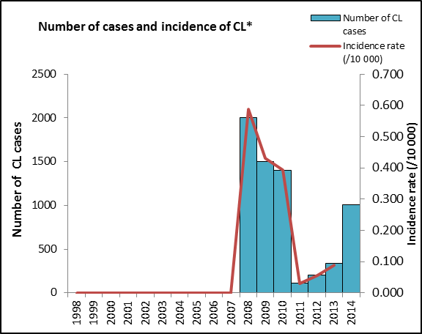
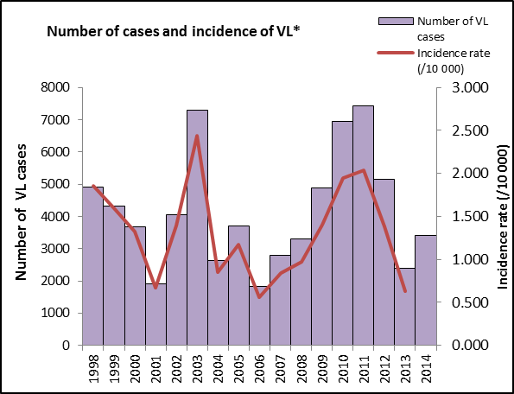

Control and Surveillance
Year Leishmaniasis National Control Programme (LNCP) was established: |  |  |  |  |  | URL LNCP:
Year latest national guidelines: |  |  |  |  |  | Is leishmaniasis notifiable (mandatory report):
Is there a vector control programme? |  |  |  |  |  | Is there a reservoir host control programme?
Type of insecticide used for IRS: |  |  |  |  |  | Number of leishmaniasis health facilities:

Diagnosis
 |  |  |  |  | VL |  | CL |  | PKDL |  | MCL
Number of people screened actively for: |  |  |  |  |  |  |  |  |  |  | N/A
Number of people screened passively for: |  |  |  |  |  |  |  |  |  |  | N/A
VL cases diagnosed by RDT (%, # RDT+ / # new VL cases): |  |  |  |  |  |  | N/A |  | N/A |  | N/A
Proportion of positive RDT* (%, # RDT+ / total RDT): |  |  |  |  |  |  | N/A |  | N/A |  | N/A
Cases diagnosed by direct exam (parasitology) (%, # slides + / # new cases): |  |  |  |  |  |  |  |  | N/A |  | N/A
Proportion of positive slides (%, # slides + / total slides): |  |  |  |  |  |  |  |  | N/A |  | N/A
Cases diagnosed clinically: (%, # clinical cases / # new cases) |  |  |  |  |  |  |  |  | N/A |  | N/A
Months elapsed between onset of symptoms and diagnosis (median): |  |  |  |  |  |  |  |  | N/A |  | N/A
Percentage of cases with HIV-co-infection: |  |  |  |  |  |  | N/A |  | N/A |  | N/A
N/A = Not applicable
Treatment and Medicines
Is treatment provided for free in the public sector?
Antileishmanial medicines included in the National Medicine List:

TREATMENT OUTCOME |  |  |  |  | VL |  | CL
Number of relapses3,4
Number of cases treated
Initial cure rate:
Failure5,6 rate:
Case fatality rate:
Number of cases followed up at least 6 months
Cure rate (f-up 6 months):
3 Relapse for VL is defined in this country as:
4 Relapse for CL is defined in this country as:
5 Failure for VL is defined in this country as:
6 Failure for CL is defined in this country as:

