Definitions
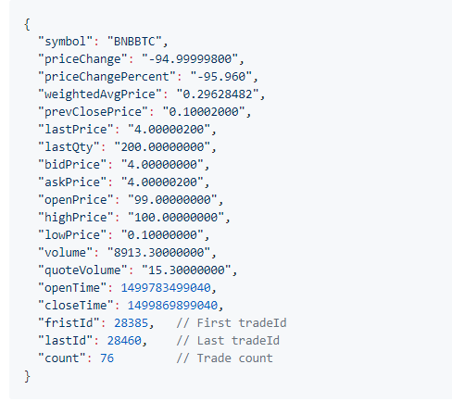
All Data Only For EOS /BTC Trading Pair |  | Needed
Symbol = EOS |  | Optional

Data Type | Explanation (all are time specific)
Symbol | Ticker symbol of coin
priceChange | Price change in $ value
priceChangePercent | Price change in % value over
weightedAvgPrice | Ratio of value traded to volume traded
prevClosePrice | Price coin closed at in the previous time interval
lastPrice | Last price it was purchased for
lastQty | Amount purchased at lastPrice
bidPrice | Last price someone bidded to buy at
askPrice | Last price someone was willing to sell at
openPrice | Price at which coin opens in specific time period ie: If we track a 5 minute interval, the opening price would be the price at the start of that interval
highPrice | Highest price paid in that interval
lowPrice | Price at which coin closes in specific time period ie: If we track a 5 minute interval, the closing price would be the price at the end of that interval
Volume | Total Buy/Sell volume by number of coins (usually BTC or $)
quoteVolume | Volume based in terms of second currency pair ie: we are trading EOS/BTC, EOS = quote volume and BTC = base volume
Basevolume | Volume based in terms of first currency pair
firstID | First trade ID
lastID | Last trade ID
count | # of trades

Data
Time Period | 5m

Cryptowatch_BITFINEX
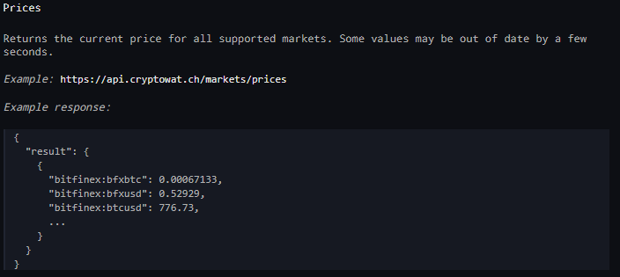
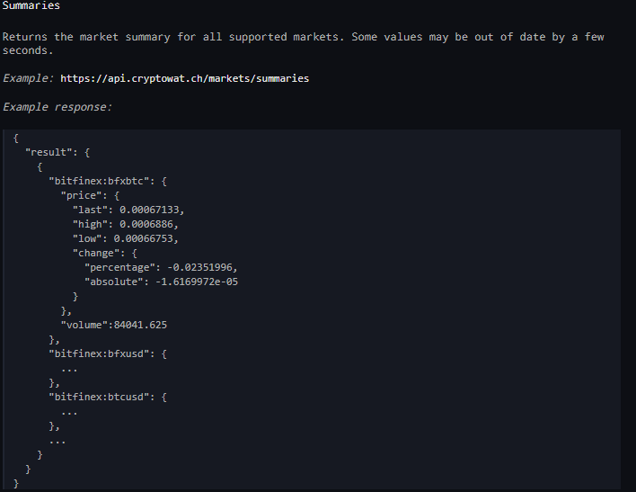
All Data Only From Bitfinex Exchange
Data For EOS:USD and EOS:BTC

