Sheet1
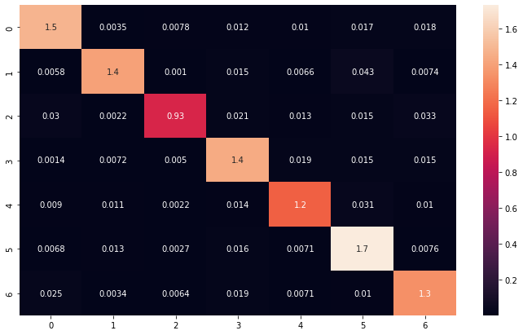
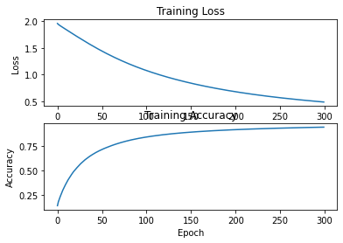
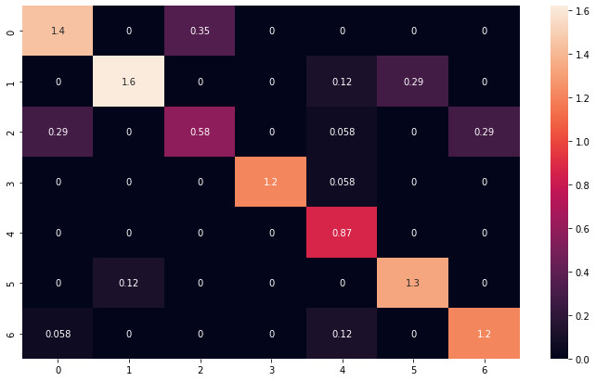
Dataset | Training/Test | Fold | Accuracy | Loss | Confusion Matrix | Data augmented | Graph data | Num_Samples
Berlin EMODB | Training | 1 | 0.9477 | 0.4858 |  | Yes |  | 690
 | Test |  | 0.818 | 0.5401 |  |  |  | 173
 | Training | 2 | 0.9339 | 0.4624 |  |  |  | 690
 | Test |  | 0.7801 | 0.6577 |  |  |  | 173
 | Training | 3 | 0.9024 | 0.5337 |  |  |  | 690
 | Test |  | 0.8089 | 0.5773 |  |  |  | 173
 | Training | 4 | 0.8888 | 0.6084 |  |  |  | 690
 | Test |  | 0.7848 | 0.6242 |  |  |  | 173
 | Training | 5 | 0.9298 | 0.4538 |  |  |  | 690
 | Test |  | 0.7617 | 0.7344 |  |  |  | 173
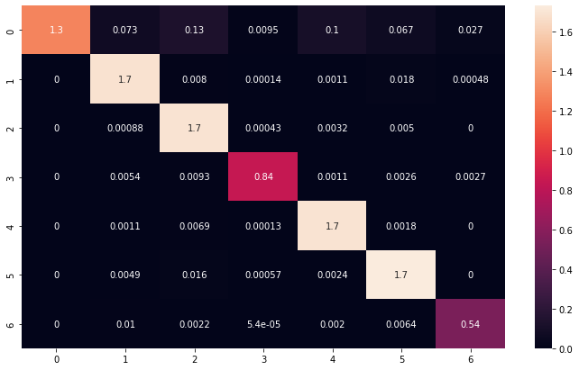
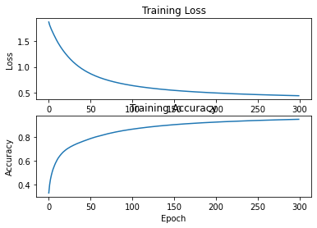
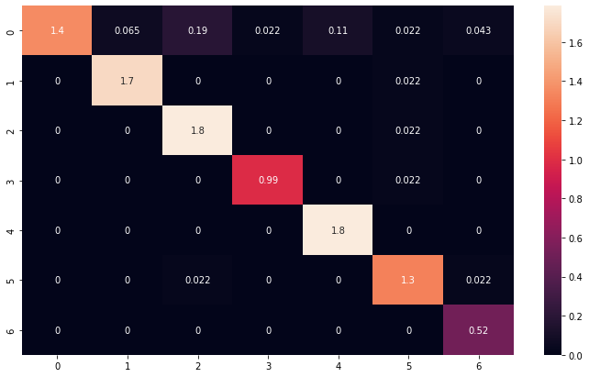
TESS EMOTIONAL TORONTO | Training | 1 | 0.9476 | 0.441 |  |  |  | 1858
 | Test |  | 0.947 | 0.3878 |  |  |  | 464
 | Training | 2 | 0.9832 | 0.1343 |  |  |  | 1858
 | Test |  | 0.998 | 0.0131 |  |  |  | 464
 | Training | 3 | 0.9771 | 0.1895 |  |  |  | 1858
 | Test |  | 0.993 | 0.0268 |  |  |  | 464
 | Training | 4 | 0.9811 | 0.1591 |  |  |  | 1858
 | Test |  | 0.991 | 0.0303 |  |  |  | 464
 | Training | 5 | 0.8285 | 0.4298 |  |  |  | 1858
 | Test |  | 0.8059 | 0.3825 |  |  |  | 464
TESS EMOTIONAL TORONTO SINCNET NOT SPECTROGRAM | Training | 1
 | Test
 | Training | 2
 | Test
 | Training | 3
 | Test
 | Training | 4
 | Test
 | Training | 5
 | Test

