Sheet1
Gantt Chart Template for Excel

 | Task Name | Start | End | Duration (days)
 | Read paper | 2015-09-28 | 2015-10-04 | 6
 | Basic segmentation code | 2015-10-05 | 2015-10-18 | 13
 | Basic GUI code | 2015-10-19 | 2015-10-25 | 6
 | GUI integration | 2015-10-26 | 2015-11-01 | 6
 | Review, optimization and write paper | 2015-11-02 | 2015-11-15 | 13
 | Further segmentation | 2015-11-16 | 2015-12-06 | 20
 | Review and write paper | 2015-12-07 | 2015-12-18 | 11
 | Presentation | 2015-12-19 | 2016-01-03 | 15

Or, Click Here to Create Your Own Gantt Chart in Smartsheet

 |  |  |  | Make A Gantt Chart in Smartsheet

 |  | `
 |  |  |  |  | Track Your Project with This Interactive Gantt Chart
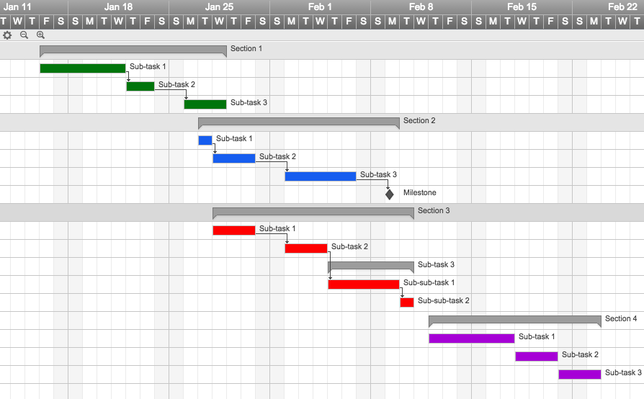

 |  |  |  |  | ✓ Instant Sign Up

 |  |  |  |  | ✓ No Credit Card Required
 |  |  |  |  | ✓ Nothing to Install



 |  |  |  |  | "Smartsheet is a project manager's dream come true!"

 |  |  |  |  |  | Jodi Hadsell

 |  |  |  |  |  | Project Manager, SAP

