Tabelle1
model Name | Beta | TC | Rekonstruktion | Last Epoch | mig | nmig |  | informativnes train | informativnes test | disentanglement | completeness |  | Zero / Nonzero Chanels | sollte gefühlt | Image | Reconstructions | Klenco
likeDQNConvB5_TC0_Lat10_Epochs100VAE26-4 | 5 | 0 | verschwommener Ball |  | 0.063929935102 | 0.23900205849 |  | 0.972675 | 0.57175 | 0.24736565735 | 0.15914943394 |  | 0 _ 10 | 0 _ 10 | 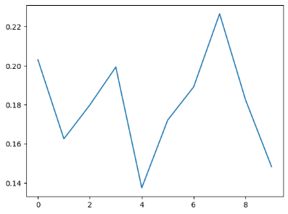 | 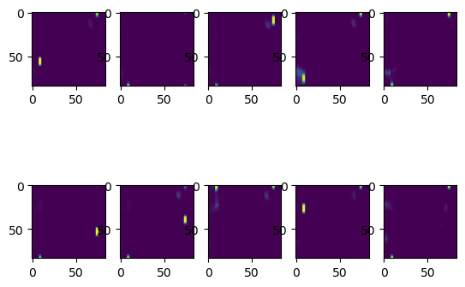 | array([0.20297948, 0.16253515, 0.17988645, 0.19932212, 0.13744135, 0.17215364, 0.18913947, 0.22661841, 0.18246962, 0.1483081 ]
likeDQNConvB10_TC0_Lat10_Epochs100VAE25-4 | 10 | 0 | nur paddles |  | 0.049460347482 | 0.09463206518 |  | 0.974225 | 0.57675 | 0.085384782296 | 0.062975419192 |  | 1 _ 9 | 2 _ 8 | 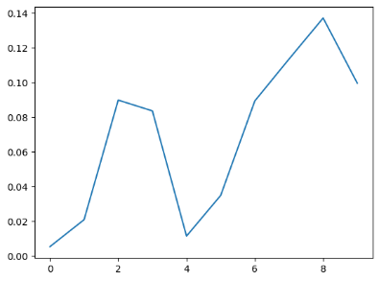 | 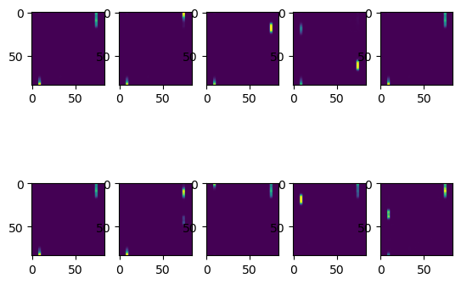 | array([0.00523715, 0.02078473, 0.08975247, 0.08351754, 0.01133651, 0.03478903, 0.08927978, 0.11341789, 0.13709654, 0.09947596]
likeDQNConvB1_TC19_Lat10_Epochs100VAE25-4 | 1 | 19 | perfekt |  | 0.053839001668 | 0.15143200514 |  | 0.883475 | 0.44685 | 0.044158882763 | 0.045216709248 |  | 0 _ 10 | 2 _ 8 | 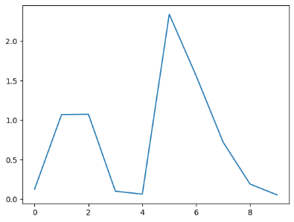 | 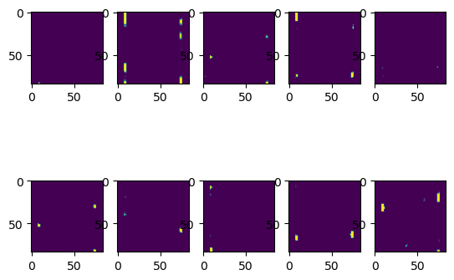 | array([0.12541552, 1.0691757 , 1.0733026 , 0.09906501, 0.0620589 ,2.3400269 , 1.5595506 , 0.7200273 , 0.18957767, 0.05293265]
likeDQNConvB1_TC99_Lat10_Epochs100VAE26-4 | 1 | 99 | verschwommen Paddle |  | 0.029051295363 | -0.0001896560101 |  | 0.9694 | 0.462 | 0.030349196633 | 0.022750317827 |  | 0 _ 10 | 6 _ 4 | 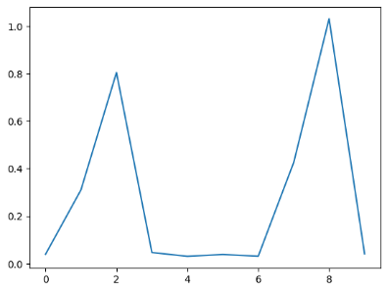 |  | array([0.03966722, 0.3105899 , 0.80428064, 0.04697394, 0.03100594, 0.03863025, 0.03145635, 0.42540765, 1.030578 , 0.0416421 ]

likeDQNConvB1_TC9_Lat10_Epochs30VAE26-4 | 1 | 9 | leicht verschwommen |  | 0.029265023758 | 0.1001922498 |  | 0.9998 | 0.925 | 0.028158243944 | 0.014023511827 |  | 0 _ 10 | 0 _ 10 | 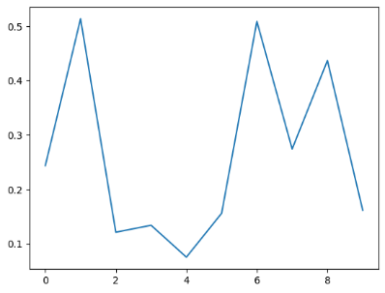 | 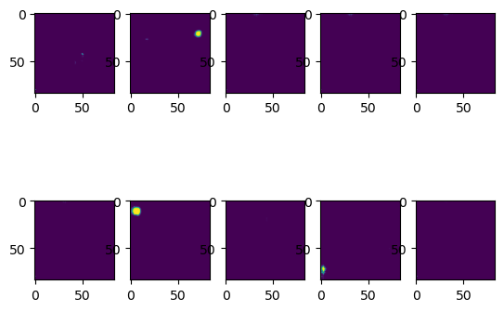 | array([0.2434849 , 0.5133406 , 0.12120491, 0.13392316, 0.0753461 , 0.15600857, 0.5085208 , 0.27412912, 0.436562 , 0.16158432],
likeDQNConvB1_TC19_Lat10_Epochs30VAE26-4 | 1 | 19 | nichts |  | 0.01267381039 | 0.038439181482 |  | 0.99885 | 0.9205 | 0.011002086586 | 0.008580476309 |  | 0_ 10 | 0 _ 10 | 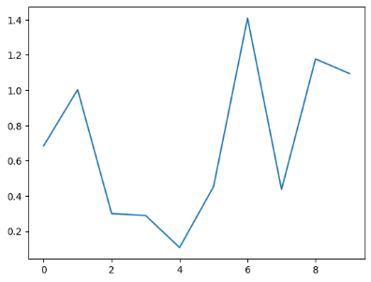 | 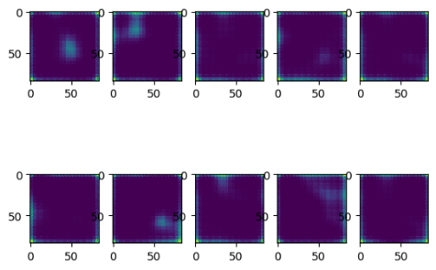 | array([0.684707 , 1.0032141 , 0.30002722, 0.28916362, 0.10762881, 0.45310512, 1.4091284 , 0.4366952 , 1.1772228 , 1.0943435 ]
likeDQNConvB3_TC0_Lat10_Epochs30VAE26-4 | 3 | 0 | fast perfekt |  | 0.0098018105266 | 0.042458209136 |  | 0.9999 | 0.9289 | 0.0073621314768 | 0.0079678757561 |  | 0 _ 10 | 0 _ 10 | 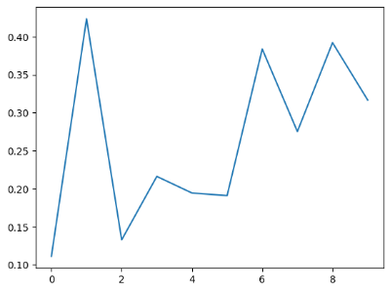 |  | array([0.11116277, 0.42352203, 0.13275935, 0.21615276, 0.19439216, 0.19094245, 0.38367307, 0.2751892 , 0.39202532, 0.31663615],
likeDQNConvB10_TC0_Lat10_Epochs30VAE26-4 | 10 | 0 | leicht verschwommen |  | 0.021587029713 | 0.0633435427 |  | 1 | 0.9295 | 0.010526900461 | 0.0076431636154 |  | 0 _ 10 | 1 _ 9 | 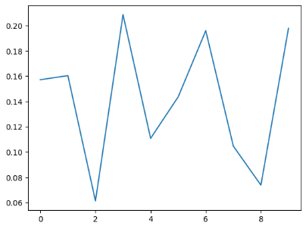 | 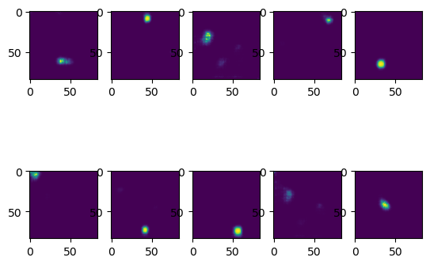 | array([0.15722206, 0.16043529, 0.06124874, 0.20867607, 0.1108283 , 0.14362904, 0.19603483, 0.10466543, 0.07379957, 0.1979226 ]
likeDQNConvB15_TC0_Lat10_Epochs30VAE26-4 | 15 | 0 | leicht verschwommen |  | 0.034783718884 | 0.055950734828 |  | 1 | 0.9303 | 0.011094875275 | 0.010591979286 |  | 0 _ 10 | 1 _ 9 | 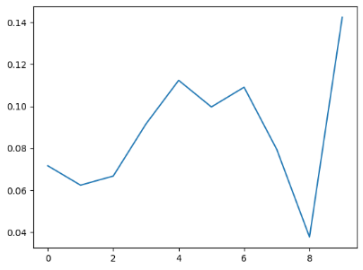 | 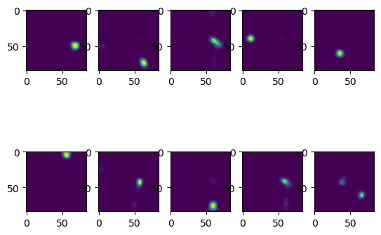 | array([0.07157759, 0.06232368, 0.06668404, 0.09153465, 0.11236028, 0.09966475, 0.10907897, 0.07934488, 0.03760114, 0.1424437 ],
likeDQNConvB20_TC0_Lat10_Epochs30VAE26-4 | 20 | 0 | ungenügend (möglicherweise mit längerem Training besser) |  | 0.015285634689 | 0.023996638061 |  | 0.99985 | 0.9248 | 0.0065372280718 | 0.012696867479 |  | 0 _ 10 | 1 _ 9 | 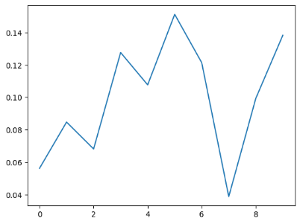 |  | array([0.05620713, 0.08473801, 0.06813768, 0.12766336, 0.10770503, 0.1512185 , 0.12138737, 0.03873611, 0.0993576 , 0.13833319],

likeDQNConvB1_TC14_Lat10_Epochs100VAE26-4 | 1 | 14 | sehr gut |  | 0.049940330933 | 0.12798959116 |  | 0.9997 | 0.923 | 0.063949354966 | 0.028150755265 |  | 0 _ 10 | 2 _ 8 | 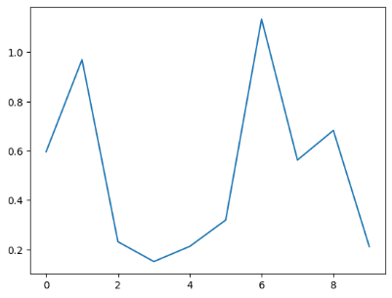 |  | array([0.59704655, 0.9698806 , 0.23156954, 0.1513079 , 0.21280631, 0.31955457, 1.1341878 , 0.56290877, 0.6830068 , 0.21181756],
likeDQNConvB1_TC19_Lat10_Epochs100VAE26-4 | 1 | 19 |  |  | 0.019485242863 | 0.093944411287 |  | 0.99945 | 0.9248 | 0.053445414184 | 0.021867421009 |  | 0 _ 10 | 0 _ 10 | 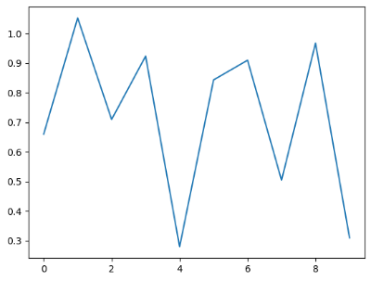 |  | array([0.6596089 , 1.0521923 , 0.70946264, 0.9233441 , 0.27970695, 0.8430733 , 0.9095794 , 0.5045359 , 0.9670075 , 0.30952677],
likeDQNConvB20_TC0_Lat10_Epochs100VAE26-4 | 20 | 0 | leicht verschwommen |  | 0.0080280766368 | 0.043064371739 |  | 1 | 0.9243 | 0.009995253217 | 0.011926648608 |  | 0 _ 10 | 2 _ 8 | 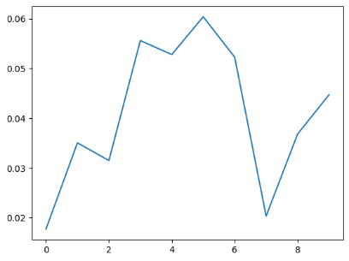 |  | array([0.01771051, 0.0350413 , 0.03149129, 0.05559994, 0.05280191, 0.06039935, 0.05226865, 0.02032662, 0.03680796, 0.04471446],
likeDQNConvB50_TC0_Lat10_Epochs100VAE27-4 | 50 | 0 | verschwommen |  | 0.032873174473 | 0.093203639835 |  | 0.99995 | 0.9322 | 0.021300896519 | 0.012984603541 |  | 0 _ 10 | 3_7 | 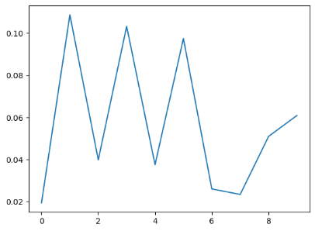 | 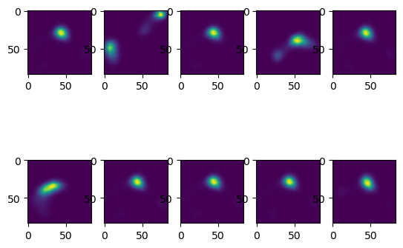 | array([0.01936742, 0.10878703, 0.03975812, 0.10329627, 0.03749277, 0.09753335, 0.02594753, 0.02331597, 0.05093531, 0.06090254],

 |  |  | TC4_B1_SUM_SUM |  |  |  | Mean B1 TC0 |  |  |  | Sum 75 epochs | Beta 1 TC 0 |  |  | Sum 75 Epoch Beta 48 TC 0 |  | Sum 75 epochs Beta 28 TC 0 | Sum 35 Beta 148 TC0 | lernt nur schwarz | sum 35 Beta 75 lernt nur schwarz
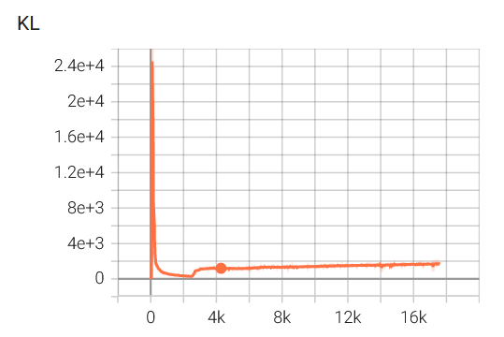
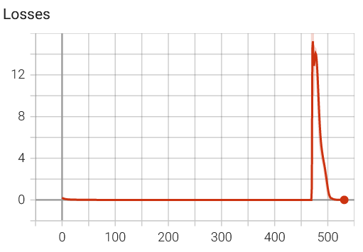
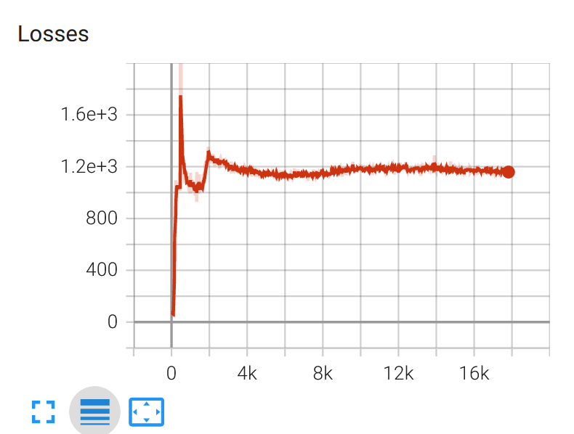
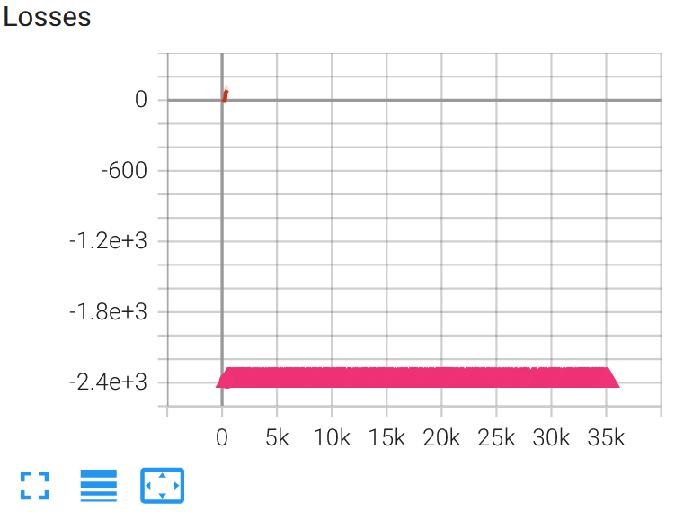
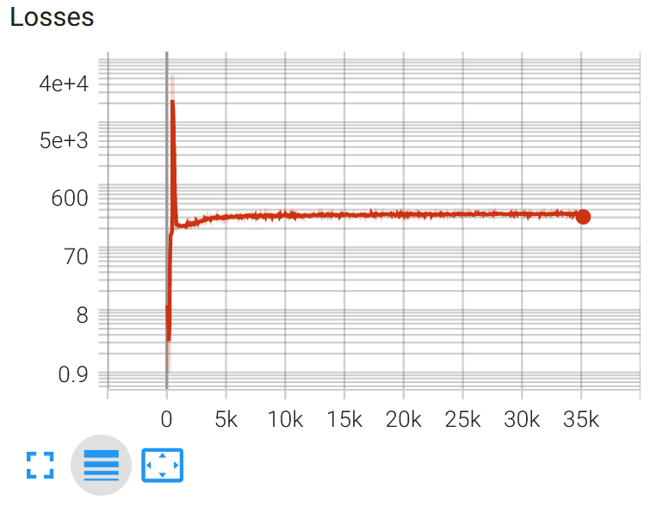
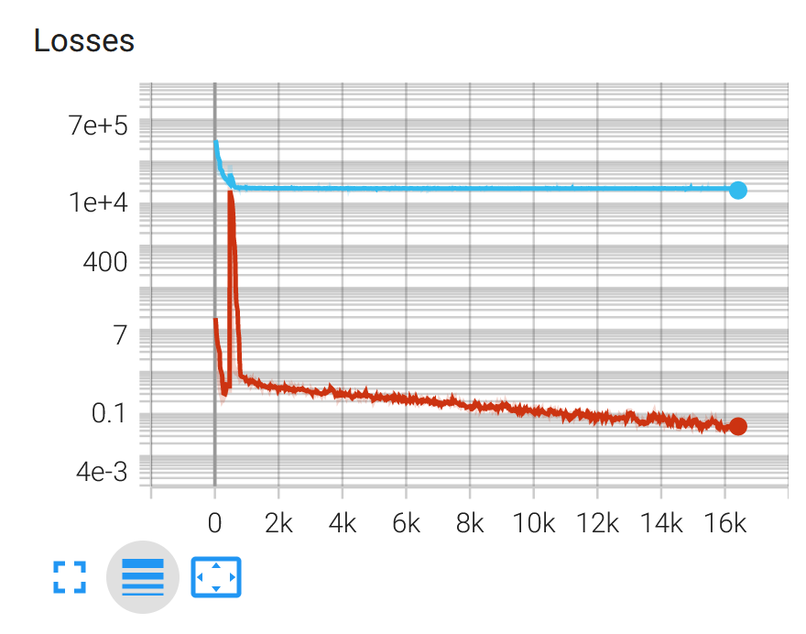
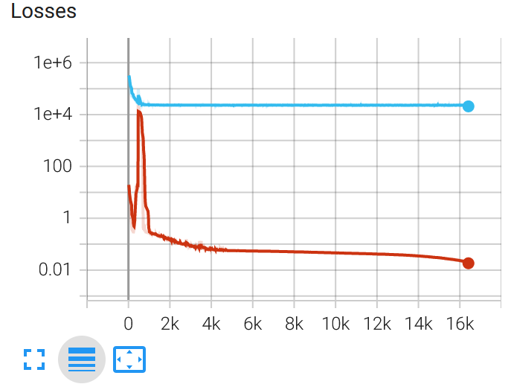

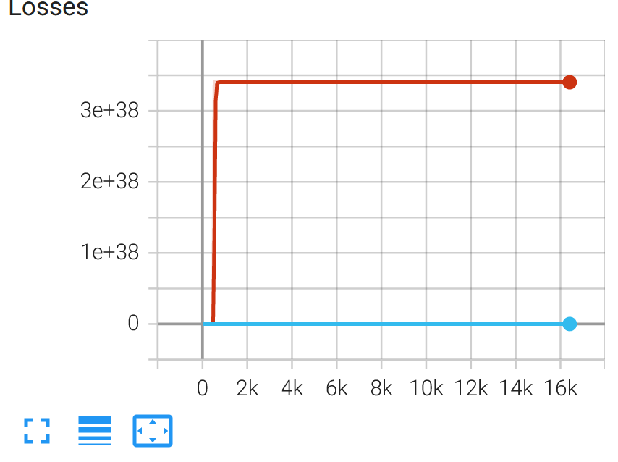
 |  |  |  |  |  |  | Mean Log 75 Epochs | Rekonstruktion ist nur schwarz |  |  |  |  |  |  | TC wird nan und KL hört auf |  |  | mit nan To num
 |  |  |  |  |  |  |  |  |  |  |  |  |  |  | zu existieren. Warum hört es
 |  |  |  |  |  |  |  |  |  |  |  |  |  |  | auf zu existieren?
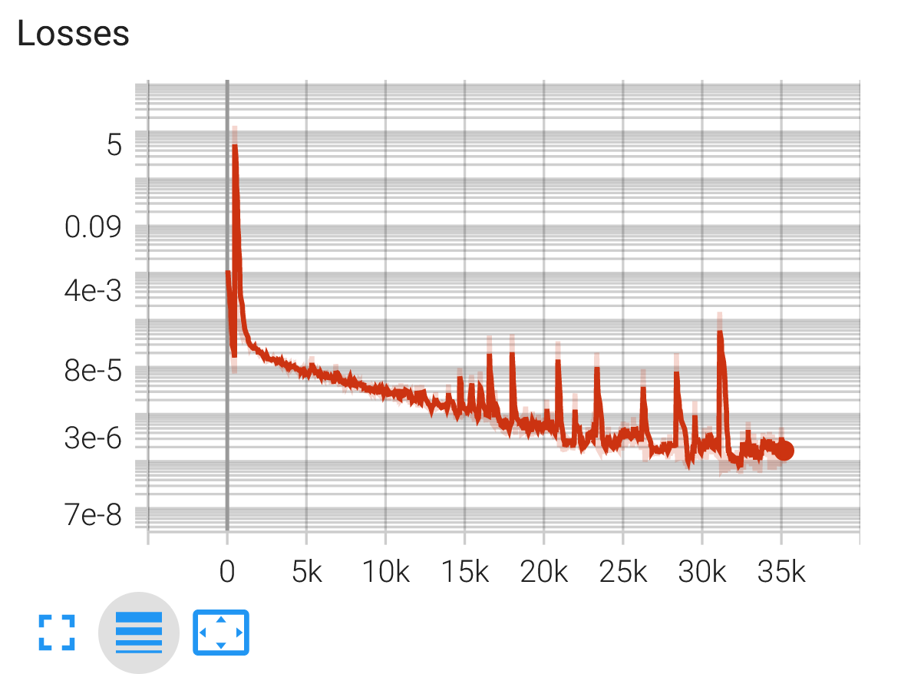
 |  |  |  |  |  |  |  |  |  |  |  |  |  |  | KL wird inf

 |  |  |  |  |  |  |  |  |  |  |  |  |  |  | gleich wie oben mit nanToNum
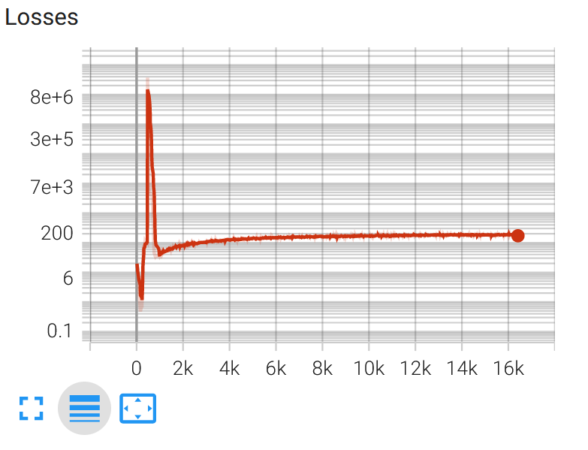
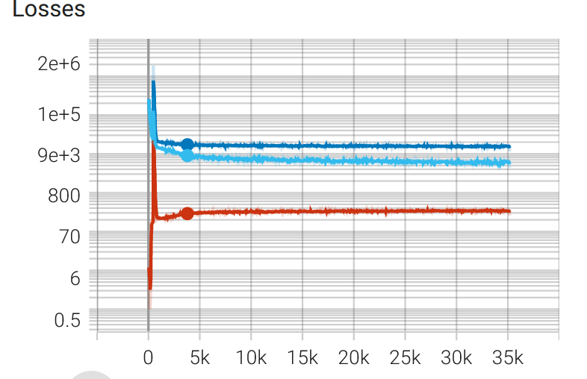

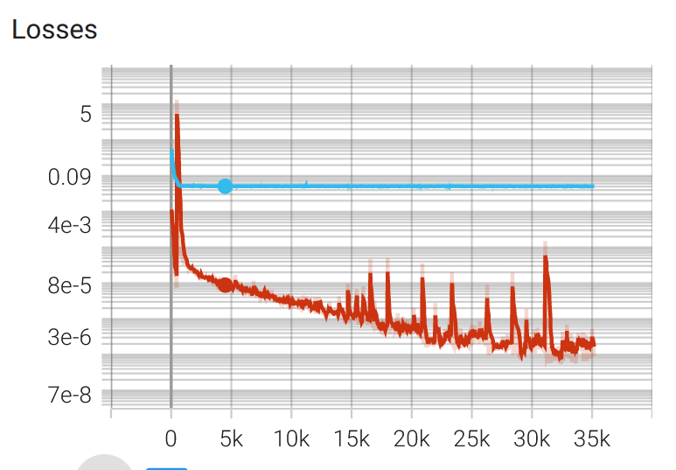
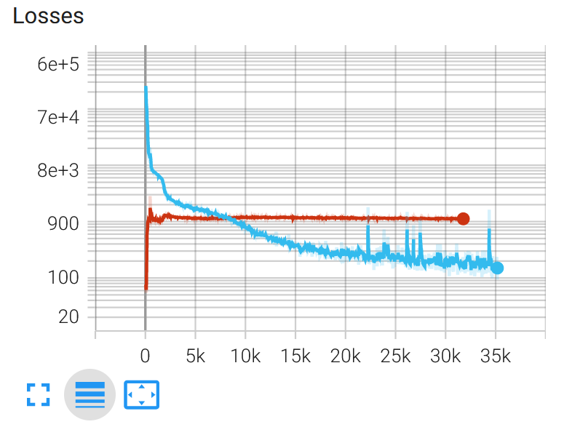
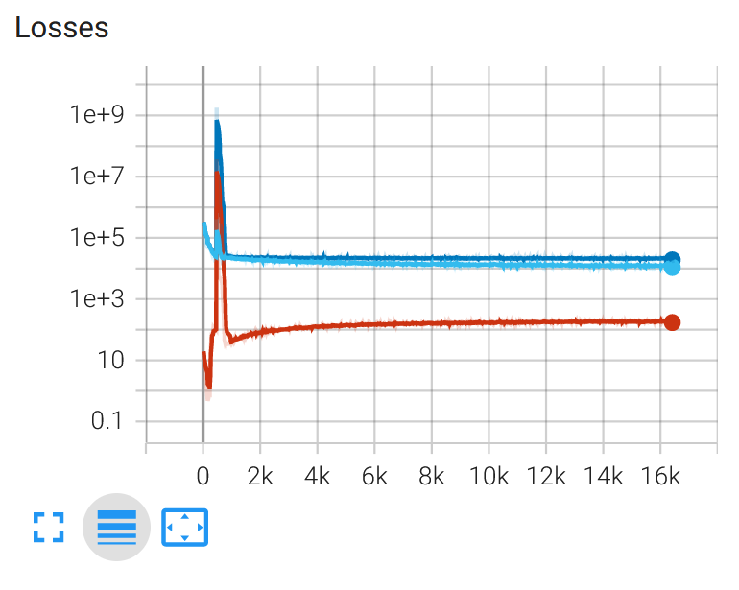

 |  |  |  |  |  |  |  |  |  |  |  |  |  |  |  |  | hellblau: BCE
 |  |  |  |  |  |  |  |  |  |  |  |  |  |  |  |  | orange: KL
 |  |  |  |  |  |  |  |  |  |  |  |  |  |  |  |  | Dunkelblau: Total wheighted loss mit beta = 48

