Revision Chronology
The current dataset is described in the following manuscript:
Ruggerone, G.T., and J.R. Irvine. 2018. Numbers and biomass of natural- and hatchery-origin Pink, Chum, and Sockeye salmon in the North Pacific Ocean, 1925-2015. Marine and Coastal Fisheries: Dynamics, Management, and Ecosystem Science 10. DOI: 10.1002/mcf2.10023.
Previous versions of the data set were described in the following manuscripts:
Irvine, J.R. and G.T. Ruggerone. 2016. Provisional estimates of numbers and biomass for natural-origin and hatchery-origin pink, chum, and sockeye salmon in the North Pacific, 1952-2015. NPAFC Doc. 1660. 45 pp. (Available at http://www.npafc.org).
Ruggerone, G.T. and J.R. Irvine. 2015. Provisional abundance estimates of adult hatchery and wild pink, chum, and sockeye salmon by region of the north pacific, 1952-2010. NPAFC Doc. 1594. 28 pp. (Available at http://www.npafc.org).
Ruggerone, G.T., R.M. Peterman, B. Dorner, and K.W. Myers. 2010. Magnitude and trends in abundance of hatchery and wild pink, chum, and sockeye salmon in the North Pacific Ocean. Marine and Coastal Fisheries: Dynamics, Management, and Ecosystem Science. 2:306-328. Available: http://afsjournals.org/doi/full/10.1577/C09-054.1
Ruggerone, G.T., R.M. Peterman, B. Dorner, K.W. Myers, and N. J. Mantua. 2010. Abundance of adult hatchery and wild salmon by region of the North Pacific. School of Aquatic and Fishery Sciences, University of Washington, SAFS-UW 1001. Available: https://digital.lib.washington.edu/researchworks/handle/1773/16262
Mantua, N. J., N. G. Taylor, G. T. Ruggerone, K. W. Myers, D. Preikshot, X. Augerot, N. D. Davis, B. Dorner, R. Hilborn, R. M. Peterman, P. Rand, D. Schindler, J. Stanford, R. V. Walker, and C. J. Walters. 2009. The salmon MALBEC project: a North Pacific-scale study to support salmon conservation planning. North Pacific Anadromous Fish Commission Bulletin 5:333-354. Available: http://www.npafc.org/new/pub_bulletin.html (September 2009).
Use of these data and collaborations on research projects that use these data are welcome. If you plan to use the data, please contact the authors of the current manuscript to determine if a newer version of the dataset is available (GRuggerone@nrccorp.com) or Jim Irvine (james.irvine@dfo-mpo.gc.ca).
Please see the above papers for methods and cautions regarding data quality, especially when examining data at the regional level.
The values in this file supercede those published in earlier manuscripts and reports listed above.

Map
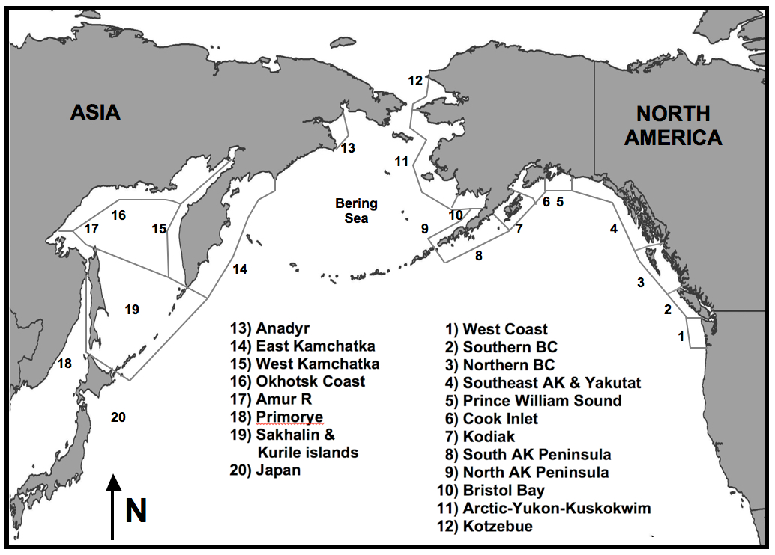

Abbreviation | Regional name

Japan | Japan & South Korea
M&I | Russia: Mainland & Islands
WKam | Western Kamchatka
EKam | Eastern Kamchatka
WAK | Western Alaska
SPen | Southern Alaska Peninsula
Kod | Kodiak
CI | Cook Inlet
PWS | Prince William Sound
SEAK | Southeast Alaska
NBC | Northern British Columbia
Figure 1. The approximate geographic locations of regional stock groups. Region 1, west coast of United States, including the Columbia River. Region 2, Southern British Columbia (BC) south of the central coast of British Columbia (~51°N). . Region 3, Northern BC including central and northern British Columbia. Region 4, Southeast Alaska (AK) including the Yakutat coast. The Central Alaska region extends from the Bering River (~60°N), near Prince William Sound in Region 5, westward to Unimak Island (~166°W), thereby including Regions 5 through 8. Western Alaska includes Regions 9 through 12, i.e., all North American drainages flowing into the Bering Sea from Unimak Island to Kotzebue. Data for eastern and western Kamchatka (Regions 14 and 15) are separated from data for the Russian mainland and islands (called "Mainland & Islands" here, which includes the Okhotsk coast, Amur River, Primorye, Sakhalin and Kurile Islands, and relatively small runs to the Anadyr). Region 20, Japan, includes the islands of Hokkaido and Honshu. South Korea (Region 21) not shown.
SBC | Southern British Columbia
WA | Washington State
WC | West Coast USA

"-" is shown if some fish may be present but no data are available. |  | F

