Page 1
 |  | Epic Ship Management Pte. Ltd.

 |  |  |  |  |  |  |  |  |  |  | 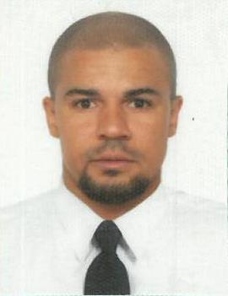
 |  | Employment Application Form

For office use only |  | Ref : | EPIC/
Employment Code |  |  | Rank approved

Rank applied for | Master |  |  |  | Date ready to join |  | ASAP

Surname | Middle Name |  | Name |  |  | Date of Birth / PoB |  | Religion |  |  | Nationality
Nguita | Ernest |  | Erik |  |  | 12-Mar-86 |  | Orthodox |  |  | Ukraine

Passport | FB538682 |  |  | Issue | 02.07.2015 |  | Expiry | 02.07.2025 |  | Issued at |  | Ukraine
National Seamen Book |  | AB558561 |  | Issue | 18/09/2015 |  | Expiry | 18/09/2020 |  | Issued at |  | Ukraine
Other Seamen Book |  |  |  | Issue |  |  | Expiry |  |  | Issued at

Valid Visa's
US Visa C1/D |  |  |  | Issued |  |  | Expiry
Any other visa |  |  |  | Issued |  |  | Expiry

Contact Details
Present Address |  |  |  |  |  |  | Permanent Address :
2 Klenovaya str. App. 20, Odessa, Ukraine |  |  |  |  |  |  | 2 Klenovaya str. App. 20, Odessa, Ukraine

 |  |  | Postal Code |  |  |  |  |  |  |  | Postal Code
Tel |  |  | Mobile | +380987655555 |  |  | Tel |  |  |  | Mobile | +380987655555
Email |  |  |  |  |  |  | Email

Family details |  |  |  |  |  |  | Marital Status |  |  | : | Married
Relationship | Surname |  | Name |  | DOB |  | Passport |  | Issue |  | Epxiry |  | Place of Issue

Next of Kin | Nguita Tetyana |  |  |  |  |  | Relationship |  | Wife
Address | 2 Klenovaya str. App. 20, Odessa, Ukraine
 | Tel : |  |  |  |  |  | Email :

