Sheet1
Digits (n) | Runtime (ms)
50 | 1
100 | 3
200 | 6
400 | 14
800 | 33
1600 | 76
3200 | 180
6400 | 390
12800 | 880
25600 | 2000
51200 | 4500
100000 | 9300

Sheet2
Threads | Runtime (s) | Score (S = workload / (time × threads))
1 | 0.0012066 | 8.29E+10 | Model: Intel Core i7-1165G7
2 | 0.0004097 | 1.22E+11
4 | 0.0007056 | 3.54E+10 | Cores: 4
8 | 0.001 | 1.25E+10
16 | 0.002286 | 2.76E+09 | Logical Processors (Threads): 8
32 | 0.0046545 | 6.71E+08
64 | 0.0087467 | 1.79E+08 | Operating System: Windows 11

 |  |  | As the number of threads increases, runtime initially decreases, reaching a minimum at 2–4 threads. Beyond this point, runtime fluctuates and even increases, indicating thread management overhead. The performance score peaks at 2 threads, showing that parallel efficiency drops with more threads due to synchronization or CPU limitations

Sheet3
Buffer Size (Bytes) | Run 1 | Run 2 | Run 3 | Run 4 | Run 5 | Average (MB/s) | File Size (MB) | Run 1 | Run 2 | Run 3 | Run 4 | Run 5 | Average (MB/s)
1,024 | 174.82 | 187.11 | 186.6 | 186.36 | 185.51 | 184.08 | 1 | 238.37 | 245.59 | 265.65 | 276.66 | 244.25 | 254.1
4,096 | 514.19 | 540.09 | 510.36 | 325.36 | 216.64 | 421.33 | 10 | 318.13 | 309.99 | 314.67 | 327.9 | 310.02 | 316.14
16,384 | 228.4 | 274.8 | 1004.32 | 1021.43 | 1149.37 | 735.66 | 100 | 278.58 | 319.03 | 324.04 | 323.84 | 335.61 | 316.22
65,536 | 1885.44 | 1985.79 | 2011.57 | 1917.89 | 1998.73 | 1959.89 | 1024 | 317.79 | 277.7 | 310.92 | 316.79 | 309.11 | 306.46
262,144 | 1892.06 | 2131.42 | 2095.07 | 1979.8 | 1704.49 | 1960.57
Write Speed vs File Size (2KB buffer)
 | Average (MB/s)
1 | 254.1
10 | 316.14
100 | 316.22
1024 | 306.46
1,048,576 | 1317.51 | 1374.52 | 1328.28 | 1378.36 | 1251.54 | 1330.04
4,194,304 | 1414.85 | 1303.19 | 1418.31 | 1445.15 | 1436.58 | 1403.62
16,777,216 | 1274.67 | 1216.69 | 1200.11 | 1368.03 | 1253.4 | 1262.58
67,108,864 | 786.59 | 830.48 | 824.49 | 803.58 | 823.68 | 813.76
Write Speed vs Buffer Size (512MB file)

Sheet4
HDTune Results |  |  | Random Access Benchmark Results
Buffer Size | IOPS (HDTune) | MB/s (HDTune) | Buffer Size | IOPS ("ft") | MB/s ("fs")
512 B | 125,000 | 62.5 | 512 B | 130,078 | 5.78
4 KB | 100,000 | 400 | 4 KB | 113,017.60 | 50.99
64 KB | 20,000 | 1,280.00 | 64 KB | 41,793.00 | 786.64
1 MB | 1,200 | 1,200.00 | 1 MB | 2,123.60 | 1,346.21

 |  |  |  |  |  | As buffer size increases, IOPS decreases while MB/s increases. This is expected due to overhead per access vs. throughput efficiency. Java benchmark results follow the same trend as HDTune, with some performance overhead."

Sheet5
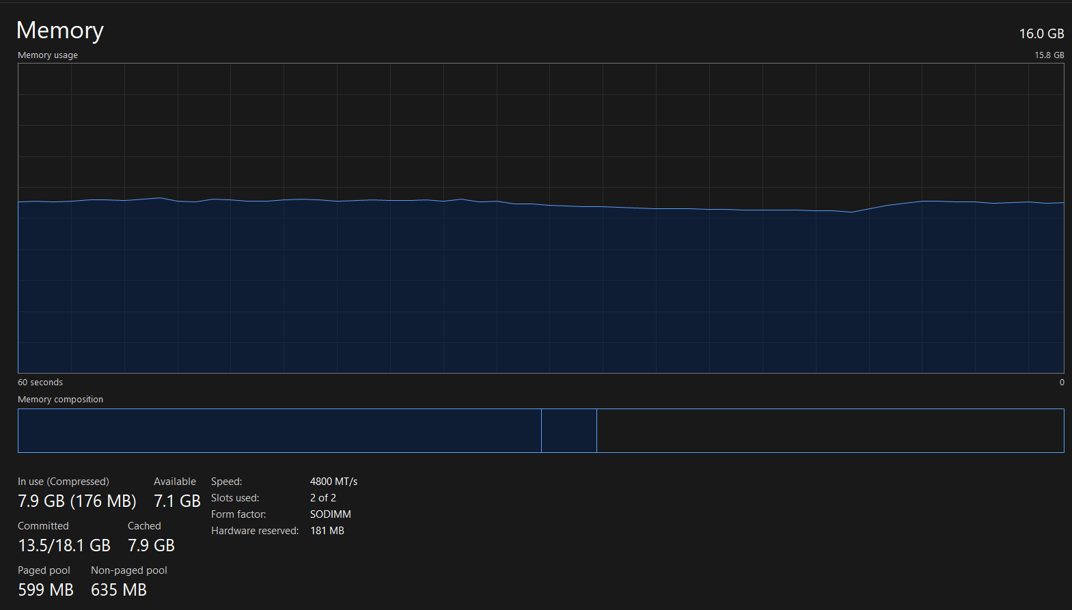
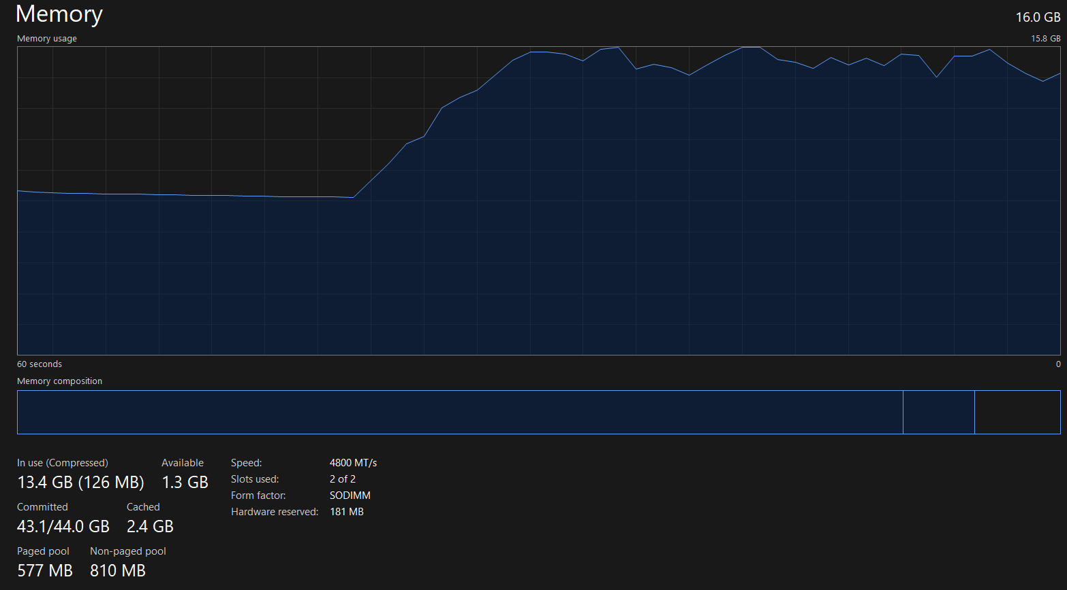
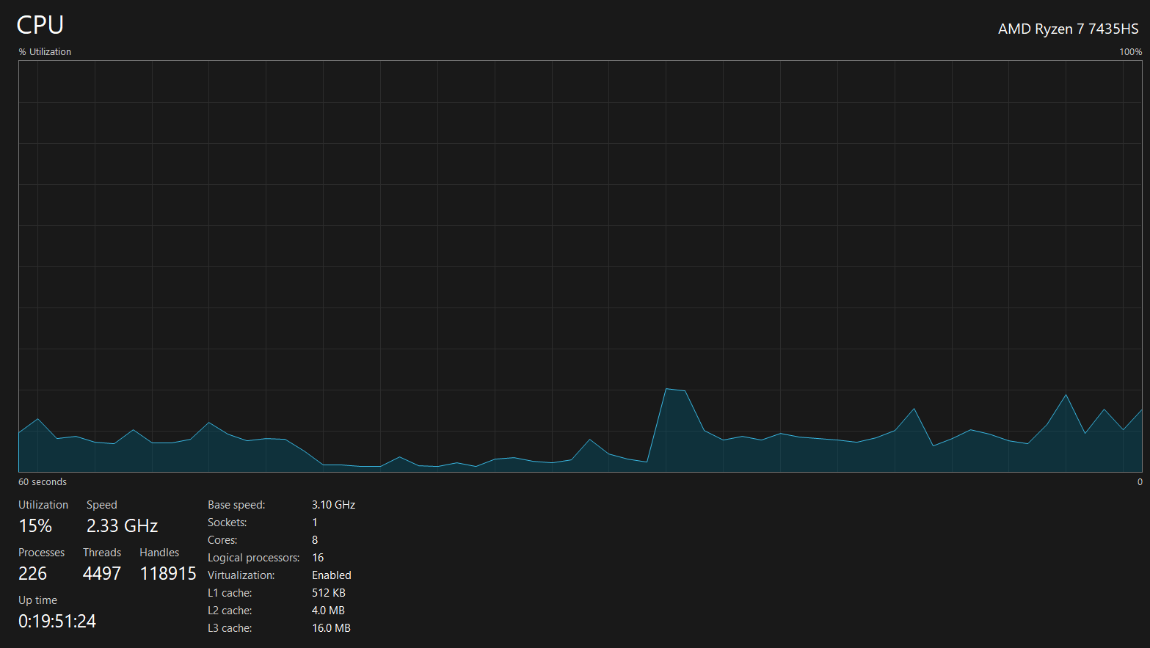
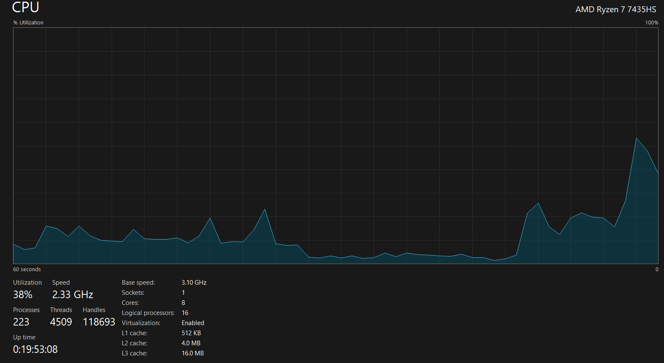
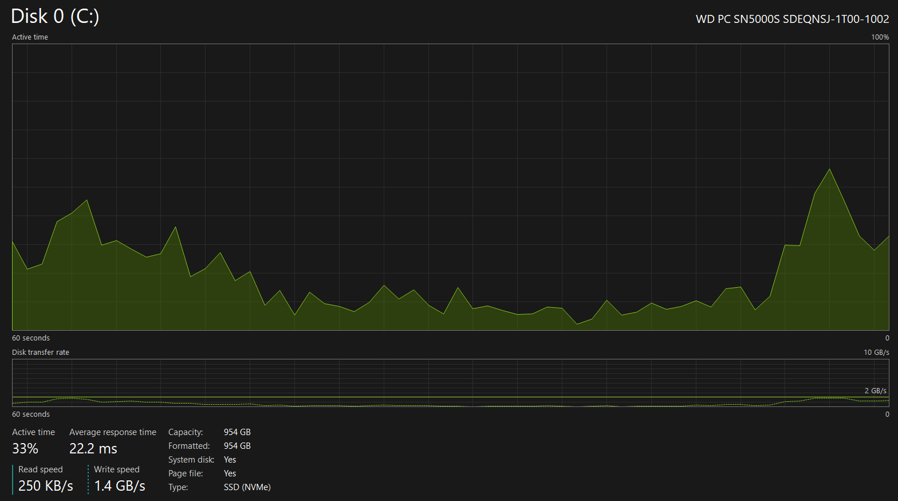
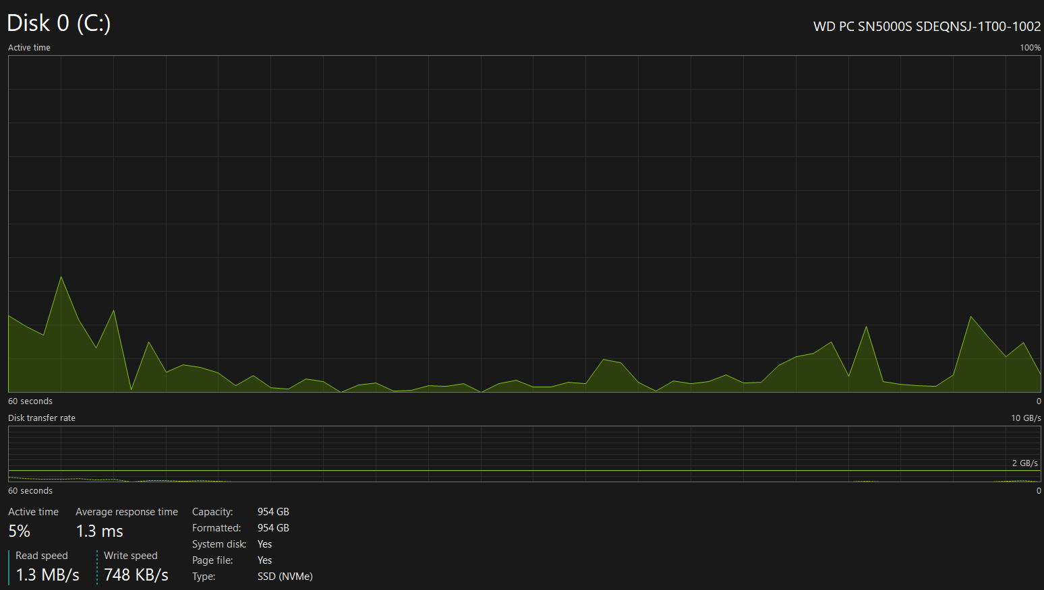
Scenario I (no paging) | Scenario II (paging)

