Compute MOI
Moment of inertia tool

Result
 | Ixx | Iyy | Izz | Ixy
 | 0.039623700578 | 0.039623700578 | 0.068851811067 | 0.00033741775

User Inputs |  |  |  |  |  | Automatic computations

Lengths and masses |  |  |  |  |  | Moment of Inertia around its own axis
 | Masses (kg) | Lengths (m) | Width (m) | Height (m) | Radius (m) | Ixx | Iyy | Izz
Core | 0.8340 | 0.23 | 0.23 | 0.02 | - | 0.00370 | 0.00370 | 0.00735
Battery | 0.6900 | 0.16 | 0.05 | 0.04 | - | 0.00156 | 0.00023 | 0.00158
bridge_1 | 0.0503 | 0.24 | 0.02 | 0.015 | - | 0.00000 | 0.00024 | 0.00024
bridge_2 | 0.0503 | 0.02 | 0.24 | 0.015 | - | 0.00024 | 0.00000 | 0.00024
bridge_3 | 0.0503 | 0.24 | 0.02 | 0.015 | - | 0.00000 | 0.00024 | 0.00024
bridge_4 | 0.0503 | 0.02 | 0.24 | 0.015 | - | 0.00024 | 0.00000 | 0.00024
cyl_1 | 0.1360 | - | - | 0.259 | 0.04 | 0.00082 | 0.00082 | 0.00012
cyl_2 | 0.1360 | - | - | 0.259 | 0.04 | 0.00082 | 0.00082 | 0.00012 |  |  |  |  | Cylinder 1
cyl_3 | 0.1360 | - | - | 0.259 | 0.04 | 0.00082 | 0.00082 | 0.00012 |  |  |  | Rod 1
cyl_4 | 0.1360 | - | - | 0.259 | 0.04 | 0.00082 | 0.00082 | 0.00012
Total | 2.27 | - | - | - | - | - | - | -
 |  |  |  |  |  |  |  |  |  | Rod 3 | Rod 2
 |  |  |  |  |  |  |  |  |  | Cyl 3 |  | Cyl 2
Centroid information (down is positive) |  |  |  |  |  | Parallel axis term
( | Reference datum: | x = center | y = center | z = topplate | )
 | Masses (kg) | X location centroid (m) | Y location centroid (m) | Z location from top plate (m) |  | Ixx (ar. x) | Iyy | Izz
Core | 0.8340 | 0.00 | 0.00 | 0.04 |  | 0.00007 | 0.00007 | 0.00000
Battery | 0.6900 | 0.00 | 0.00 | 0.06 |  | 0.00070 | 0.00070 | 0.00000
bridge_1 | 0.0503 | 0.21 | 0.00 | 0.01 |  | 0.00002 | 0.00224 | 0.00222
bridge_2 | 0.0503 | 0.00 | 0.21 | 0.01 |  | 0.00224 | 0.00002 | 0.00222 | NOTE THAT DOWN IS POSITIVE
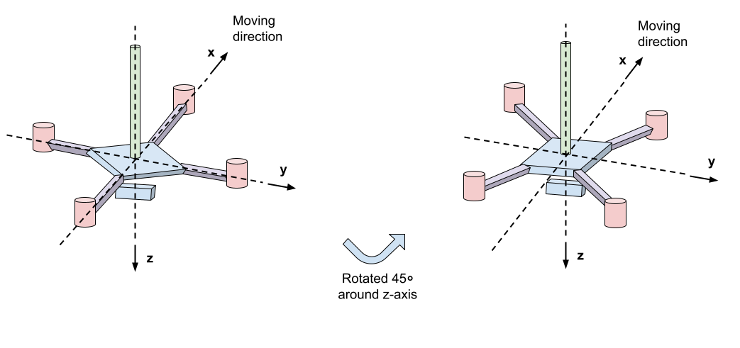
bridge_3 | 0.0503 | -0.21 | 0.00 | 0.01 |  | 0.00002 | 0.00224 | 0.00222
bridge_4 | 0.0503 | 0.00 | -0.21 | 0.01 |  | 0.00224 | 0.00002 | 0.00222
cyl_1 | 0.1360 | 0.30 | 0.00 | -0.02 |  | 0.00029 | 0.01286 | 0.01257
cyl_2 | 0.1360 | 0.00 | 0.30 | -0.02 |  | 0.01253 | 0.00029 | 0.01224
cyl_3 | 0.1360 | -0.30 | 0.00 | -0.02 |  | 0.00029 | 0.01286 | 0.01257
cyl_4 | 0.1360 | 0.00 | -0.30 | -0.02 |  | 0.01253 | 0.00029 | 0.01224
Sumproduct | 2.27 | 0.000000 | 0.0000000 | 0.07

Resulting centroid location |  |  |  |  |  | Total MOI

 |  | X location centroid (m) | Y location centroid (m) | Z location centroid (m) |  | Ixx | Iyy | Izz
 |  | 0 | 0 | 0.031 |  | 0.03996 | 0.03929 | 0.06885

Cross product XY
 | MOI about itself | Area | MOI due to distance | MOI combined | Units
 | Ik | A | A*x*y | Ixy
Core | 0.00 | 0.0529 | 0.0000 | 0.00 | m2 . kg
Battery | 0.00 | 0.0073 | 0.0000 | 0.00
rod_1 | 0.00 | 0.0036 | 0.0000 | 0.00 | m2 . kg
rod_2 | 0.00 | 0.0036 | 0.0000 | 0.00 | m2 . kg
rod_3 | 0.00 | 0.0036 | 0.0000 | 0.00 | m2 . kg
rod_4 | 0.00 | 0.0036 | 0.0000 | 0.00 | m2 . kg
cyl_1 | 0.00 | 0.0055 | 0.0000 | 0.00 | m2 . kg
cyl_2 | 0.00 | 0.0055 | 0.0000 | 0.00 | m2 . kg
cyl_3 | 0.00 | 0.0055 | 0.0000 | 0.00 | m2 . kg
cyl_4 | 0.00 | 0.0055 | 0.0000 | 0.00 | m2 . kg
Total | - |  | - | 0.00 | m2 . kg

Degree of rotation

 | Deg | Rad
 | 45 | 0.7853981634

Adjusted, final MOI
 |  | Ixx | Iyy | Izz | Ixy
 | Original | 0.03996 | 0.03929 | 0.06885 | 0.00
 | Transformed | 0.03962 | 0.03962 | 0.06885 | 0.00034

