ModelStats
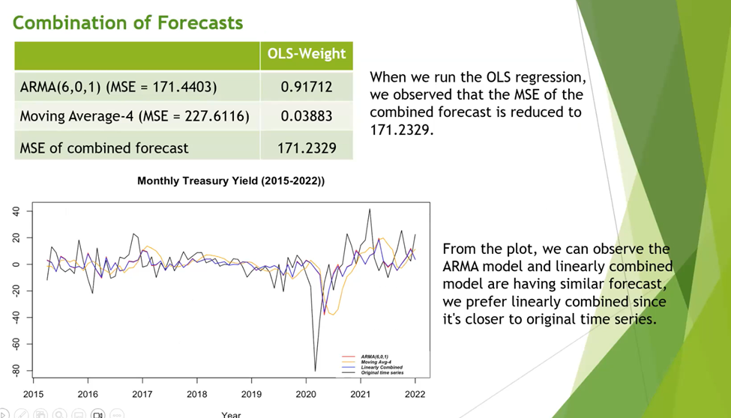
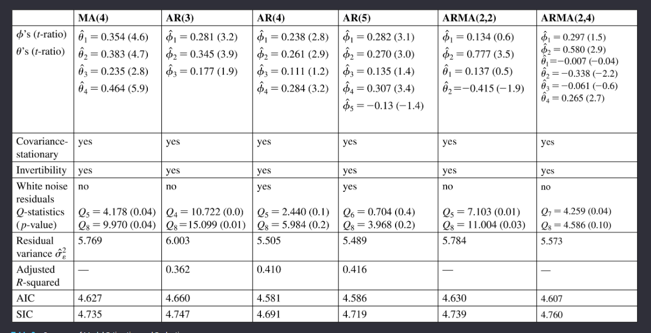
T-Ratio - Coefficent/Std Error
Statistic | ARMA(2,1,2) | ARMA(2,1,0) | ARMA(0,1,2)
 | AR1= 0.1216 , SE = .4301, T-Ratio =.28272) AR2= 0.0316, SE = .3498, T-Ratio = .09034 MA1= -0.1472, SE = .4226, T-Ratio = -.34832 MA2 = -0.1866, SE = .3469, T-Ratio = -.53791 | AR1= -0.0207, SE = .0691, T-Ratio = -.29957 AR2 = -0.1521, SE = .0689, T-Ratio = 2.20755 | MA1= -0.0288, SE = .0691, T-Ratio = -.4167888 MA2 = -0.1598, SE = .0690, T-Ratio = -.866667
RMSE | 1.275151 | 1.27648 | 1.275489
Covariance Stationary | Yes | Yes | Yes
Invertibility | Yes | Yes | Yes
White Noise Residuals | Yes | Yes | Yes
Q-Statistics p-Value | X-squared = 0.22148 df = 5, p-value = 0.9989 | X-squared = 0.24939 df = 2, p-value = 0.9692 | X-squared = 0.12569 df = 3, p-value =0.9886
Residual Variance | 1.634 | 1.637 | 1.635
Adjusted R-squared | 0.9611276 | 0.9614188 | 0.961485
AIC | 689.7216 | 685.5612 | 685.25
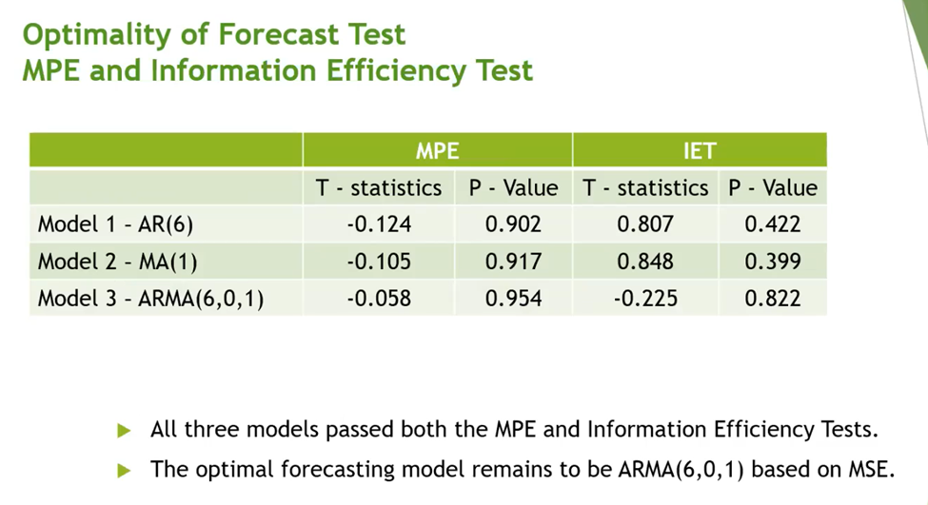
SIC | 705.734 | 695.5156 | 695.2

Descriptive STATS |  |  |  | Optimality of Forecast
Model | RMSE Train / RMSE Test | MAE Train / MAE Test | MSE | MPE Test | IET Test
AR2 | 1.334404 / 4.957312 | 0.4638089 / 4.5709634 | 0.3957143 - DYNLM 24.57494 | t = -.102 p-value = .92 - DYNLM t = 10.65, p-value = 1.08e-09
MA2 | 1.332218 / 5.043589 | 0.4678935 / 4.6627438 | 25.43779 | t = 10.85, p-value = 7.94e-10
ARMA(2,2) | 1.330678 / 5.206303 | 0.4737119 / 4.8296096 | 27.10559 | t= 11.11, p-value = 5.25e-10
Simple Avg 4 Naïve Model | 0.5801272 | 0.5095238 | 0.3365476 | t = 7.744, p-value = 1.92e-07 | T = -3.52, p-value = .00229

Combination Forecasts Top 3-5 Models
Model | 1/n | 1/MSE | OLS-Equal Weight | Inverse of MSE | OLS Optimal
AR2 | 0.33
MA2 | 0.33
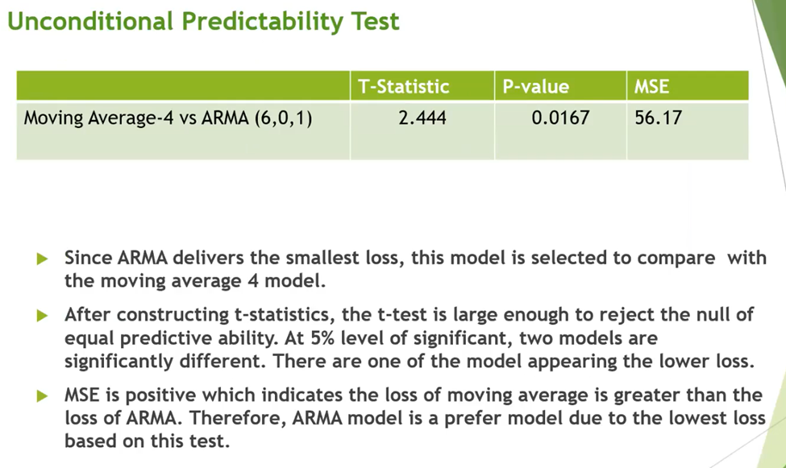
ARMA(2,2) | 0.33
MSE Combined Forecast

