Issue and Bug
Title | Description | Step | Attachment
[Website][Drop down menu][Google play and App store button]: Coincide | This issue occurs in hamburger > dropdown menu User open website, after that user click hamburger menu, appear drop down menu. It show that Google play and App store is coincide and App store doesnt has margin top Note : Tested using Chrome in Samsung Galaxy Tab A6 It is should has space between google play button and app store button | 1. Open website www.binar.co.id 2. Click dropdown menu | 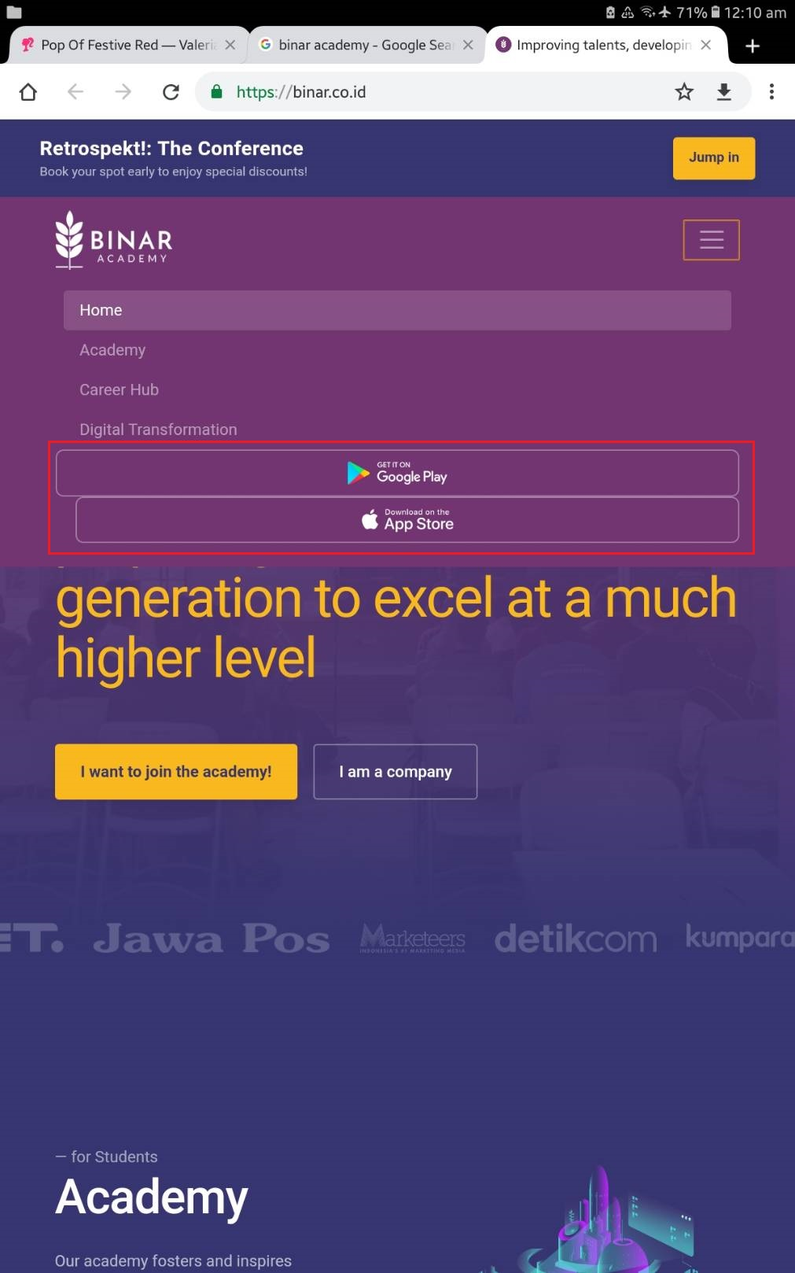

[Website][masterclass][hadertabel]: Header table not display properly | This issue occurs in masterclass > masterclass this month table User open website, click menu academy and then click menu masterclass. After that in table masterclass this month header table not responsive with the contain Note : Tested using Chrome in Samsung Galaxy Tab A6 Header for class and place can be palced on the left side and shcedule can be placed on the top | 1. Open website www.binar.co.id 2. Click menu Academy 3. Click menu masterclass | 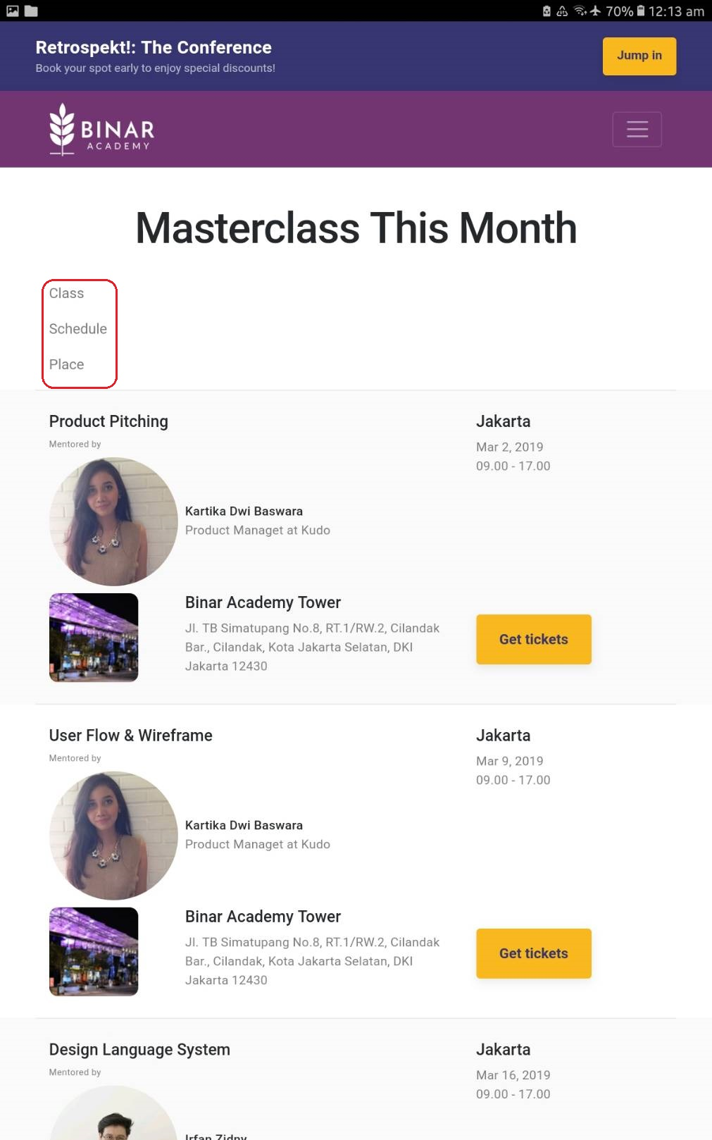

[Website][Sholarship][Batch Shedule]: Header table not display properly | This issue occurs in Sholarship > Batch Schedule table User open website, click menu Academy, click menu Sholarship. After that in table schedule header table not responsive with the contain Note : Tested using Chrome in Samsung Galaxy Tab A6 | 1. Open website www.binar.co.id 2. Click menu Academy 3. Click menu sholarship | 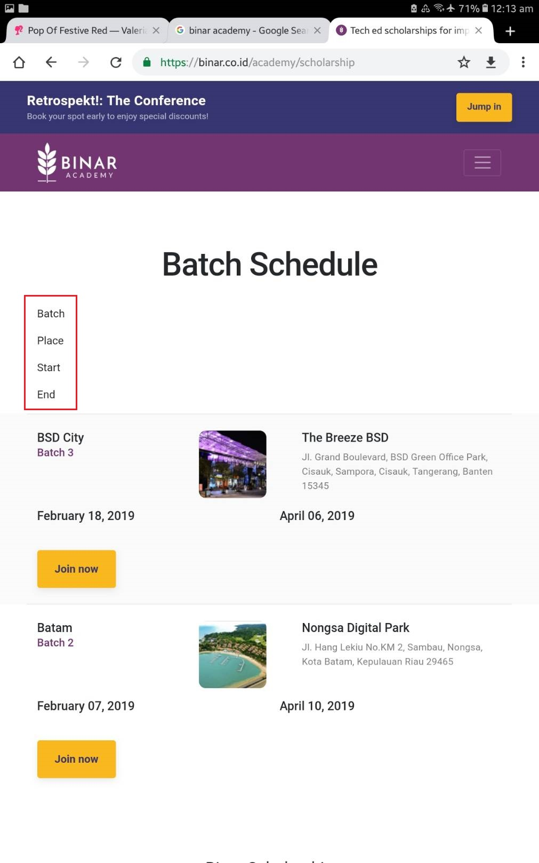

[Website][Media Logo]: Being cut for logo on the edge | This issue occurs in Home User open website, then media logo on the edge being cut Note : Tested using Chrome in Samsung Galaxy Tab A6 It is should not be cut may be can made responsive | 1. Open website www.binar.co.id | 