Sheet3
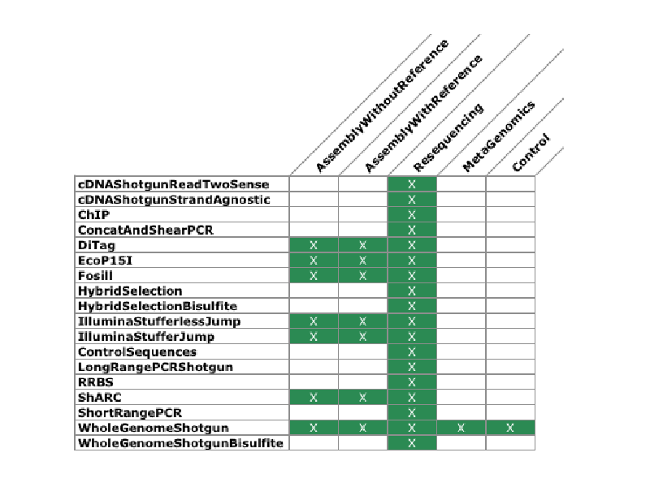
Supplemental Information
How to select your Analysis Type
Select from below
Library Type:Purpose of Sequencing
ie. WholeGenomeShotgun.Resequencing
** see chart to right for available options
Library Types | Description
cDNAShotgunReadTwoSense | cDNA strand specific; read 2 is on the strand of transcription
cDNAShotgunStrandAgnostic | cDNA strand non-specific; no way to determine strand of transcription
ChIP | Chromatin Immunoprecipitation
EcoP15I | EcoP15 long mate-pair library
Fosill | Fosill long mate-pair library
HybridSelection | Shotgun library that has been through a hybrid selection reaction
HybridSelectionBisulfite | Hybrid selected library that has been treated with bisulfite
IlluminaStufferlessJump | Standard Illumina sheared jump with no stuffer/junction sequence
IlluminaStufferJump | (Under development) sheared jump with specific junction sequence
RRBS | Reduced representation bisulfite
WholeGenomeShotgun | Randomly sheared shotgun library of genomic DNA
WholeGenomeShotgunBisulfite | Randomly sheared shotgun library of Bisulfite treated genomic DNA

Purpose of Sequencing | Description
AssemblyWithoutReference | For assembly where we either have no reference, or the assembly team
 | has asked for us to ignore any existing reference
AssemblyWithReference | For assembly where we have a reference either because we are
 | “practicing” on a well sequenced organism, or there exists some form
 | of draft assembly that can
Resequencing | The goal is to sequence particular individuals or samples of a species
 | with a finished genome in order to discover variation; this includes most if not all
 | most if not all Cancer and MedPop sequencing

