Pivot
Business Question 1 : Does working overtime increase employee attrition? |  |  |  |  |  |  | Are dissatisfied employees leaving?
 | Attrition |  |  |  |  |  | Job Satisfaction | Average of Attrition
 | No |  | Yes |  | Total Employees | Total % | Low | 22.8%
Overtime | Employees | % | Employees | % |  |  | High | 16.5%
No | 944 | 89.6% | 110 | 10.4% | 1054 | 100.00% | Medium | 16.4%
Yes | 289 | 69.5% | 127 | 30.5% | 416 | 100.00% | Very High | 11.3%
Grand Total | 1233 | 83.88% | 237 | 16.12% | 1470 | 100.00% | Grand Total | 16.1%
 |  |  |  |  |  |  | Low job satisfaction clearly increase attrition.

Insight: overtime may be associated with higher employee turnover.
Among employees who work overtime, approximately 30% left the company,
which is significantly higher than employees who do not work overtime.

Work-life balance with atttrition |  |  |  |  |  |  | Monthly Income with attrition
Work-life balance | Average of Attrition |  |  |  |  |  | Monthly Income | Average of Attrition
Bad | 31.3% |  |  |  |  |  | Low | 28.6%
Best | 17.6% |  |  |  |  |  | Medium | 12.0%
Good | 16.9% |  |  |  |  |  | High | 10.8%
Better | 14.2% |  |  |  |  |  | Grand Total | 16.1%
Grand Total | 16.1%

Poor work-life balance is a major reason people leave. |  |  |  |  |  |  | Employees with low salary are much more likely to leave.

Environment Satisfaction with Attrition |  |  |  |  |  |  | Promotion with attrition
Environment Satisfaction | Average of Attrition |  |  |  |  |  | Promotion Status | Average of Attrition
Low | 25.4% |  |  |  |  |  | Recently Promoted | 18.9%
Medium | 15.0% |  |  |  |  |  | Normal | 15.0%
High | 13.7% |  |  |  |  |  | Long Time No Promotion | 13.1%
Very High | 13.5% |  |  |  |  |  | Grand Total | 16.1%
Grand Total | 16.1%

Bad workplace environment increases attrition' |  |  |  |  |  |  | 0 - 3 years newcomber quite the job more than senior.

Conclusion: |  |  |  |  |  |  | Average of YearsAtCompany
The strongest driver of attrition is overtime, with employees working overtime leaving at nearly 3 times the rate of others. |  |  |  |  |  |  | 7
Work-life balance is another critical factor, suggesting that workload pressure is a key issue.
Low salary and low job satisfaction further increase the likelihood of employees leaving.
Additionally, poor workplace environment contributes to higher attrition.

Attrition by Department |  |  |  |  |  |  | Attrition by Job Role
Department | Average of Attrition |  |  |  |  |  | Job Role | Average of Attrition
Sales | 20.6% |  |  |  |  |  | Sales Representative | 39.8%
Human Resources | 19.0% |  |  |  |  |  | Laboratory Technician | 23.9%
Research & Development | 13.8% |  |  |  |  |  | Human Resources | 23.1%
Grand Total | 16.1% |  |  |  |  |  | Sales Executive | 17.5%
 |  |  |  |  |  |  | Research Scientist | 16.1%
 |  |  |  |  |  |  | Manufacturing Director | 6.9%
 |  |  |  |  |  |  | Healthcare Representative | 6.9%
 |  |  |  |  |  |  | Manager | 4.9%
 |  |  |  |  |  |  | Research Director | 2.5%
 |  |  |  |  |  |  | Grand Total | 16.1%

Dashboard
IBM HR EMPLOYEE ATTRITION DASHBOARD

 | Total Employees | Total Attrition | Average Year at Company | Attrition Rate
 | 1470 | 237 | 7 | 16%

OVERALL ATTRITION
ATTRITION BY DEPARTMENT
ATTRITION BY JOB ROLE
 | Total
Sales | 20.6%
Human Resources | 19.0%
Research & Development | 13.8%
 | Total
Sales Representative | 39.8%
Laboratory Technician | 23.9%
Human Resources | 23.1%
Sales Executive | 17.5%
Research Scientist | 16.1%
Manufacturing Director | 6.9%
Healthcare Representative | 6.9%
Manager | 4.9%
Research Director | 2.5%

 | No - Employees | No - % | Yes - Employees | Yes - %
No | 944 | 89.6% | 110 | 10.4%
Yes | 289 | 69.5% | 127 | 30.5%
 | Total
Bad | 31.3%
Best | 17.6%
Good | 16.9%
Better | 14.2%
WORK-LIFE BALANCE VS ATTRITION
JOB SATISFACTION VS ATTRITION
POSSIBLE REASONS
OVERTIME VS ATTRITION
 | Total
Low | 22.8%
High | 16.5%
Medium | 16.4%
Very High | 11.3%

 | Total
Low | 28.6%
Medium | 12.0%
High | 10.8%
 | Total
Low | 25.4%
Medium | 15.0%
High | 13.7%
Very High | 13.5%
ENVIRONMENT SATISFACTION VS ATTRITION
 | Total
Recently Promoted | 18.9%
Normal | 15.0%
Long Time No Promotion | 13.1%
PROMOTION VS ATTRITION
MONTHLY INCOME WITH ATTRITION

About Dataset
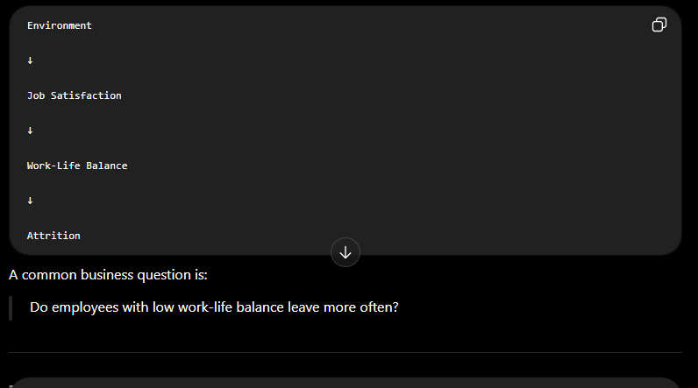
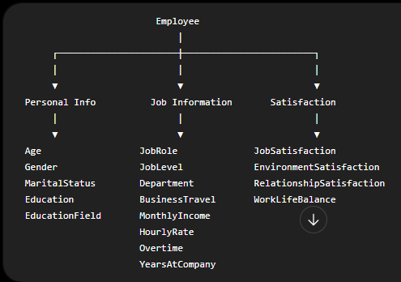
About Dataset
Uncover the factors that lead to employee attrition and explore important questions such as ‘show me a breakdown of distance from home by job role and attrition’ or ‘compare average monthly income by education and attrition’. This is a fictional data set created by IBM data scientists.
Education | Many beginners confuse:
1 'Below College'
2 'College' | MonthlyIncome
3 'Bachelor'
4 'Master' | with
5 'Doctor'
EnvironmentSatisfaction | MonthlyRate
1 'Low'
2 'Medium' | They are NOT the same.
3 'High'
4 'Very High' | MonthlyIncome

JobInvolvement
1 'Low' | #NAME?
2 'Medium'
3 'High' | MonthlyRate
4 'Very High'
JobSatisfaction | = payroll/internal monthly rate | လုပ်ခလစာ/ပြည်တွင်းလစဉ်နှုန်းထား
1 'Low'
2 'Medium'
3 'High'
4 'Very High'
PerformanceRating
1 'Low'
2 'Good'
3 'Excellent'
4 'Outstanding'
RelationshipSatisfaction
1 'Low'
2 'Medium'
3 'High'

4 'Very High'
WorkLifeBalance
1 'Bad'
2 'Good'
3 'Better'
4 'Best'

PercentSalaryHike
Salary increase percentage

Do employees with low work-life balance leave more often?

