starData
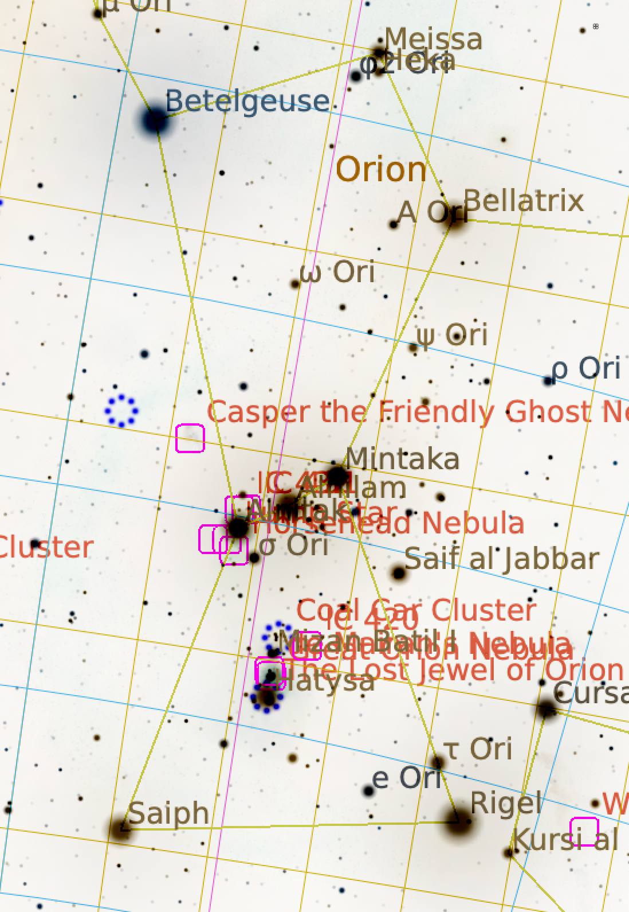
MyStarData
13 | -23
21.25 | -15.75
-5 | -13.5
-19 | -23.5
-8 | -4
-3.25 | -2.75
1.25 | -0.75
7.25 | -7.25
-21 | 28.75
-16 | 22
12.25 | 15.75
46.5 | 11.55
5.25 | 25
5.5 | 26.5
X | Y | R | Names | RA | DEC | Mag | Az_Deg | Alt_Deg | RA Deg | RA_rel | Dec_rel
13 | -23 | 5 | Rigel (Algebar) | 5:14:34 | -8.2008 | 0.15 | 217.6608 | 31.8694 | 78.6404 | 4.4047 | -9.4282
21.25 | -15.75 | 5 | Cursa | 5:07:52 | -5.0860 | 0.15 | 221.1511 | 33.8358 | 76.9679 | 6.0772 | -6.3134
-5 | -13.5 | 5 | Lost Jewel cluster | 5:36:35 | -5.9141 | 2.50 | 213.2096 | 36.1611 | 84.1467 | (1.1016) | -7.1415
-19 | -23.5 | 5 | Saiph | 5:47:47 | -9.6686 | 2.05 | 208.0176 | 33.8411 | 86.9458 | (3.9007) | -10.8960
-8 | -4 | 5 | Alnitak | 5:40:48 | -1.9418 | 1.85 | 213.7133 | 40.3335 | 85.2000 | (2.1549) | -3.1691
-3.25 | -2.75 | 5 | Alnilam | 5:36:14 | -1.2012 | 1.65 | 215.4757 | 40.5314 | 84.0592 | (1.0141) | -2.4285
1.25 | -0.75 | 5 | Mintaka | 5:32:02 | -0.2983 | 2.40 | 217.2438 | 40.8846 | 83.0075 | 0.0376 | -1.5257
7.25 | -7.25 | 5 | Saif al Jabbar | 5:32:02 | -0.2983 | 3.35 | 218.1928 | 38.1635 | 83.0075 | 0.0376 | -1.5257
-21 | 28.75 | 5 | u Ori | 6:02:24 | 9.6475 | 4.30 | 213.4546 | 53.1114 | 90.6017 | (7.5566) | 8.4201
-16 | 22 | 5 | Betelgeuse | 5:55:12 | 7.4077 | 0.45 | 214.5661 | 50.3328 | 88.7988 | (5.7536) | 6.1803
12.25 | 15.75 | 5 | Bellatrix | 5:25:09 | 6.3503 | 1.60 | 223.7033 | 45.9022 | 81.2883 | 1.7568 | 5.1229
46.5 | 11.55 | 5 | Tabit | 4:49:52 | 6.9621 | 1.60 | 234.2306 | 41.5006 | 72.4667 | 10.5784 | 5.7347
5.25 | 25 | 5 | Heka | 5:34:51 | 9.4901 | 4.35 | 223.0208 | 49.8269 | 83.7108 | (0.6657) | 8.2627
5.5 | 26.5 | 5 | Meissa | 5:35:10 | 9.9347 | 3.50 | 223.2700 | 50.2492 | 83.7902 | (0.7451) | 8.7073

Az/Alt Plot

Ra/Dec

