Sheet3
 | Freq (MHz) | WL(m) | WL(mm)
 | 1.42E+03 | 2.11E+05 | 2.11E+08

 | Len(mm) | Len(in) | X |  | Spacing | Len |  | x1 | y1 | z1 | x2 | y2 | z2
-1 | 88.9 | 3 8/16 | -51 |  |  | 0.00 |  | -51 | -44 | 100 | -51 | 44 | 100 | #14
0 | 98 | 3 14/16 | 0 | 51 | 0.00 | 0.00 |  | 0 | -49 | 100 | 0 | 49 | 100 | #14
1 | 83.8 | 3 5/16 | 41 | 41 | 0.00 | 0.00 |  | 41 | -42 | 100 | 41 | 42 | 100 | #14
2 | 83.8 | 3 5/16 | 67 | 26 | 0.00 | 0.00 |  | 67 | -42 | 100 | 67 | 42 | 100 | #14
3 | 86.4 | 3 6/16 | 133 | 66 | 0.00 | 0.00 |  | 133 | -43 | 100 | 133 | 43 | 100 | #14
4 | 86.4 | 3 6/16 | 207 | 74 | 0.00 | 0.00 |  | 207 | -43 | 100 | 207 | 43 | 100 | #14
5 | 83.8 | 3 5/16 | 301 | 94 | 0.00 | 0.00 |  | 301 | -42 | 100 | 301 | 42 | 100 | #14
6 | 81.3 | 3 3/16 | 390 | 89 | 0.00 | 0.00 |  | 390 | -41 | 100 | 390 | 41 | 100 | #14
7 | 81.3 | 3 3/16 | 484 | 94 | 0.00 | 0.00 |  | 484 | -41 | 100 | 484 | 41 | 100 | #14
8 | 81.3 | 3 3/16 | 575 | 91 | 0.00 | 0.00 |  | 575 | -41 | 100 | 575 | 41 | 100 | #14
9 | 81.3 | 3 3/16 | 667 | 92 | 0.00 | 0.00 |  | 667 | -41 | 100 | 667 | 41 | 100 | #14

 |  | 3 14/16 | 1
 |  | 3 8/16 | 1
 |  | 3 6/16 | 2
 |  | 3 5/16 | 3
 |  | 3 3/16 | 4

 |  |  | X | Y | Z | X | Y | Z | DIA |  | Length | Len(mm) | Len(in) | MHz | WL(m) | WL(in)
GW | 1 | 32 | 0 | -1.524 | 2.54 | 0 | 1.524 | 2.54 | 0.00889 |  | 1.75 | 44.45 | 1 12/16 | 1296 | 2.31E-01 | 9.11E+00 | 1.92E-01
GW | 2 | 29 | 0.5279291 | -1.4224 | 2.8448 | 0.5279291 | 1.4224 | 2.8448 | 0.00889 |  | 2.6 | 66.04 | 2 10/16 | 902 | 3.33E-01 | 1.31E+01 | 1.99E-01
GW | 3 | 27 | 1.165843 | -1.3462 | 3.2131 | 1.165843 | 1.3462 | 3.2131 | 0.00889 |  | 6.25 | 158.75 | 6 4/16 | 432 | 6.94E-01 | 2.73E+01 | 2.29E-01
GW | 4 | 11 | 0.4509394 | -0.517525 | 2.80035 | 0.4509394 | 0.517525 | 2.80035 | 0.0047625 |  | 1.62 | 41.148 | 1 10/16 | 1420 |  |  | 1.95E-01
GW | 5 | 9 | 0.6324151 | -0.4699 | 2.905125 | 0.6324151 | 0.4699 | 2.905125 | 0.0047625 |  | 3.74 | 94.996 | 3 12/16 | 2.11E-01
GW | 6 | 9 | 0.9073781 | -0.4445 | 3.063875 | 0.9073781 | 0.4445 | 3.063875 | 0.0047625 |  | 2.12 | 53.848 | 2 2/16 | 2.11E+02
GW | 7 | 8 | 1.319823 | -0.40005 | 3.302 | 1.319823 | 0.40005 | 3.302 | 0.0047625 |  |  |  |  | 8.32 | 0 5/16
 |  |  |  |  |  |  |  |  |  |  |  |  |  | 8 5/16

 |  |  |  |  |  |  |  |  | 1.88E+03

 | Yagi design at Antenna Theory
 |  |  |  |  |  |  |  |  | 1420
 |  | Boom Length of Yagi-Uda Array (in lambda) |  |  |  |  |  |  | 2.11E-01 | m
 |  |  |  |  |  |  |  |  | 2.11E+02 | mm
 |  |  |  |  |  |  |  |  | 8.32 | in
SR=0.2 |  |  |  |  |  |  |  |  | 8 5/16 | in
 |  | 0.4 | 0.8 | 1.2 | 2.2 | 3.2 | 4.2 |  | 34.93 | in
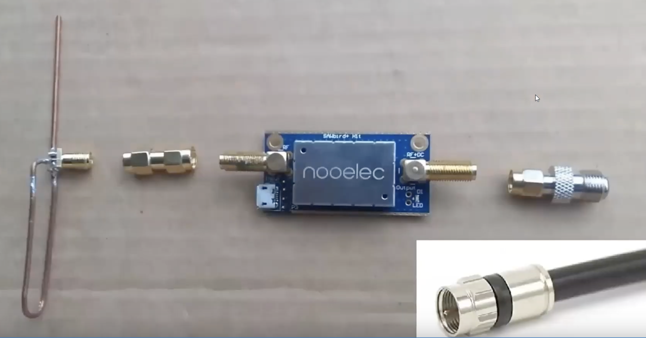
 | R | 0.482 | 0.482 | 0.482 | 0.482 | 0.482 | 0.475 |  | 3.95 | 3 15/16 | 34.30 | 34 5/16
 | D1 | 0.442 | 0.428 | 0.428 | 0.432 | 0.428 | 0.424 |  | 3.53 | 3 8/16 | 31.74 | 31 12/16
 | D2 |  | 0.424 | 0.42 | 0.415 | 0.42 | 0.424 |  | 3.53 | 3 8/16 | 29.18 | 29 3/16
 | D3 |  | 0.428 | 0.42 | 0.407 | 0.407 | 0.42 |  | 3.49 | 3 8/16 | 26.62 | 26 10/16
 | D4 |  |  | 0.428 | 0.398 | 0.398 | 0.407 |  | 3.39 | 3 6/16 | 24.06 | 24 1/16
 | D5 |  |  |  | 0.39 | 0.394 | 0.403 |  | 3.35 | 3 6/16 | 21.49 | 21 8/16
 | D6 |  |  |  | 0.39 | 0.39 | 0.398 |  | 3.31 | 3 5/16 | 18.93 | 18 15/16
 | D7 |  |  |  | 0.39 | 0.386 | 0.394 |  | 3.28 | 3 4/16 | 16.37 | 16 6/16
 | D8 |  |  |  | 0.39 | 0.386 | 0.39 |  | 3.24 | 3 4/16 | 13.81 | 13 13/16
 | D9 |  |  |  | 0.398 | 0.386 | 0.39 |  | 3.24 | 3 4/16 | 11.25 | 11 4/16
 | D10 |  |  |  | 0.407 | 0.386 | 0.39 |  | 3.24 | 3 4/16 | 8.69 | 8 11/16
 | D11 |  |  |  |  | 0.386 | 0.39 |  | 3.24 | 3 4/16 | 6.12 | 6 2/16
 | D12 |  |  |  |  | 0.386 | 0.39 |  | 3.24 | 3 4/16 | 3.56 | 3 9/16
 | D13 |  |  |  |  | 0.386 | 0.39 |  | 3.24 | 3 4/16 | 1 | 1 0/16
 | D14 |  |  |  |  | 0.386 |  |  | - | 0 0/16
 | D15 |  |  |  |  | 0.386 |  |  | - | 0 0/16
 | Spacing between directors, (SD/) | 0.2 | 0.2 | 0.25 | 0.2 | 0.2 | 0.308 |  | 2.56 | 2 9/16
 | Gain (dB) | 9.25 | 11.35 | 12.35 | 14.4 | 15.55 | 16.35 |  | 135.99 | 135 16/16
 |  | 0 | 0.004 | 0.008 | 0.025 | 0.034 | 0.034
 | diameter=0.0085 x Lambda

