ModelOutput
Comparison of Undiscounted Lifetime Costs
Human operated vehicle lifetime cost share
Human operated vehicle purchase cost | € 74,000.00
Cumulative annual vehicle operation cost | € 74,876.63
Human operated vehicle end of life cost | € 1,800.00
Calculated inputs |  |  |  | Cashflows
Human operated vehicle |  |  |  | Year | Flow
Human operated vehicle daily missions | 5 | missions/day |  | 0 | -€ 41,000.00
Human operated vehicle daily distance | 10 | km/day |  | 1 | 7386.334
Human operated vehicle daily driving time | 0.83 | hours/day |  | 2 | 7386.334
Number of human operated vehicles required | 1 | vehicles |  | 3 | 7386.334
Human operated vehicle purchase cost | € 74,000.00 | EUR |  | 4 | 7386.334
Human operated vehicle energy cost | € 246.66 | EUR/year |  | 5 | 7386.334
Human operated vehicle operator cost | € 9,010.00 | EUR/year |  | 6 | 7386.334
Human operated vehicle annual operating cost | € 9,256.66 | EUR/year |  | 7 | 5186.334
Human operated vehicle annual maintenance cost | € 1,440.00 | EUR/year |  | 8 | 0
Human operated vehicle annual cost | € 10,696.66 | EUR/year |  | 9 | 0
Cumulative annual vehicle operation cost | € 74,876.63 | EUR |  | 10 | 0
Human operated vehicle end of life cost | € 1,800.00 | EUR |  | 11 | 0
Project Cash Flow
Autonomous ground vehicle lifetime cost share
Autonomous ground vehicle purchase cost | € 115,000.00
Cumulative annual autonomous vehicle operation cost | € 23,172.30
Autonomous ground vehicle end of life cost | € 4,000.00
 |  |  |  | 12 | 0
Autonomous ground vehicle |  |  |  | 13 | 0
Autonomous ground vehicle daily missions | 10 | missions/day |  | 14 | 0
Autonomous ground vehicle daily distance | 20 | km/day |  | 15 | 0
Autonomous ground vehicle daily driving time | 5.00 | hours/day |  | 16 | 0
Number of autonomous ground vehicles required | 1 | vehicles |  | 17 | 0
Autonomous ground vehicle purchase cost | € 115,000.00 | EUR |  | 18 | 0
Autonomous ground vehicle energy cost | € 136.53 | EUR/year |  | 19 | 0
Autonomous ground vehicle data cost | € 593.60 | EUR/year |  | 20 | 0
Autonomous ground vehicle cost per disengagement | € 4.25 | EUR/disengagement |  | 21 | 0
Autonomous ground vehicle disengagement | € 180.20 | EUR/year |  | 22 | 0
Autonomous ground vehicle annual operating cost | € 910.33 | EUR/year |  | 23 | 0
Autonomous ground vehicle annual maintenance cost | € 2,400.00 | EUR/year |  | 24 | 0
Autonomous ground vehicle annual cost | € 3,310.33 | EUR/year |  | 25 | 0
Cumulative annual autonomous vehicle operation cost | € 23,172.30 | EUR |  | 26 | 0
Autonomous ground vehicle end of life cost | € 4,000.00 | EUR |  | 27 | 0
 |  |  |  | 28 | 0
Investment cost of switching to AGVs | -€ 41,000.00 |  |  | 29 | 0
Annual savings from switching to AGVs | € 7,386.33 |  |  | 30 | 0
End of life cost of switching to AGVs | -€ 2,200.00

Undiscounted lifetime costs
Human operated vehice undiscounted lifetime cost | € 150,676.63 | EUR | Vehicle
Autonomous ground vehicle undiscounted lifetime cost | € 142,172.30 | EUR | AGV

Net present value
Investement in AGV yields a net present value of | $168.18 | EUR

Amortization period
Investement in AGV will pay back after | 6.66 | years

ModelInputSensitivity
Average Speed vs Robot Model Parameters
Disengagements Time vs Robot Model Parameters
Technology readiness | Company Acceptance | Mission Similarity | Misson Determinism | Average Speed (km/hr) | Time Per Disengagement (min) | Disengagements Per Km (1/km) | Technology Level
1 | 0.7 | 0.8 | 0.6 | 0.30 | 123.31 | 4.14 | 0.1
2 | 0.7 | 0.8 | 0.6 | 0.51 | 62.53 | 1.40 | 0.2
3 | 0.7 | 0.8 | 0.6 | 0.85 | 31.71 | 0.47 | 0.3
4 | 0.7 | 0.8 | 0.6 | 1.43 | 16.08 | 0.16 | 0.4
5 | 0.7 | 0.8 | 0.6 | 2.40 | 8.16 | 0.05 | 0.5
6 | 0.7 | 0.8 | 0.6 | 4.03 | 4.14 | 0.02 | 0.6
7 | 0.7 | 0.8 | 0.6 | 6.75 | 2.10 | 0.01 | 0.7
8 | 0.7 | 0.8 | 0.6 | 11.33 | 1.06 | 0.00 | 0.8
9 | 0.7 | 0.8 | 0.6 | 18.99 | 0.54 | 0.00 | 0.9
Technology readiness | Company Acceptance | Mission Similarity | Misson Determinism | Average Speed (km/hr) | Time Per Disengagement (min) | Disengagements Per Km (1/km)
5 | 0.1 | 0.8 | 0.6 | 2.40 | 8.16 | 0.38
5 | 0.2 | 0.8 | 0.6 | 2.40 | 8.16 | 0.19
5 | 0.3 | 0.8 | 0.6 | 2.40 | 8.16 | 0.13
5 | 0.4 | 0.8 | 0.6 | 2.40 | 8.16 | 0.10
5 | 0.5 | 0.8 | 0.6 | 2.40 | 8.16 | 0.08
5 | 0.6 | 0.8 | 0.6 | 2.40 | 8.16 | 0.06
5 | 0.7 | 0.8 | 0.6 | 2.40 | 8.16 | 0.05
5 | 0.8 | 0.8 | 0.6 | 2.40 | 8.16 | 0.05
5 | 0.9 | 0.8 | 0.6 | 2.40 | 8.16 | 0.04
5 | 1 | 0.8 | 0.6 | 2.40 | 8.16 | 0.04
Disengagements per km vs Robot Model Parameters
Technology readiness | Company Acceptance | Mission Similarity | Misson Determinism | Average Speed (km/hr) | Time Per Disengagement (min) | Disengagements Per Km (1/km)
5 | 0.7 | 0.1 | 0.6 | 0.30 | 8.16 | 0.05
5 | 0.7 | 0.2 | 0.6 | 0.60 | 8.16 | 0.05
5 | 0.7 | 0.3 | 0.6 | 0.90 | 8.16 | 0.05 |  | Baseline values |  | (from model input assumptions)
5 | 0.7 | 0.4 | 0.6 | 1.20 | 8.16 | 0.05 |  | param level | Ave Speed | Time per Dis | Dis per km
5 | 0.7 | 0.5 | 0.6 | 1.50 | 8.16 | 0.05 |  | 0.1 | 3 | 5 | 0.01
5 | 0.7 | 0.6 | 0.6 | 1.80 | 8.16 | 0.05 |  | 0.2 | 3 | 5 | 0.01
5 | 0.7 | 0.7 | 0.6 | 2.10 | 8.16 | 0.05 |  | 0.3 | 3 | 5 | 0.01
5 | 0.7 | 0.8 | 0.6 | 2.40 | 8.16 | 0.05 |  | 0.4 | 3 | 5 | 0.01
5 | 0.7 | 0.9 | 0.6 | 2.70 | 8.16 | 0.05 |  | 0.5 | 3 | 5 | 0.01
5 | 0.7 | 1 | 0.6 | 3.00 | 8.16 | 0.05 |  | 0.6 | 3 | 5 | 0.01
Technology readiness | Company Acceptance | Mission Similarity | Misson Determinism | Average Speed (km/hr) | Time Per Disengagement (min) | Disengagements Per Km (1/km) |  | 0.7 | 3 | 5 | 0.01
5 | 0.7 | 0.8 | 0.1 | 0.40 | 8.16 | 0.33 |  | 0.8 | 3 | 5 | 0.01
5 | 0.7 | 0.8 | 0.2 | 0.80 | 8.16 | 0.16 |  | 0.9 | 3 | 5 | 0.01
5 | 0.7 | 0.8 | 0.3 | 1.20 | 8.16 | 0.11 |  | 1 | 3 | 5 | 0.01
5 | 0.7 | 0.8 | 0.4 | 1.60 | 8.16 | 0.08
5 | 0.7 | 0.8 | 0.5 | 2.00 | 8.16 | 0.07
5 | 0.7 | 0.8 | 0.6 | 2.40 | 8.16 | 0.05
5 | 0.7 | 0.8 | 0.7 | 2.80 | 8.16 | 0.05
5 | 0.7 | 0.8 | 0.8 | 3.20 | 8.16 | 0.04
5 | 0.7 | 0.8 | 0.9 | 3.60 | 8.16 | 0.04
5 | 0.7 | 0.8 | 1 | 4.00 | 8.16 | 0.03

ModelOutputSensitivity
Senstivity to Mission Input Assumptions
Hand calculated based on Inp_Custom inputs
Baselines
Technology Readiness | 8 | Unitless
Company Acceptance | 70% | Percent
Mission Similarity | 80% | Percent
Mission Determinism | 60% | Percent

Technology Readiness | Net Present Value | TR by 10
1 | -30,660,379.27 CHF | 0.1
2 | -3,608,424.07 CHF | 0.2
3 | -297,607.69 CHF | 0.3
4 | -50,137.73 CHF | 0.4
5 | -7,646.86 CHF | 0.5
6 | -351.13 CHF | 0.6
7 | 901.56 CHF | 0.7
8 | 1,116.64 CHF | 0.8
9 | 1,153.58 CHF | 0.9

Company acceptance
0.1 | 849.13 CHF
0.2 | 1,005.18 CHF
0.3 | 1,057.20 CHF
0.4 | 1,083.20 CHF
0.5 | 1,098.81 CHF
0.6 | 1,109.21 CHF
0.7 | 1,116.64 CHF
0.8 | 1,122.22 CHF
0.9 | 1,126.55 CHF
1 | 1,130.02 CHF

Mission Similarity | NOTE: To test this sensitivity, we need to change the Units the AGV can carry to 5 in the Inp_custom, as well as change the mission similarity, otherwise the average speed does not have a large enough input
0.1 | -130,002.66 CHF | 2 vehicles are suddenly needed
0.2 | 319.68 CHF
0.3 | 319.68 CHF
0.4 | 319.68 CHF
0.5 | 319.68 CHF
0.6 | 319.68 CHF
0.7 | 319.68 CHF
0.8 | 319.68 CHF
0.9 | 319.68 CHF
1 | 319.68 CHF

Mission Determinism
0.1 | 893.71 CHF
0.2 | 1,027.47 CHF
0.3 | 1,072.06 CHF
0.4 | 1,094.35 CHF
0.5 | 1,107.73 CHF
0.6 | 1,116.64 CHF
0.7 | 1,123.01 CHF
0.8 | 1,127.79 CHF
0.9 | 1,131.51 CHF
1 | 1,134.48 CHF

AssumptionSensitivity
An easy and clear analysis of the sensitivity of net present value of the AGV replacement project is possible
based on the algorithms here: https://github.com/erikwilhelm/AGVeval/tree/main/Python
Note: This is completely possible using the excel tool as well, it is just a manual process (see example below for AGV cost, and in the sheet 'Model Output Sensitivity')

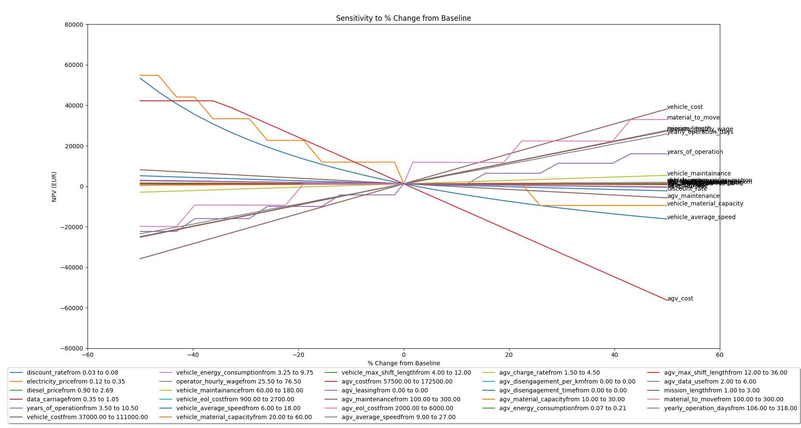

AGV Cost
57500
157500
257500
357500
457500
557500
657500
757500
857500
957500
1057500
1157500
1257500
1357500
1457500
1557500
1657500
1757500

TechMaturity
Disengagement per km
Max Speed
TRL | NASA usage | European Union | Number of Vehicles Deployed | Number of Hours Operated | Approx. Company Size | Years of Experience | km between disengagement | disengagement per km | min per disengagement | max_speed
1 | Basic principles observed and reported | Basic principles observed | 0 | 0 | 2 | 3 | 0.5 | 2.0 | 120 | 1
2 | Technology concept and/or application formulated | Technology concept formulated | 0 | 0 | 5 | 7 | 1 | 1.0 | 60 | 2
3 | Analytical and experimental critical function and/or characteristic proof-of concept | Experimental proof of concept | 0 | 0 | 15 | 12 | 4 | 0.3 | 30 | 4
4 | Component and/or breadboard validation in laboratory environment | Technology validated in lab | 0 | 0 | 35 | 18 | 10 | 0.1 | 15 | 8
5 | Component and/or breadboard validation in relevant environment | Technology validated in relevant environment (industrially relevant environment in the case of key enabling technologies) | 1 | 12243 | 150 | 30 | 150 | 0.0067 | 10 | 10
6 | System/subsystem model or prototype demonstration in a relevant environment (ground or space) | Technology demonstrated in relevant environment (industrially relevant environment in the case of key enabling technologies) | 1 | 12243 | 300 | 35 | 300 | 0.0033 | 5 | 16
Minutes per Disengagement
7 | System prototype demonstration in a space environment | System prototype demonstration in operational environment | 10 | 122430 | 900 | 40 | 600 | 0.0017 | 2 | 32
8 | Actual system completed and "flight qualified" through test and demonstration (ground or space) | System complete and qualified | 100 | 1224300 | 1500 | 45 | 900 | 0.0011 | 1 | 48
9 | Actual system "flight proven" through successful mission operations | Actual system proven in operational environment (competitive manufacturing in the case of key enabling technologies; or in space) | 1000 | 12243000 | 3000+ | 50 | 1200 | 0.0008 | 0.5 | 64

Source: | https://en.wikipedia.org/wiki/Technology_readiness_level
Notes: | The basic maturity assumptions on the master branch in this section are used in the code cases.

