ModelOutput
Comparison of Undiscounted Lifetime Costs
Human operated vehicle lifetime cost share
Human operated vehicle purchase cost | € 74,000.00
Cumulative annual vehicle operation cost | € 74,876.63
Human operated vehicle end of life cost | € 1,800.00
Calculated inputs |  |  |  | Cashflows
Human operated vehicle |  |  |  | Year | Flow
Human operated vehicle daily missions | 5 | missions/day |  | 0 | -€ 41,000.00
Human operated vehicle daily distance | 10 | km/day |  | 1 | 7292.1001817
Human operated vehicle daily driving time | 0.83 | hours/day |  | 2 | 7292.1001817
Number of human operated vehicles required | 1 | vehicles |  | 3 | 7292.1001817
Human operated vehicle purchase cost | € 74,000.00 | EUR |  | 4 | 7292.1001817
Human operated vehicle energy cost | € 246.66 | EUR/year |  | 5 | 7292.1001817
Human operated vehicle operator cost | € 9,010.00 | EUR/year |  | 6 | 7292.1001817
Human operated vehicle annual operating cost | € 9,256.66 | EUR/year |  | 7 | 5092.1001817
Human operated vehicle annual maintenance cost | € 1,440.00 | EUR/year |  | 8 | 0
Human operated vehicle annual cost | € 10,696.66 | EUR/year |  | 9 | 0
Cumulative annual vehicle operation cost | € 74,876.63 | EUR |  | 10 | 0
Human operated vehicle end of life cost | € 1,800.00 | EUR |  | 11 | 0
Project Cash Flow
Autonomous ground vehicle lifetime cost share
Autonomous ground vehicle purchase cost | € 115,000.00
Cumulative annual autonomous vehicle operation cost | € 23,831.93
Autonomous ground vehicle end of life cost | € 4,000.00
 |  |  |  | 12 | 0
Autonomous ground vehicle |  |  |  | 13 | 0
Autonomous ground vehicle daily missions | 10 | missions/day |  | 14 | 0
Autonomous ground vehicle daily distance | 20 | km/day |  | 15 | 0
Autonomous ground vehicle daily driving time | 4.97 | hours/day |  | 16 | 0
Number of autonomous ground vehicles required | 1 | vehicles |  | 17 | 0
Autonomous ground vehicle purchase cost | € 115,000.00 | EUR |  | 18 | 0
Autonomous ground vehicle energy cost | € 136.53 | EUR/year |  | 19 | 0
Autonomous ground vehicle data cost | € 593.60 | EUR/year |  | 20 | 0
Autonomous ground vehicle cost per disengagement | € 3.52 | EUR/disengagement |  | 21 | 0
Autonomous ground vehicle disengagement | € 274.43 | EUR/year |  | 22 | 0
Autonomous ground vehicle annual operating cost | € 1,004.56 | EUR/year |  | 23 | 0
Autonomous ground vehicle annual maintenance cost | € 2,400.00 | EUR/year |  | 24 | 0
Autonomous ground vehicle annual cost | € 3,404.56 | EUR/year |  | 25 | 0
Cumulative annual autonomous vehicle operation cost | € 23,831.93 | EUR |  | 26 | 0
Autonomous ground vehicle end of life cost | € 4,000.00 | EUR |  | 27 | 0
 |  |  |  | 28 | 0
Investment cost of switching to AGVs | -€ 41,000.00 |  |  | 29 | 0
Annual savings from switching to AGVs | € 7,292.10 |  |  | 30 | 0
End of life cost of switching to AGVs | -€ 2,200.00

Undiscounted lifetime costs
Human operated vehice undiscounted lifetime cost | € 150,676.63 | EUR | Vehicle
Autonomous ground vehicle undiscounted lifetime cost | € 142,831.93 | EUR | AGV

Net present value
Investement in AGV yields a net present value of | -$351.13 | EUR

Amortization period
Investement in AGV will pay back after | 6.77 | years

ModelInputSensitivity
Average Speed vs Robot Model Parameters
Disengagements Time vs Robot Model Parameters
Technology readiness | Company Acceptance | Mission Similarity | Misson Determinism | Average Speed (km/hr) | Time Per Disengagement (min) | Disengagements Per Km (1/km) | Technology Level
1 | 0.7 | 0.8 | 0.6 | 0.30 | 123.31 | 4.14 | 0.1
2 | 0.7 | 0.8 | 0.6 | 0.51 | 62.53 | 1.40 | 0.2
3 | 0.7 | 0.8 | 0.6 | 0.85 | 31.71 | 0.47 | 0.3
4 | 0.7 | 0.8 | 0.6 | 1.43 | 16.08 | 0.16 | 0.4
5 | 0.7 | 0.8 | 0.6 | 2.40 | 8.16 | 0.05 | 0.5
6 | 0.7 | 0.8 | 0.6 | 4.03 | 4.14 | 0.02 | 0.6
7 | 0.7 | 0.8 | 0.6 | 6.75 | 2.10 | 0.01 | 0.7
8 | 0.7 | 0.8 | 0.6 | 11.33 | 1.06 | 0.00 | 0.8
9 | 0.7 | 0.8 | 0.6 | 18.99 | 0.54 | 0.00 | 0.9
Technology readiness | Company Acceptance | Mission Similarity | Misson Determinism | Average Speed (km/hr) | Time Per Disengagement (min) | Disengagements Per Km (1/km)
5 | 0.1 | 0.8 | 0.6 | 2.40 | 8.16 | 0.38
5 | 0.2 | 0.8 | 0.6 | 2.40 | 8.16 | 0.19
5 | 0.3 | 0.8 | 0.6 | 2.40 | 8.16 | 0.13
5 | 0.4 | 0.8 | 0.6 | 2.40 | 8.16 | 0.10
5 | 0.5 | 0.8 | 0.6 | 2.40 | 8.16 | 0.08
5 | 0.6 | 0.8 | 0.6 | 2.40 | 8.16 | 0.06
5 | 0.7 | 0.8 | 0.6 | 2.40 | 8.16 | 0.05
5 | 0.8 | 0.8 | 0.6 | 2.40 | 8.16 | 0.05
5 | 0.9 | 0.8 | 0.6 | 2.40 | 8.16 | 0.04
5 | 1 | 0.8 | 0.6 | 2.40 | 8.16 | 0.04
Disengagements per km vs Robot Model Parameters
Technology readiness | Company Acceptance | Mission Similarity | Misson Determinism | Average Speed (km/hr) | Time Per Disengagement (min) | Disengagements Per Km (1/km)
5 | 0.7 | 0.1 | 0.6 | 0.30 | 8.16 | 0.05
5 | 0.7 | 0.2 | 0.6 | 0.60 | 8.16 | 0.05
5 | 0.7 | 0.3 | 0.6 | 0.90 | 8.16 | 0.05 |  | Baseline values |  | (from model input assumptions)
5 | 0.7 | 0.4 | 0.6 | 1.20 | 8.16 | 0.05 |  | param level | Ave Speed | Time per Dis | Dis per km
5 | 0.7 | 0.5 | 0.6 | 1.50 | 8.16 | 0.05 |  | 0.1 | 3 | 5 | 0.01
5 | 0.7 | 0.6 | 0.6 | 1.80 | 8.16 | 0.05 |  | 0.2 | 3 | 5 | 0.01
5 | 0.7 | 0.7 | 0.6 | 2.10 | 8.16 | 0.05 |  | 0.3 | 3 | 5 | 0.01
5 | 0.7 | 0.8 | 0.6 | 2.40 | 8.16 | 0.05 |  | 0.4 | 3 | 5 | 0.01
5 | 0.7 | 0.9 | 0.6 | 2.70 | 8.16 | 0.05 |  | 0.5 | 3 | 5 | 0.01
5 | 0.7 | 1 | 0.6 | 3.00 | 8.16 | 0.05 |  | 0.6 | 3 | 5 | 0.01
Technology readiness | Company Acceptance | Mission Similarity | Misson Determinism | Average Speed (km/hr) | Time Per Disengagement (min) | Disengagements Per Km (1/km) |  | 0.7 | 3 | 5 | 0.01
5 | 0.7 | 0.8 | 0.1 | 0.40 | 8.16 | 0.33 |  | 0.8 | 3 | 5 | 0.01
5 | 0.7 | 0.8 | 0.2 | 0.80 | 8.16 | 0.16 |  | 0.9 | 3 | 5 | 0.01
5 | 0.7 | 0.8 | 0.3 | 1.20 | 8.16 | 0.11 |  | 1 | 3 | 5 | 0.01
5 | 0.7 | 0.8 | 0.4 | 1.60 | 8.16 | 0.08
5 | 0.7 | 0.8 | 0.5 | 2.00 | 8.16 | 0.07
5 | 0.7 | 0.8 | 0.6 | 2.40 | 8.16 | 0.05
5 | 0.7 | 0.8 | 0.7 | 2.80 | 8.16 | 0.05
5 | 0.7 | 0.8 | 0.8 | 3.20 | 8.16 | 0.04
5 | 0.7 | 0.8 | 0.9 | 3.60 | 8.16 | 0.04
5 | 0.7 | 0.8 | 1 | 4.00 | 8.16 | 0.03

ModelOutputSensitivity
Senstivity to Mission Input Assumptions
Hand calculated based on Inp_Custom inputs
Baselines
Technology Readiness | 8 | Unitless
Company Acceptance | 70% | Percent
Mission Similarity | 80% | Percent
Mission Determinism | 60% | Percent

Technology Readiness | Net Present Value | TR by 10
1 | -30,660,379.27 CHF | 0.1
2 | -3,608,424.07 CHF | 0.2
3 | -297,607.69 CHF | 0.3
4 | -50,137.73 CHF | 0.4
5 | -7,646.86 CHF | 0.5
6 | -351.13 CHF | 0.6
7 | 901.56 CHF | 0.7
8 | 1,116.64 CHF | 0.8
9 | 1,153.58 CHF | 0.9

Company acceptance
0.1 | 849.13 CHF
0.2 | 1,005.18 CHF
0.3 | 1,057.20 CHF
0.4 | 1,083.20 CHF
0.5 | 1,098.81 CHF
0.6 | 1,109.21 CHF
0.7 | 1,116.64 CHF
0.8 | 1,122.22 CHF
0.9 | 1,126.55 CHF
1 | 1,130.02 CHF

Mission Similarity | NOTE: To test this sensitivity, we need to change the Units the AGV can carry to 5 in the Inp_custom, as well as change the mission similarity, otherwise the average speed does not have a large enough input
0.1 | -130,002.66 CHF | 2 vehicles are suddenly needed
0.2 | 319.68 CHF
0.3 | 319.68 CHF
0.4 | 319.68 CHF
0.5 | 319.68 CHF
0.6 | 319.68 CHF
0.7 | 319.68 CHF
0.8 | 319.68 CHF
0.9 | 319.68 CHF
1 | 319.68 CHF

Mission Determinism
0.1 | 893.71 CHF
0.2 | 1,027.47 CHF
0.3 | 1,072.06 CHF
0.4 | 1,094.35 CHF
0.5 | 1,107.73 CHF
0.6 | 1,116.64 CHF
0.7 | 1,123.01 CHF
0.8 | 1,127.79 CHF
0.9 | 1,131.51 CHF
1 | 1,134.48 CHF

AssumptionSensitivity
An easy and clear analysis of the sensitivity of net present value of the AGV replacement project is possible
based on the algorithms here: https://github.com/erikwilhelm/AGVeval/tree/main/Python
Note: This is completely possible using the excel tool as well, it is just a manual process (see example below for AGV cost, and in the sheet 'Model Output Sensitivity')

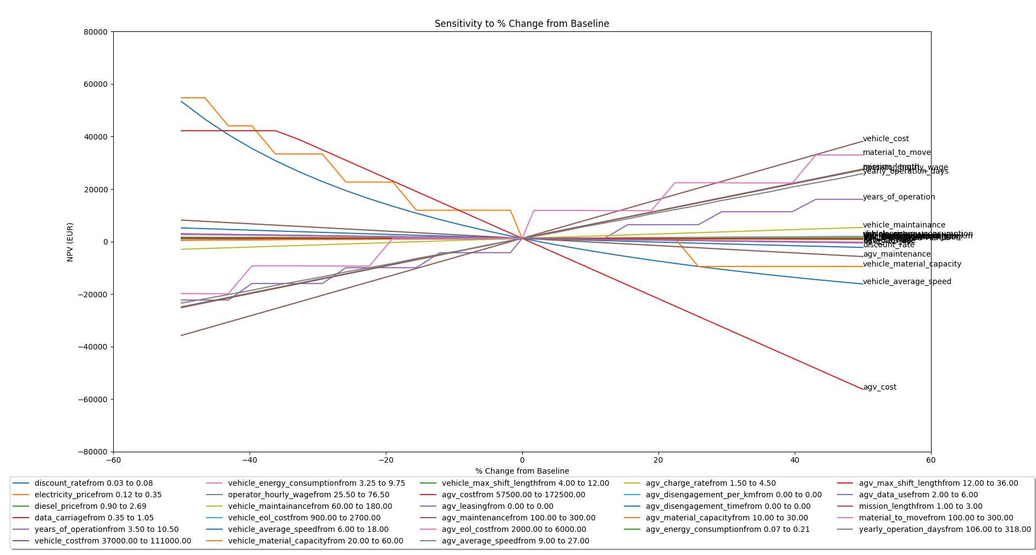

The impact of AGV Cost on Net Present Value
 | Baseline | 115000
AGV Cost | Change from baseline | NPV
57,500.00 CHF | -50% | 54,410.78 CHF
77,500.00 CHF | -33% | 35,363.16 CHF
97,500.00 CHF | -15% | 16,315.54 CHF
117,500.00 CHF | 2% | -2,732.08 CHF
137,500.00 CHF | 20% | -21,779.70 CHF
157,500.00 CHF | 37% | -40,827.32 CHF
177,500.00 CHF | 54% | -59,874.94 CHF

TechMaturity
Disengagement per km
Max Speed
TRL | NASA usage | European Union | Number of Vehicles Deployed | Number of Hours Operated | Approx. Company Size | Years of Experience | km between disengagement | disengagement per km | min per disengagement | max_speed
1 | Basic principles observed and reported | Basic principles observed | 0 | 0 | 2 | 3 | 0.5 | 2.0 | 120 | 1
2 | Technology concept and/or application formulated | Technology concept formulated | 0 | 0 | 5 | 7 | 1 | 1.0 | 60 | 2
3 | Analytical and experimental critical function and/or characteristic proof-of concept | Experimental proof of concept | 0 | 0 | 15 | 12 | 4 | 0.3 | 30 | 4
4 | Component and/or breadboard validation in laboratory environment | Technology validated in lab | 0 | 0 | 35 | 18 | 10 | 0.1 | 15 | 8
5 | Component and/or breadboard validation in relevant environment | Technology validated in relevant environment (industrially relevant environment in the case of key enabling technologies) | 1 | 12243 | 150 | 30 | 150 | 0.0067 | 10 | 10
6 | System/subsystem model or prototype demonstration in a relevant environment (ground or space) | Technology demonstrated in relevant environment (industrially relevant environment in the case of key enabling technologies) | 1 | 12243 | 300 | 35 | 300 | 0.0033 | 5 | 16
Minutes per Disengagement
7 | System prototype demonstration in a space environment | System prototype demonstration in operational environment | 10 | 122430 | 900 | 40 | 600 | 0.0017 | 2 | 32
8 | Actual system completed and "flight qualified" through test and demonstration (ground or space) | System complete and qualified | 100 | 1224300 | 1500 | 45 | 900 | 0.0011 | 1 | 48
9 | Actual system "flight proven" through successful mission operations | Actual system proven in operational environment (competitive manufacturing in the case of key enabling technologies; or in space) | 1000 | 12243000 | 3000+ | 50 | 1200 | 0.0008 | 0.5 | 64

Source: | https://en.wikipedia.org/wiki/Technology_readiness_level
Notes: | The basic maturity assumptions on the master branch in this section are used in the code cases.

