qPCR Plate 1 Results
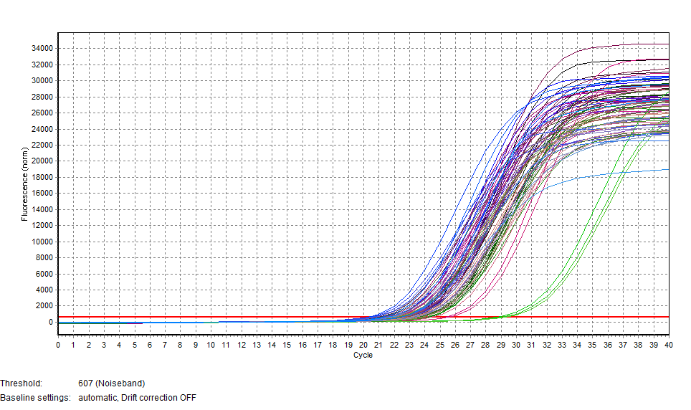
Pos | Name | Ct SYBR | AVG CT | SAMPLE ID | AVG CT
A1 | P001 | 22.87
A2 | P009 | 22.60
A3 | P017 | 22.55
A4 | P025 | 22.43
A5 | P033 | 21.35
A6 | P041 | 25.39
A7 | P049 | 21.91
A8 | P057 | 21.74
A9 | P065 | 22.39
A10 | P073 | 22.86
A11 | P081 | 21.85
A12 | P089 | 21.71
B1 | P001 | 23.86
B2 | P009 | 22.99
B3 | P017 | 22.93
B4 | P025 | 23.12
B5 | P033 | 21.64
B6 | P041 | 25.61
B7 | P049 | 22.41
B8 | P057 | 22.03
B9 | P065 | 22.47
B10 | P073 | 22.97
B11 | P081 | 22.19
B12 | P089 | 22.18
C1 | P002 | 24.11
C2 | P010 | 23.51
C3 | P018 | 21.04
C4 | P026 | 22.50
C5 | P034 | 22.48
C6 | P042 | 24.08
C7 | P050 | 23.27
C8 | P058 | 21.46
C9 | P066 | 20.78
C10 | P074 | 21.98
C11 | P082 | 20.38
C12 | P090 | 20.38
D1 | P002 | 24.34
D2 | P010 | 23.61
D3 | P018 | 21.31
D4 | P026 | 22.84
D5 | P034 | 22.66
D6 | P042 | 24.44
D7 | P050 | 23.28
D8 | P058 | 21.71
D9 | P066 | 20.80
D10 | P074 | 22.37
D11 | P082 | 20.57
D12 | P090 | 21.21
E1 | P003 | 23.82
E2 | P011 | 23.61
E3 | P019 | 22.34
E4 | P027 | 23.42
E5 | P035 | 22.08
E6 | P043 | 22.98
E7 | P051 | 23.76
E8 | P059 | 23.29
E9 | P067 | 21.90
E10 | P075 | 23.36
E11 | P083 | 22.42
E12 | P028 | 22.47
F1 | P003 | 24.20
F2 | P011 | 24.17
F3 | P019 | 22.17
F4 | P027 | 23.87
F5 | P035 | 22.22
F6 | P043 | 23.08
F7 | P051 | 23.84
F8 | P059 | 23.48
F9 | P067 | 21.77
F10 | P075 | 23.04
F11 | P083 | 22.39
F12 | P028 | 21.58
H1 | NEG CON | 28.78
H2 | NEG CON | 29.10
H3 | NEG CON | 29.24

qPCR Plate 3 Results
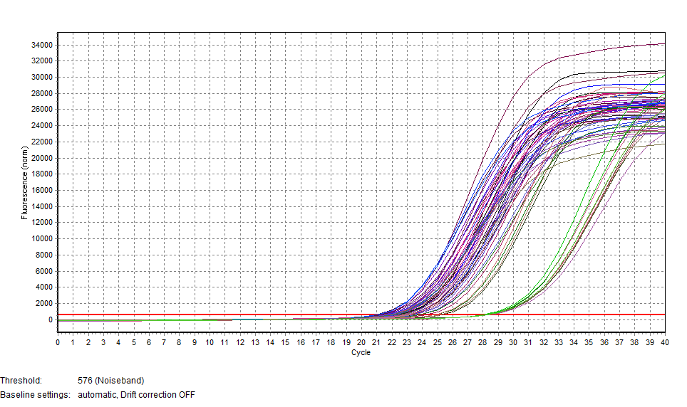
Pos | Name | Ct SYBR |  | AVG CT | SAMPLE ID | AVG CT
A1 | P007 | 22.52
A2 | P015 | 22.93
A3 | P023 | 20.89
A4 | P031 | 21.27
A5 | P039 | 23.78
A6 | P047 | 21.93
A7 | P055 | 21.68
A8 | P063 | 22.11
A9 | P071 | 21.04
A10 | P079 | 22.55
A11 | P087 | 21.27
A12 | P077 | 22.68
B1 | P007 | 23.36
B2 | P015 | 23.28
B3 | P023 | 21.19
B4 | P031 | 21.67
B5 | P039 | 24.20
B6 | P047 | 22.35
B7 | P055 | 21.83
B8 | P063 | 22.63
B9 | P071 | 21.37
B10 | P079 | 22.92
B11 | P087 | 21.42
B12 | P077 | 23.24
C1 | P008 | 22.46
C2 | P016 | 25.29
C3 | P024 | 22.18
C4 | P032 | 22.98
C5 | P040 | 23.12
C6 | P048 | 21.86
C7 | P056 | 22.00
C8 | P064 | 22.54
C9 | P072 | 21.66
C10 | P080 | 23.34
C11 | P088 | 22.02
C12 | P077 | 21.00
D1 | P008 | 28.17 | Likely missed DNA/didn't dispense properly
D2 | P016 | 28.12
D3 | P024 | 28.13
D4 | P032 | 28.12
D5 | P040 | 28.19
D6 | P048 | 28.04
D7 | P056 | 27.96
D8 | P064 | 28.26
D9 | P072 | 21.73
D10 | P080 | 23.65
D11 | P088 | 22.07
D12 | P077 | 21.03
E1 | P007 | 24.79
E2 | P015 | 23.80
E3 | P023 | 21.85
E4 | P031 | 22.69
E5 | P039 | 25.10
E6 | P047 | 24.79
E7 | P055 | 22.94
E8 | P063 | 23.34
H1 | NEG CON | 27.99
H2 | NEG CON | 28.02
H3 | NEG CON | 28.24

PCR Plate
 | 3illBC-1 | 3illBC-2 | 3illBC-3 | 3illBC-4 | 3illBC-5 | 3illBC-6 | 3illBC-7 | 3illBC-8 | 3illBC-9 | 3illBC-10 | 3illBC-11 | 3illBC-12
 | 1 | 2 | 3 | 4 | 5 | 6 | 7 | 8 | 9 | 10 | 11 | 12 |  |  | PCR Profile
A | P001 | P009 | P017 | P025 | P033 | P041 | P049 | P057 | P065 | P073 | P081 | P089 | ILL-BC-23 |  | 70 ºC | 30 s
B | P002 | P010 | P018 | P026 | P034 | P042 | P050 | P058 | P066 | P074 | P082 | P090 | ILL-BC-24 |  | 95 ºC | 20 s
C | P003 | P011 | P019 | P027 | P035 | P043 | P051 | P059 | P067 | P075 | P083 | P028 | ILL-BC-25 |  | 65 ºC | 3 min | 16x
D | P004 | P012 | P020 | P028 | P036 | P044 | P052 | P060 | P068 | P076 | P084 | P028 | ILL-BC-26 |  | 72 ºC | 30 s
E | P005 | P013 | P021 | P029 | P037 | P045 | P053 | P061 | P069 | P077 | P085 | P046 | ILL-BC-27 |  | 4 ºC | hold
F | P006 | P014 | P022 | P030 | P038 | P046 | P054 | P062 | P070 | P078 | P086 | P046 | ILL-BC-28
G | P007 | P015 | P023 | P031 | P039 | P047 | P055 | P063 | P071 | P079 | P087 | P077 | ILL-BC-29
H | P008 | P016 | P024 | P032 | P040 | P048 | P056 | P064 | P072 | P080 | P088 | P077 | ILL-BC-30

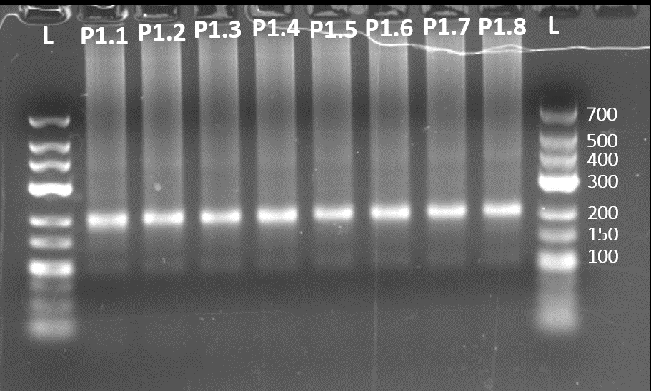
 | A | B | C | D | E | F | G | H |  |  |  | TruSeq = | 4 | Reagent | per pool | 8 pools (+error)
1 | P1.1 | P1.2 | P1.3 | P1.4 | P1.5 | P1.6 | P1.7 | P1.8 |  |  |  |  |  | dNTPs 2.5 mM ea | 1 | 8.8
 |  |  |  |  |  |  |  |  |  |  |  |  |  | H2O | 14.4 | 126.72
 |  |  |  |  |  |  |  |  |  |  |  |  |  | 10 µM IC1-P5 | 1 | 8.8
 |  |  |  |  |  |  |  |  |  |  |  |  |  | 10 µM IC1-P7 | 1 | 8.8
 |  |  |  |  |  |  |  |  |  |  |  |  |  | TruSeq_Un1 | 0.6 | 5.28
 |  |  |  |  |  |  |  |  |  |  |  |  |  | 10x Titanium buffer | 5 | 44
 |  |  |  |  |  |  |  |  |  |  |  |  |  | Titanium Taq | 1 | 8.8
 |  |  |  |  |  |  |  |  |  |  |  |  |  | Total | 24 | 211.2

 |  |  |  |  |  |  |  |  |  |  |  |  |  | To each sample add a different 1 uM ILL-BC oligo | 6
 |  |  |  |  |  |  |  |  | Pool 6µL from each ligation across rows (e.g. 6µL each from A1-A12 into one pool) |  |  |  |  | To each sample add pooled ligation | 20

