Loop Table 2
Loop Table 2
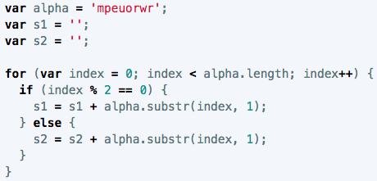

 | loop count | value of index | value of s1 | value of s2 | output

