Loop Table 2
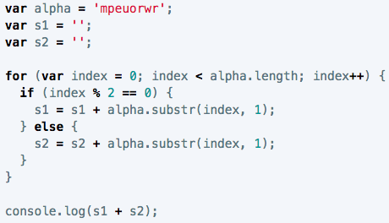
Loop Table 2

 | loop count | value of index | value of s1 | value of s2 | output
 | 1 | 0 | m | '' | m | index starts at 0, and the loop will continue as long as index is less than 8 (alpha.length); if index divided by 2 results in a remainder of zero (meaning index is even), s1 is equal to s1 plus the string character that is the value of index, 1; if it's an odd number (modulo is not 0), s2 is equal to the value of s2 plus the string character that is the value of index, 1; at the end of every loop we'll add one to index; since we set variables that were blank for s1 and s2, the JS will store everything we put into them until the condition is no longer true (index > alpha.length), and then it will display s1 + s2 in console --> meowpurr
 | 2 | 1 | '' | p | p
 | 3 | 2 | e | '' | e
 | 4 | 3 | '' | u | u
 | 5 | 4 | o | '' | o
 | 6 | 5 | '' | r | r
 | 7 | 6 | w | '' | w
 | 8 | 7 | '' | r | r

